GENERAL VALIDATION
General Validation Criteria / Guideline
Criteria | Details/ Remarks
INTEL Bill to name | • Intel bill to name must be stated on the invoice > required validation. • Minor difference, acceptable (refer to each LE for details) • Ship to Name is not acceptable as Bill to Name
INTEL Bill to address | • Intel’s address must be stated on the invoice > validation not required
INTEL VAT registration number | • Country specific, refer to each LE for details
Supplier’s Name | • Supplier name must stated on invoice > required validation match with SAP system to ensure correct payment. Abbreviations for “Ltd” and “Inc” is allowed.
Supplier’s Address | • Supplier’s address must be stated on the invoice > validation not required
Supplier VAT registration number | • Country specific, refer to each LE for details
Invoice Number | • Unique invoice number must be printed on the invoice (repeated invoice number is not allowed within the same year ). • Due to SAP limitation of 16 digits; the following should be applied: - Invoice number < 16 digits : full invoice number can be used including special characters - Invoice number > 16 digits : begin by removing special characters, remain unique identifiers and digits until allowable limits. Check history in FBL1N to identify unique identifier. example (reference number 19 digit) '20190321489000001-M', vendor history shown invoice running number for first 11 digit. 20190321457, 2010322459, 20190321468. Truncated invoice number should be '2019032148900000' • above method also applies to Debit Memo and Credit Memo number, only need to end with CM/DM if it's dummy reference#
 | Fieldglass and Ariba Integration: • Suppliers must enter their original invoice numbers for all invoices raised through Fieldglass. • The system will automatically map these numbers to Ariba, landing them in the customer reference number field. PO Flip - Invoice auto posted with FG invoice number Proforma - the invoice number will be flipped (Exculde CN) AR - Processor to validate and ensure the reference number keyed is the original invoice number or the supporting invoice (If the supporting is ARIBA inv, need to manually flip)
Example
-Supplier invoice number 19 digit include special Characters : AUT/0150208/0001278
-After special character removal still consist of 17 digits : AUT01502080001278
*Please put back sprecial character and use last 16 digits : /0150208/0001278
inclusive special character
Invoice Number | Exception for TELCO invoice: - Invoice number < 16 digits : use full invoice number including special characters - Invoice number >16 digits : remove special character but; If after special characters removal, invoice number is within 16 > use it If after special characters removal, invoice number is still more than 16 > put back special character an use last 16 digits including the special characters
 | Exception for Poland invoice (country regulation): • Full invoice reference number must be shown in system transaction. If invoice number >16 digits, fill in the complete invoice number inclusive special character in 'Text column' -Less than 16 digits – Post invoice with reference includes special character (if have) **Important** special character must remain for all document inclusive credit note -More than 16 digits – insert reference number field with unique indentifier number inclusive special character and Must fill in complete invoice reference number in 'TEXT column'
 | Creation of Dummy Invoice Number: • Creation of Dummy Invoice number must be based on a contract, rental agreement, utility bills, insurance and rent/real estate tax.Vendor must obtained exception approval for these categories. Note: Refer to OPS203 Lesson 1 (Table 1-1) for “Rules for creating an invoice number” • Dummy Credit Memo and debit Memo number must end with CM(credit memo) DM(debit memo). example: WHT adjustment DM need to be posted for invoice number 773382. Dummy reference number is '773382DM' (original inv#+DM/CM) • Dummy invoice number is acceptable if no VAT charge for payments related to donation/sponsorship for all suppliers
Invoice Date | • must be stated on the invoice. Future date applicability : - invoice can be processed (Within the same period of year or cross year during Dec) by changing the invoice baseline date = invoice date • Not applicable for monthly invoice process • Standard invoice baseline date = OCR scanning date • Rental - Post without changing the invoice baseline date - Need to notify VAT COE/ EA • Not required when no VAT charge for payments related to donation/sponsorship for all suppliers HK/ HL (Fieldglass) - Processor required to manually update for proforma countries |  | Future date - normal invoice - change baseline to follow doc date Future - Rental - No change (follow scanning) - Notify VAT COE
PO number , PO amount & Line Item (Not Applicable to Non PO) | 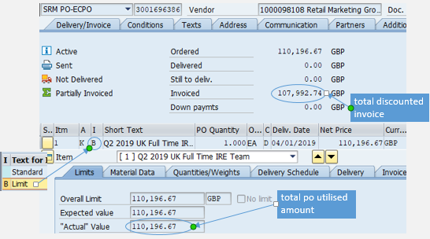 • Invoice must reference to not more than one valid Purchase order (PO) number. PO number example: 3000781652. *missing/addition to constant number “0” is acceptable except for PRC • PO information with regards to legal Bill to name, supplier name, PO line item, unit price, unit of measure/quantity and description) must match with relevant information on invoice • Available fund check for Limit (blanket)PO with discount term; -ME23N > insert PO number > Item overview> Item Cat. > shown B (Limit). then, go to -item > select 'limit' tab > take 'actual value' to deduct with ordered amount -Reject invoice if actual value ≥ ordered amount **Total invoiced amount shown in PO status tab is net amount after discount so it doesn't reflect the right available fund
Description of goods or services | • Description of the goods or services specified in the invoice have to match with PO’s description (No need 100% matched - Depends on LEs, please refer country specific)
Currency | • Currency on invoice must match with PO currency. [Note: If a currency mismatch exists for a first time billing – suspend the invoice for investigation and R&R will reject the invoice if unable to resolve] Reject if it’s a second time billing onwards. • TIDE & e-Check transactions - currency in SAP process director (cockpit) must match with invoice currency. Reject invoice and SAP transaction if not match. Refer to LE for more information on currency.
VAT Codes | • If VAT amount stated on invoice; - check PO comodity code to determine “goods” or “services” category. Invoices related to Top 3 commodity codes (Rent, Telephone and Utility) which reflect time sensitive suppliers should not be rejected (excluding PRC) - EMEA, LAR & IS - I1 (Onesource), any error - please refer to the GETS tools. - refer to 'GETS tool' (GER) or 'Tax code matrix' (GAR) to determine the right VAT code and % \\vmspfsfspg10\MASSC_MSSC_AP\MSSC AP Handbook • Please refer to each country details and exception
 | GITS - Manual touch invoice/ Purposely land invoice as an error. E.g. Manual determination of WHT Invoice posted with nil net amount or wrong tax amount which resulted in tax code I1 remain in cockpit after posted Processor is required to update the right details in cockpit followed by selecting “redetermine tax” to ensure GITS return with new tax code before proceed to post.
 | GER | GAR
VAT Codes | • Ensure VAT rate (%) and VAT amount stated on invoice. VAT rate (%) calculation must correspond correctly with the total VAT amount charged. Allowable variance in VAT amount can be up to one dollar in local currency ($1) as a result of rounding up. • Invoice net amount per VAT rate can be stated in any currency but VAT amount per VAT rate must be stated in local currency. • AP (NPO/TIDE L3) need to send an email or notification to Car Lease group if any tax code change as they need to use during their NPO file submission - EMEA Car Lease contact is : Huebscher, Claudia, Brehovska, PetraX, Wilson, Gordon – Manager. | • Ensure both the VAT rate (%) and VAT amount is stated on the invoice. The VAT rate (%) calculation must correspond correctly with the total VAT amount charged . Allowable variance in VAT amount can be up to ten cents (US$0.10) as a result of rounding up. [Check with BA to get approval from GTT GAR before posting]
 | • Treatment for Freight VAT invoices (freight forwarders): When a VAT reimbursement/import VAT is requested by the freight company, refer to threfer to Gets tool for appriorate VAT code. For NPO invoices, change GL to 222312 and remove cost center for VAT line item. except except South Africa - post to 222315 • below link is to check if AP invoices from EMEA contain valid VAT IDs:This link can also be used to validate if a certain ID does not appear like in the MSSC AP Handbook, but can be ‘inferenced’ as a VAT ID. Fill in the VAT ID digits into the upper part of the form (“Member State” & “VAT Number”)
 | General – tax code YY is a generic tax code that invoices have landed in error that requires GSPO to run through a few checks as below before log the IT ticket To determine whether it is related to Ireland, Costa Rica and Nigeria, Ireland & Costa Rica – land in tax code YY if supplier wrongly charge VAT. GSPO required to provide Exemption Certificate to supplier to re-submit for new invoice Nigeria – Certain suppliers are land in tax code YY as there are multiple tax code require GSPO to override tax code manually. Refer Note NG1, NG2, NG3 in tax code matrix (Non Freight Tax Codes tab) To determine whether it a buy on behalf scenario (ship to foreign location instead of local site) Refer to buy on behalf tab in Tax Code Matrix for details GL222319 has been assigned for tax code YY to block invoice lands in error that auto-hard post in SAP Processor to cross-check the following details if the information matches the PO and invoice Goods or services commodity code (based on tangibility) Bill to/from and Ship to/from Country code Tax amount Posting date format | General – tax code YY is a generic tax code that invoices have landed in error that requires GSPO to run through a few checks as below before log the IT ticket To determine whether it is related to Taiwan Refer to Note TW1 & TW2 in Non-Freight Tax Codes tab, Tax Code Matrix GL222319 has been assigned for tax code YY to block invoice lands in error that auto-hard post in SAP Processor to cross-check the following details if the information matches the PO and invoice Goods or services commodity code (based on tangibility) Bill to/from and Ship to/from Country code Tax amount Posting date and document date format
 | http://ec.europa.eu/taxation_customs/vies/
Withholding Tax (WHT) | • Country specific, refer to each country details and exception WHT Determination: • SAP BRF automation - No Action Required • Manual determination by local site/ Finance - Follow as written or attached
Total Amount | GER | GAR
 | • Total amount must be printed on invoice including breakdown for net amount excluding VAT charges • Total amount with a difference of one cent(s) (a result of rounding by supplier) is acceptable:- - Difference of one cent(s) must be included as part of the net amount when posting the invoice - Difference in one cent(s) incorrectly recorded by processor is not acceptable (i.e. Invoice value is USD1.00 and keyed in amount is USD1.01) | • Total amount must be printed on invoice including breakdown for net amount excluding VAT charges
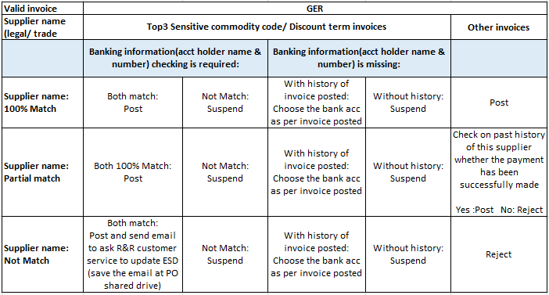 Bank account number & Bank Account Holder Name Decision Matrix |  | 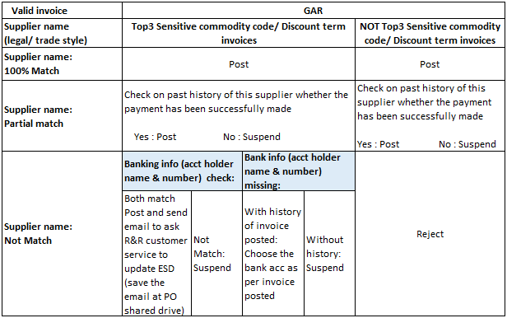 Does not apply to Japan, Korea and PRC
Baseline Date | Baseline Date = Invoice Scan to OCR Date. No validation required
Company Stamp | Based on LE requirement. Refer to specific LE
Material Group | • Echeck - Material group described in invoice must match eCheck description - Validate the material group in the eCheck approved list (reference to link No.10) If description mismatch between invoice and eCheck – follow up with requester and reject if the reason provided is unacceptable. • TIDE – Material group is not validation criteria. • Manual Posting – Follow material code as stated in the MSSC – exception list (reference to link No. 7)
Cost Center and GL | • Echeck : requestor enter cost center and GL • TIDE : owner enter cost centre and GL
Payment Term | • Echeck – CA term • TIDE – follow payment term entered by the TIDE owner • Manual Posting – follow the PO payment term
Payment Details - Text Field | a limit of max 35 characters - Impacted countries Czech Republic Israel Poland Romania South Africa Turkey UAE
 | • Process to net off an invoice amount with a corresponding credit note to an invoice is blocked:-
 | 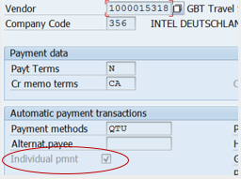 DM/CM adjustment • NOT incur balance payment to vendor (Regardless Supplier marked for individual payment or not)-AP Ops use F44 to offset • WITH balance payment to vendor (Supplier NOT marked for individual payment)-No action needed for AP Ops or PD as system will auto offset • WITH balance payment to vendor(Supplier marked for individual payment)-Use above mentioned method to link the credit note to invoice • Help Needed: If you have any issue on credit note linking with invoice then request PD for manual allocation To ensure it is Individual payment: - Open SAP Transaction XK03 -----> - Go to “Payment Transaction Accounting” - Ensure there is a “tick” at “Individual pmnt” as below
 | 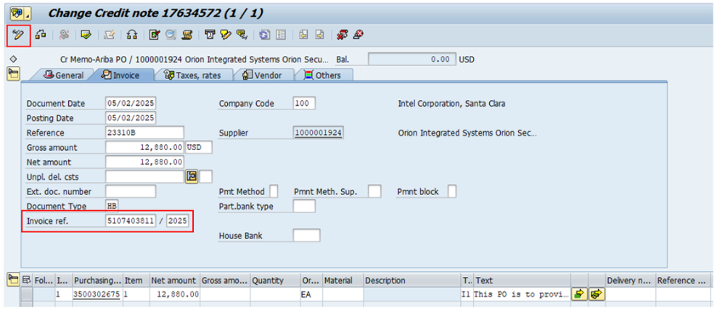 To Link Credit note: the Invoice Reference needs to be populated on the Process Director document with the Reference Key that you want to link that document to BEFORE the document is posted in SAP/ECC. Do not specify the Invoice Reference on the SAP Accounting document after it is posted in SAP/ECC.
 | 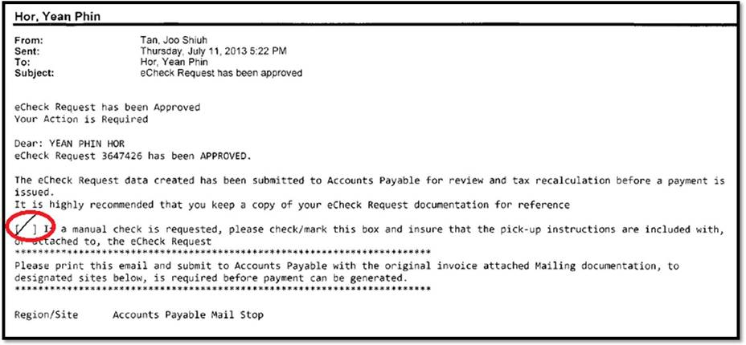 For eCheck: -When Manual check is request by requestor through eCheck request approval notification mail (this mail always attached together with invoice when requestor submit the invoice to AP). Example as per below.
Notes For Invoice Processing | 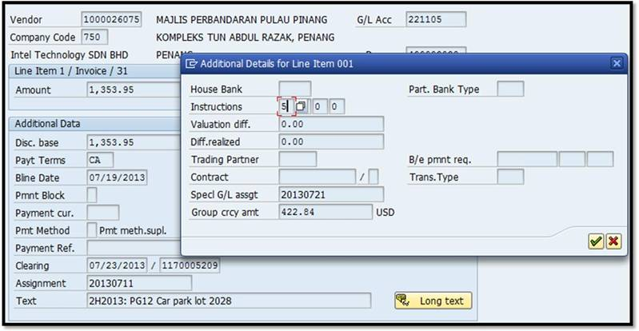 - Processor is required to enter instruction key “5” into SAP during processing in order for manual check able to generated and always ensure the payment method is “K”. refer to screen shot below on where to enter the instruction key.
Notes for Invoice Processing | 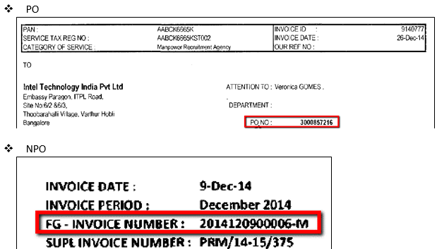 How to identify the contingency worker billing invoice is belong to NPO (TIDE) which using VMS (Vendor Management System) or PO payment method? Check on the invoice detail and identify through information below • Invoices with PO#: This is PO payment method • Invoices with FG (Fieldglass) invoice number: This is NPO (TIDE) payment method • If you have query on differentiate the invoice, please check with your Business Analyst/team lead/supervisor • Example of invoices: ----->
 | NPO (TIDE) which using VMS (Generated through Fieldglass), please follow the steps below: • LE with VMS invoices: LE650, LE828, LE831, LE791, LE794, LE796, LE860,LE760, LE765, LE768, LE763, LE766, LE781, LE787, LE800, LE811, LE932, LE356, LE340, LE420,LE4247, LE500, LE508, LE735, LE745, LE750, LE755, LE870 (Japan, India, Taiwan, Thailand, Hong Kong, Vietnam, Malaysia, Singapore, Korea, Australia, Germany, UK and Ireland) • NonPO file interfaced to Process Director after generated by Fieldglass • Invoice copy issued by supplier and sent to respective local sites • Local sites scan the invoices to OCR • MSSC AP receives invoice in OCR, use the FG invoice number to match against the NonPO file in Process Director. (NonPO is loaded with FG invoice number) - If NonPO file is not found, suspend the invoice with “IH Pending TIDE” category. You should use the FG invoice number to suspend the invoice. - If the NonPO file has landed in Process Director, please change the invoice number to Supplier Invoice Number. Archive the invoice with Supplier Invoice Number. - In the text field, please insert the FG invoice number: “FG INV # xxxxxxxxxxxx • DO NOT change the payment term • security deposits that will hit to GL199103, please exclude cost center and tax code
Notes for Invoice Processing | Cancel and Repost for Retention Invoices (Retention Payment Method) 1. It is required to cancel both transactions, e.g., 80% and 20%. 2. Repost with the PO payment term instead of the invoice payment term in order for the system to automatically split the amount with the retention payment term.
Notes for Invoice Processing | 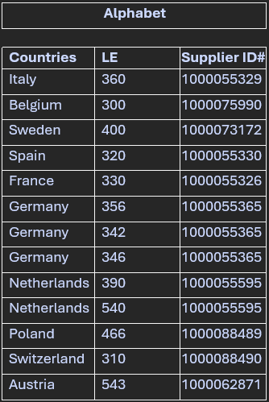 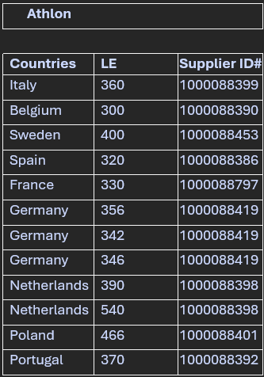 EMEA Car Lease Supplier - Credit memo without original invoice - Processor is allowed to post as credit memo as it for specific service and not invoice and available for Intel to take. Below is the list of vendor & LEs
Notes for Invoice Processing | CMPO - Reopening a PO in ARIBA To reopen a closed Purchase Order for invoice resubmission or manual credit submission in ARIBA, the processor needs to submit a CMPO request. Please follow the instructions provided in the link below.
Notes for Invoice Processing | 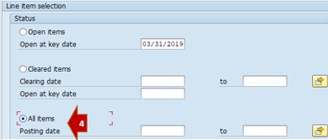 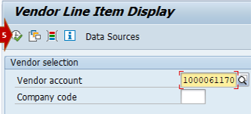 CMPO Link
Notes for Invoice Processing | EMEA - Letter of demand for interest payment is a valid document for payment
Notes for Invoice Processing | 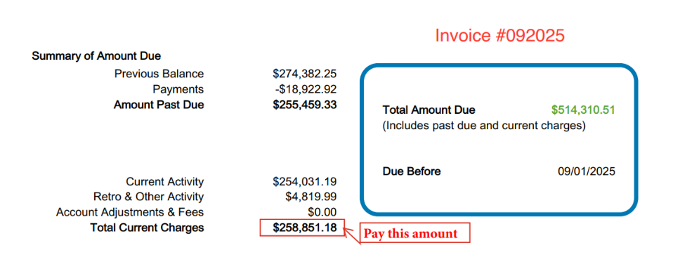 For utilities invoices, if amount to be paid is clearly circled/highlighte/indicated on the invoice copy, processor must ensure that the invoice is posted with the circled/highlighte/indicated amount. . Only when it is not circled/highlighte/indicated, processor need to use the current charges and exclude the arrears.

Interco Cancellation
Prerequisite before cancellation:
1. Invoice Processor needs to ensure both invoice document & Interco document are reset/cleared. If not reset, Invoice Processor need to work with the Payment Disbursement team to reset the clearing document
2. Invoice Processor needs to ensure both transaction are free from block. e.g. A block.

How to reset the clearing document:
1. Enter Tcode FBRA
2. Enter clearing Document Number, Cocode, Fiscal Year.
3. Press Save Button.
4. Confirm the Reset.
5. Confirmation of Reset Number will appear.

Example interco document not reset/clear & system throw error:

How to submit request to Accounting Team to reverse interco invoice:
AP Processor submit request to the AP reversal tracker follow the format below:
(AP Intercompany Reversals)

How to reverse interco invoice in SAP by Accounting team:
1. Go to ECC à FBU8 Transaction
2. Enter Cross-CC doc.number or Document Number

3. Check the check box (Highlighted)

4. Click "Save"
Invoice Processor can proceed to cancel in Process Director once above steps taken:

Credit Memo must link /offset with unpaid original invoice for all LEs
Action required when received a credit memo , the processor should:
Check the original invoice whether it has been paid or not yet paid.
If the original invoice is paid, then no action is required. The credit memo will be used to offset future invoices.
If the original invoice is unpaid, lin the credit memo with the invoice & change the payment term to match with invoice
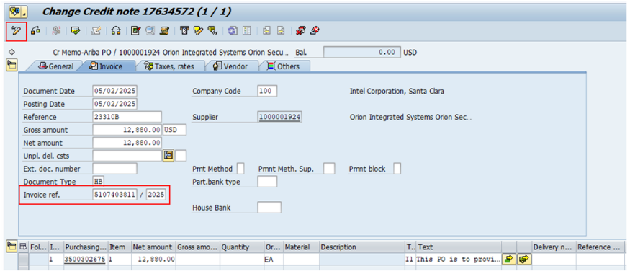 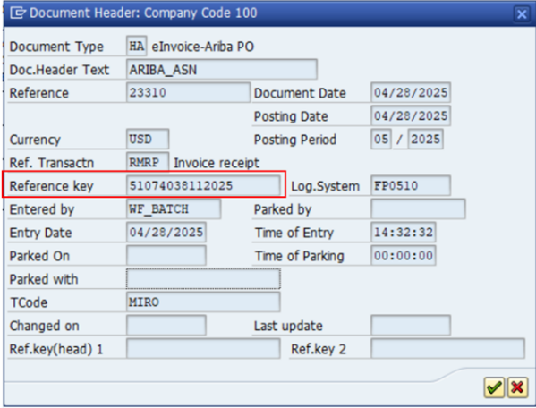 Business Process change is required for the utilization of the Invoice Reference field in SAP/ECC for SAP Business Network related documents. It has been identified if the Invoice Reference field is populated on the SAP Accounting Document after the document is posted in SAP/ECC to link 2 documents together it is rejecting the invoice in the SAP Business Network To prevent the rejection of the invoice, the Invoice Reference needs to be populated on the Process Director document with the Reference Key that you want to link that document to BEFORE the document is posted in SAP/ECC. Do not specify the Invoice Reference on the SAP Accounting document after it is posted in SAP/ECC.

Only apply to MIRO manual posting – with the detection of the issue on PO data error – Ref: QM 409940 Scenario: Processors create invoice in MIRO (SAP) –> with tax code I1 inserted (apply to OneSource enabled entities) –> system prompt error: “Error in assigning the tax group” & SAP session ended happened TO DO: 1. Report error by logging IT Indirect Tax Ticket LINK 2. Based on the IT finding, if the error caused by the PO data (LE≠≠Plant) 3. Processor to create invoice in MIRO by inserting the ‘direct/correct’ tax code (NOT I1) in order to skip the taxcall to OneSource system 4. Processor to validate the data/value & post the invoice

GER Europe
LE300 (Belgium)
Criteria | Compulsory |  | Exception/Remarks
INTEL Bill to name and Bill to Address | • Intel Corporation SA Address : Fao: F&A Department Rue Froissart 95 B-1040 Etterbeek Brussels Belgium |  | • Must stated in full but allowed abbreviations – “Corp” • Intel Corporation NV, SA/NV aceptable • Minor errors are acceptable - missing letters, punctuations, minor spelling error (Corporation– Corptoration), including the LE country on the bill to name and words in wrong order
VAT in local language
BTW : Belasting over de toegevoegde waarde
TVA : Taxe sur la valeur ajoutee
NWSt : Mehrwertsteuer
INTEL VAT registration number | Must stated on Europe & local invoice only : BE 0415497718. can accept if stated BE 415497718/ 415497718.
Supplier VAT Reg# Local EU Local Non EU & Foreign
VAT charged YES YES YES NO
No VAT Charged NO NO NO NO
Supplier VAT registration number | Must stated on Europe, Switzerland and local VAT invoice only with format of : BE xxxxxxxxxx (10 characters)
VAT Code | • Apply local reverse charge tax code 'BP' for Belgium local supplier invoice without VAT but stated ‘BTW door medecontractant’, ‘medecontractant’ (MC) or ‘btw verlegd’ (VAT in local language)
Notes For Invoice Processing | 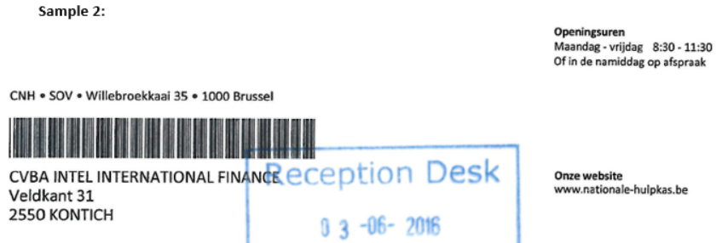 LE305 (Intel Intern Finance CVBA) or (Intel International Finance CVBA) -is not set up at system level. Cost/invoice will be absorb and post to LE300. Tax are not recoverable, use tax code BZ for invoice posting.
2 Posting Method:
(i) Deduct negative from positive tax amount if there's only one tax code. For example; Tax code “BZ”: 2000.00
(ii) Negative amount cannot be deducted from positive amount – processor must create a credit note for the negative amount
-Tax code “BD” (21%): 2309.07
-Tax code “BF” (6%): 411.56
-Tax code “BZ” (0%) : 7.25
-Tax code “BZ” (0%) : -1397.40
-Tax code “BP” MC- reverse charge: 3665.26
Credit Note for Tax Code “BZ”
Gross amount: 5505.34
Notes For Invoice Processing | • Posting example for Natab 1000067657 invoice with negative VAT amount. Exclude negative amount from gross amount for posting due SAP unable to post negative value :-
Posting method:
Post 2 transaction and ensure posted amount match with total invoice amount ;
1. PO method : treat 'Duty' as custom duty and apply custom duty tax code 'BZ' for 10.00 Eur
2. Non PO method: Post VAT 273.68 Eur to GL222312 with import VAT tax code 'BN' (remove Cost center if have)
Notes For Invoice Processing | 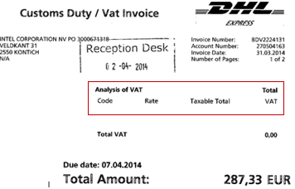 • Posting example for freight invoice: vendor 1000015660 DHL INTERNATIONAL NV for invoice with high claimable VAT amounts Vs cost amount. Due to different treatment for a VAT and Non VAT invoice, the following guidelines are prescribed for DHL billing to LE300: (i) invoice without VAT, follow the freight tax matrix
Posting method:
Post 2 transaction and ensure the total posted amount match with total invoice amount:
1. PO method: Treat “Duty” as admin fee and apply normal service tax code “BD -21%” for 10.00 EURO
2. NPO method: post the VAT 273.68 EURO to GL222312 with import VAT tax code “BN” (remove Cost center if have)
Other than 300 : supend and check with GTT (current Q3'18 AP tax point of contact - Chandran)
Notes For Invoice Processing | 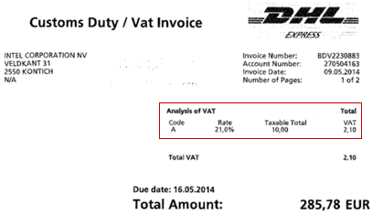 (ii) Invoice with VAT:
Posting method
Post to 2 transaction and ensure the total posted amount match with total invoice amount:
1. PO method: With VAT: 61.57*21% = 74.50 (VAT: 12.93)
Without VAT: 72.00
Total amount posted: 146.50
2. NPO method, only for import VAT:
Import VAT: 2,462.61 (import VAT code: BN)
GL account: 222312 (remove Cost center if have)
Total amount posted: 2462.61
Notes For Invoice Processing | 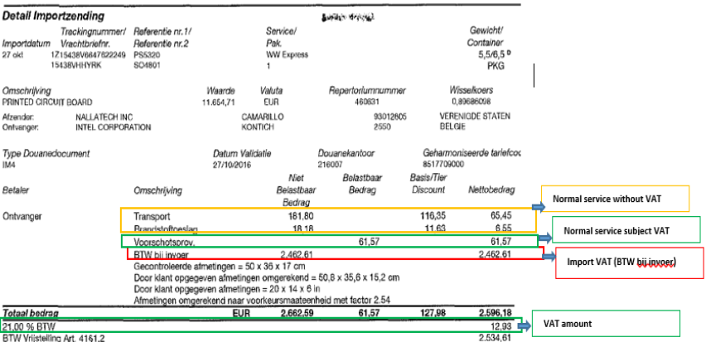 • Posting example: Vendor 1000008948 UPS UNITED PARCEL invoices billed with high VAT amounts vs the cost amount whereby the VAT amount can be claimed. Always refer to the supporting document from page 2 onwards to determine which line is belong to import VAT etc. The following guidelines are prescribed for UPS billing to LE300:- (i)If the invoice has a VAT charge & import VAT:
Account Number
009576139/18
009576139/22
009576139/24
009576139/25
009576139/27
009576139/28
009576139/31
009576139/46
009576139/47
009576139/48
607830014/1
607830014/2
Notes for Invoice Processing | 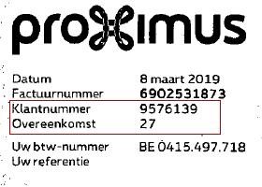 • For vendor 1000015258 Proximus if account number stated on invoice match with below listed account number, invoice belongs to TIDE. If account number not listed, invoice belongs to Echeck. T:\TIDE eCR 1Q\TIDE BPM\Telco Accounts\Non-PO_Telco_Accounts-20150901.xls
Notes For Invoice Processing | • vendor 1000028779 Ticket Restaurant - invoice number is bestelnr (invoice number) instead of Nr. Facturatiepunt (client code). Refer below sample:
Notes for Invoice Processing | Intel Peppol ID:

LE306, LE314 (Denmark)
Criteria | Compulsory |  | Exception/Remarks
INTEL Bill to name and INTEL Bill to address | LE306 - Intel Mobile Communication Denmark ApS LE314 - Altera Semiconductor Technology Denmark ApS Address: ACCOUNTS PAYABLE, Hoerkaer 12A 2730 Herlev Denmark |  | • Allowed abbreviations: “IMC”, “Comm” and “DK” for LE306
Intel VAt Reg# EU Local Non EU
VAT charged YES No No
No VAT Charged YES No No
INTEL VAT registration number | Must be stated on invoice - 306 - DK33163150 314 - DK44487225 |  | [VAT in local language: Moms – Merværdiafgift] following this decision matrix:-
Supplier VAT Reg# Eu Switzerland Local Non EU
VAT charged YES YES YES No
No VAT Charged NO NO No No
Supplier VAT registration number | must be stated on the invoice with the format of xxxxxxxx (8 characters) following this decision matrix:-

LE310 (Switzerland)
Criteria | Compulsory |  | Exception/Remarks
INTEL Bill to name and Intel Bill to Address | Intel Semiconductor AG Intel Semiconductor AG c/o Centralis Switzerland GmbH Kanzleistrasse 18, Zurich 8004 Switzerland |  | Minor errors are acceptable - missing letters, punctuations, minor spelling error (Corporation – Corptoration), including the LE country on the bill to name and words in wrong order
Abbreviation Full Name_______________
MWST Mehrwertsteuer
TVA Taxe sur la valeur ajoutée
IVA Imposta sul valore aggiunto
TPV Taglia sin la plivalur
INTEL VAT registration number |  |  | not required. However if stated; it should reflect CHE-101.644.330. VAT in local language:
Supplier VAT Reg# Eu Switzerland Local Non EU
VAT charged YES YES YES No
No VAT Charged NO NO No No
Supplier VAT registration number | must be stated on the invoice following this decision matrix:-

LE320 (Spain)
Criteria | Compulsory |  | Exception/Remarks
INTEL Bill to name and INTEl Bill to Address | Intel Corporation Iberia, S.A. Intel Corporation Iberia S.L. Address: ATTN: ACCOUNTS PAYABLE Martinez Villergas Business Park C/Martinez Villergas, 49 Block V- 1st floor, Office 134 Madrid, 28027 |  | number must be stated on the invoice with the format of X12345678, 12345678X or X1234567X (9 characters - the X denotes a letter) following this decision matrix:-
INTEL VAT registration number |  |  | not required. However if stated; it should reflect ES A28819381. VAT in local language: IVA – Impuesto sobre el valor añadido
VAT Code | Net and total VAT amount for each VAT rate (%) should be reflected in €uros
Withholding Tax (WHT) | • Some invoices are subject to a WHT charge. WHT information is usually quoted by Site Finance on the invoice as illustrated below:- |  | • If no WHT information is quoted on the invoice, the WHT code and amount from “W/holding tax” column in process director must be removed as illustrated below
Notes for invoice processing | Canary Islands is not Spain. To avoid future error in the tax code selection, please select 'Foreign – Non EU' in the GETS Tool if supplier from below List of Canary Islands: - Tenerife, Lanzarote, Gran Canaria, Fuerteventura, La Palma, La Gomera, El Hierro

LE330, LE316 (France)
Criteria | Compulsory |  | Exception/Remarks
INTEL Bill to name and INTEL Bill to address | • LE330 - Intel Corporation SAS STE Intel Corporation SAS Toulouse STE Intel Corporation SAS NICE SAS Intel Corporation *NICE” and “Toulouse” are cities in France and “STE” means “To” • LE316 - Altera Semiconductor Technology France SAS |  | REJECT for Posting: Intel Corporation SARL Intel Corporation Toulouse • Abbreviation allowed for “Corp” • Minor errors are acceptable – missing letters, minor spelling error (i.e. Corporation - Corptoration), including the LE country on the bill to name and words in wrong order
 | Address: Intel Corporation SAS Accounts Payable 90-92 Route de la Reine 92100 Boulogne-Billancourt France
Intel VAt Reg# EU Local Non EU
VAT charged YES No No
No VAT Charged YES No No
INTEL VAT registration number | • must be stated on the invoice: LE330 - FR54302456199, LE316 - FR 87980633747 [VAT in local language: TVA – Taxe sur la valeur ajoutee] following this decision matrix:- |  | • Intel VAT registration number is not required when there is no VAT charge for payments related to donation/sponsorship for all suppliers
Supplier VAT Reg# EU Switzerland Local Non EU & Foreign__
VAT charged YES YES YES No
No VAT Charged NO NO No No
Supplier VAT registration number | • must be stated on the invoice with the format of 12345678901, X1234567890, 1X123456789 or XX123456789 (11 characters - the X denotes a letter) following this decision matrix:- |  | • Supplier VAT registration number is not required when there is no VAT charge for payments related to donation/sponsorship for all suppliers

LE342, LE356, LE346, LE365, LE317 (Germany)
Criteria | Compulsory |  | Exception/Remarks
INTEL Bill to name and Intel Bill to Address | LE342 | Intel Germany GmbH & Co. KG Address for all Germany LE ATTN : ACCOUNTS PAYABLE, Dornacher Strasse 1, 85622 Feldkirchen, Germany | • Minor spelling errors are acceptable. Eg. Lantiq Beteiligungs GmVH & Co KG instead of GmBH
 | LE346 | Intel Germany Services GmbH Address for all Germany LE ATTN : ACCOUNTS PAYABLE, Dornacher Strasse 1, 85622 Feldkirchen, Germany | no abbreviations are acceptable
 | LE356 | • Intel Deutschland GmbH Address for all Germany LE ATTN : ACCOUNTS PAYABLE, Dornacher Strasse 1, 85622 Feldkirchen, Germany | • Minor errors are acceptable – punctuations, missing letters, minor spelling error(i.e. Corporation - Corptoration), including the LE country on the bill to name and words in wrong order
 | LE365 | • Intel Magdeburg GmbH Address for all Germany LE ATTN : ACCOUNTS PAYABLE, Dornacher Strasse 1, 85622 Feldkirchen, Germany | • Minor errors are acceptable – punctuations, missing letters, minor spelling error(i.e. Corporation - Corptoration), including the LE country on the bill to name and words in wrong order
 | LE317 | Altera Germany GmbH Address for all Germany LE ATTN : ACCOUNTS PAYABLE, Dornacher Strasse 1, 85622 Feldkirchen, Germany | no abbreviations are acceptable
INTEL VAT registration number | LE342 | Must be stated on invoice : DE266911793 | • Intel VAT registration number is not required when there is no VAT charge for payments related to donation/sponsorship for all suppliers •[VAT in local language: MwSt./USt. - Mehrwertsteuer/Umsatzsteuer]
 | LE365 | Must be stated on invoice : DE352661440
 | LE346 | Must be stated on invoice : DE342599236
 | LE317 | Must be stated on invoice : WIP
Intel VAt Reg# EU Local Non EU
VAT charged YES No No
No VAT Charged YES No No
 | LE356 | Must be stated on invoice: DE815231432 All LE following this decision matrix:-
Supplier VAT Reg# EU Switzerland Local Non EU &
Foreign
VAT charged YES YES YES No
No VAT Charged NO NO No No
Supplier VAT registration number | • DE xxxxxxxxx or xxx/xxx/xxxxx. Steuernummer can be accepted as an alternative to the standard German VAT number if a German VAT has been charged following this decision matrix:- |  | • Supplier VAT registration number is not required when there is no VAT charge for payments related to donation/sponsorship for all suppliers
Invoice Number | LE356 | 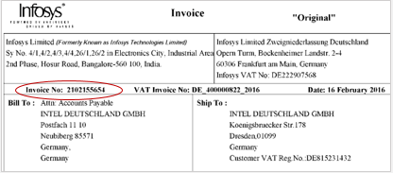 • For Vendor 1000006162 INFOSYS TECHNOLOGIES LIMITED INFOSYS LIMITED, BENGALURU - invoice comes with Invoice# and VAT invoice#: Please use invoice#
Notes for Invoice Processing | • Direct material POs - invoices: - Delivery note number to be entered under 'text' field in process director - Material code must be matched - If unsure in posting to the corresponding line item, match the reference number under Purchasing order history tab (ME23N) - Invoices with ERS PO are not allowed to be posted, instead trash these invoices - Total quantity needs to be added up manually if not provided
Notes for Invoice Processing | • Direct material vendor - Invoice with VAT, please refer normal tax matrix for VAT code determination - Invoice without VAT, please refer to direct material tab for VAT code determination. - Direct material credit memo with PO number 30xxxx follow normal process; with 55xxxxxx and ERS credit memo archive from OCR
Notes for Invoice processing | 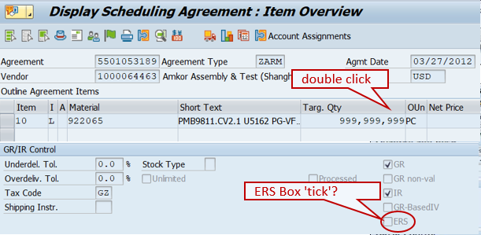 • PCM TIDE (Non PO): - PCM requests sent via email to MSSC AP NONPO mailbox. - TIDE’s invoice number is 'project number + milestone' so it will NOT match with invoice number. - Processor have to check information in payment summary which contains invoice number, actual invoice number, amount, vendor ID, and etc. ensure match with the TIDE file - Not all CRA payment has invoices, some provide agreement as supporting doc and it's acceptable.
Notes for Invoice processing | • Telekom Deutschland : credit note - Mobile billing credit notes should be offset with acc# 0053740060 (this is a monthly billing invoice) - Hardware credit notes with acc# 1007279406 should be offset with invoice with acc# 1007279406. • GIIBTS (TELCO) : Credit note - Have to be offset with invoice that is bill for the respective acc# - Place ‘A’ block for posted Credit note to check and ensure part bank selected for the credit notes should be the same part bank selected for invoice to be offset. - Rework team to check if credit memo can be offset with related invoice. If yes, release A block before payment run. - Rework team to send payment breakdown via weekly basis to DTAG so that they can perform payment allocation. (Email to be sent to Kundenbuchhaltung.avise-m@telekom.de and KUB-Avise@telekom.de)

LE350, LE315 (Finland)
Criteria | Compulsory |  | Exception/Remarks
INTEL Bill to name and INTEL Bill to address | LE350 - Intel Finland OY LE315 - Altera Semiconductor Technology Finland Oy Address: ATTN: ACCOUNTS PAYABLE, 2 New Bailey, 6 Stanley Street Salford, Greater Manchester M3 5GS United Kingdom |  | Minor errors acceptable - missing letters, punctuations, minor spelling error (Corporation – Corptoration), including the LE country on the bill to name and words in wrong order
INTEL VAT registration number | 350 - FI 03576064. 315 - WIP |  | Not required. VAT in local language; ALV : Arvonlisärdesskatt, Moms : Mervärdesskatt
Supplier VAT Reg# EU Switzerland Local Non EU &
Foreign
VAT charged YES YES YES NO
No VAT Charged NO NO NO NO
Supplier VAT registration number | must be stated on the invoice with the format of FI xxxxxxxx (8 characters) following this decision matrix:-

LE360 (Italy)
Criteria | Compulsory |  | Exception/Remarks
INTEL Bill to name and INTEL Bill to address | Intel Corporation Italia S.p.A Address : ATTN: ACCOUNTS PAYABLE,Via Dante 16, 20121 Milano |  | • Allowed abbreviation: “Corp” • Minor errors are acceptable – punctuations, missing letters, minor spelling error(i.e. Corporation - Corptoration), including the LE country on the bill to name and words in wrong order
INTEL VAT registration number | not required. However if stated it should reflect IT04236760155.
Supplier VAT Reg# EU Switzerland Local Non EU &
Foreign
VAT charged YES YES YES NO
No VAT Charged NO NO NO NO
Supplier VAT registration number | must be stated on the invoice with the format of BE 12345678901 (11 characters) following this decision matrix:-
Withholding Tax (WHT): |  • WHT information (%) will be indicated on invocie If subject to WHT. Below example shown WHT rate - 20% • Remove WHT code & amount from W/holding tax column/field in SAP for invoices without WHT.
Notes for Invoice processing | Italy Government E-Invoicing - Local supplier required to submit e-invoice to SDI (government portal) - PWC Italy will extract all invoice from SDI and sent to Intel Italy (site) in PDF version. Supplier invoice sent to Intel via mail or email will not be accepted and site should not forward to scanning/processing. except for invoices stated as below; - DO NOT Reject e-invoice from local supplier, processor should suspend invoice with issue for rework team to check with buyer/supplier. If invoice need to be cancel, rework team need to work with supplier and request CN to be submit to SDI portal.
Notes for Invoice processing | Normal invoice is acceptable for: 1. PWC 2. Municipalities/ Gov agency 3. Deposit 4. Insurance

LE370 (Portugal)
Criteria | Compulsory |  | Exception/Remarks
INTEL Bill to name and INTEL Bill to address | • Turbe Distribucao E Marketing De Productos Electronics Uni Pessoal Ltd Turbe Distribucao e Marketing de Produtos Electronicos, Sociedade Unipessoal, Lda Turbe, LDA Turbe Distribuição e Mark. de Prod, Elect Lda Address: ATN. SWIFTY-CONTA, Praceta Gonçalves Crespo, no 3-8 Dto, 2790-082 Carnaxide Portugal |  | Minor errors acceptable – punctuations, missing letters, minor spelling error(i.e. Corporation - Corptoration), including the LE country on the bill to name and words in wrong order
INTEL VAT registration number | not required. However if stated; it should reflect PT505456036. VAT in local language:- IVA - Imposto sobre o Valor Acrescentado
Supplier VAT Reg# EU Switzerland Local Non EU &
Foreign
VAT charged YES YES YES NO
No VAT Charged NO NO NO NO
Supplier VAT registration number | must be stated on the invoice with the format of NIF/NIPC (NUPC) (abbr for VAT) + PT + xxx xxx xxx (9 characters) following this decision matrix:-

LE390, LE398 & LE540 (Netherlands)
Criteria | Compulsory |  | Exception/Remarks
INTEL Bill to name and INTEL Bill to address | LE390 | INTEL BENELUX B.V. Address: ATTN : ACCOUNTS PAYABLE Cateringweg 5A 1118 AM Schiphol The Netherlands | Minor errors are acceptable – punctuations, missing letters, minor spelling error(i.e. Corporation - Corptoration), including the LE country on the bill to name and words in wrong order
 | LE398 | INTEL FINANCE B.V.
 | LE540 | INTEL INTERNATIONAL BV Address LE398 & LE540: ATTN : ACCOUNTS PAYABLE Cateringweg 5A 1118 AM Schiphol The Netherlands
INTEL VAT registration number | LE390 | must be stated on the invoice: Individual - NL004587790B01; VAT group - NL805407686B02 | Allowed Exceptions:- • Intel VAT registration number is not required when there is no VAT charge for payments related to donation/sponsorship for all suppliers • Intel Benelux has two VAT numbers - an individual VAT registration and a group VAT registration (with Intel International BV). Invoices are valid if they have either of the VAT registration numbers on them.
 | LE398 | NL852819389B01
Intel VAt Reg# EU Local Non EU
VAT charged YES NO NO
No VAT Charged YES NO NO
 | LE540 | must be stated on the invoice: Individual - NL805387778B01; VAT group - NL805407686B01 [VAT in local language: BTW - Belasting over de toegevoegde waarde] following this decision matrix for both LE :
Supplier VAT Reg# EU Switzerland Local Non EU &
Foreign
VAT charged YES YES YES NO
No VAT Charged NO NO NO NO
Supplier VAT registration number | must be stated on the invoice with the format of xxxxxxxxxB01 (12 characters) following this decision matrix:- |  | Supplier VAT registration number is not required when there is no VAT charge for payments related to donation/sponsorship for all suppliers
 |  | 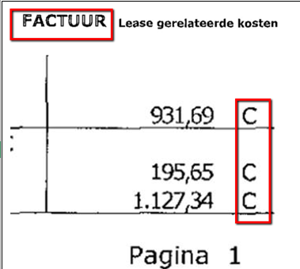

LE400, LE325 (Sweden)
Criteria | Compulsory |  | Exception/Remarks
INTEL Bill to name and INTEL Bill to address | •LE400 - Intel Sweden AB Intel Sweden Aktiebolag • LE325 Altera Semiconductor Technology Sweden AB Address: ATTN: ACCOUNTS PAYABLE,Isafjordsgatan 30B 16440, KISTA SWEDEN Note: Aktiebolag ("share company" or "stock company") is the Swedish term for "limited company" or "corporation"- |  | • Allowed abbreviations: “AB” • Minor errors are acceptable – punctuations, missing letters, minor spelling error(i.e. Corporation - Corptoration), including the LE country on the bill to name and words in wrong order
Intel VAt Reg# EU Local Non EU
VAT charged YES YES NO
No VAT Charged YES YES NO
INTEL VAT registration number | not required. However if stated; it should reflect LE400 SE 556189602701, LE325 SE559452742501.
Supplier VAT Reg# EU Switzerland Local Non EU &
Foreign
VAT charged YES YES YES NO
No VAT Charged NO NO NO NO
Supplier VAT registration number | must be stated on the invoice with the format of xxxxxxxxxxxx (12 characters) following this decision matrix:-
Currency | SEK (KR) |  | “SEK” is the only acceptable currency, but some invoices may show “kr” as the currency sign which is also acceptable. “SEK” or “kr” can be used interchangeably
Notes for Invoice processing | EMEA Car Lease Supplier - Credit memo without original invoice - Processor is allowed to post as credit memo as it for specific service and not invoice and available for Intel to take. |  | Please refer general validation for the LE and the supplier list
Notes for Invoice processing | EMEA Car Lease Supplier For SQ calculation consider Moms Leasingavgift amount. For SD Calculation consider Moms Ovrigt. For SY Calculation It’s a non VAT tax code hence, we need to adjust balance amount for SY tax code.

LE420, LE417, LE326 (United Kingdom) - Non EU country effective 1st Jan 2021
Criteria | Compulsory |  | Exception/Remarks
INTEL Bill to name and INTEL Bill to address | LE420 Intel Corporation UK Ltd Address: ATTN: ACCOUNTS PAYABLE, 2 New Bailey, 6 Stanley Street Salford, Greater Manchester M3 5GS United Kingdom Lebanon address : Beirut Central District, Azarieh Street, Azarieh Building, Bloc A5 Fifth Floor (Regus) Jordan address: Intel Corporation UK LTD., Regus Business Center, P.O.Box 940584, Al-Hussary Street, Shmeissani, Amman 11194 Jordan |  | • Allowed abbreviation: “Corp” • Minor errors are acceptable – punctuations, missing letters, minor spelling error(i.e. Corporation - Corptoration), including the LE country on the bill to name and words in wrong order • Lebanon address is used to identify the house bank as described Notes for processing invoice • Invoice Bill to name “Aepona” is not acceptable. Please check with BA/GTT if the invoice is sensitive payment before you reject it.
INTEL Bill to name and INTEL Bill to address | LE417 Intel Research and Development UK Limited Registered address EVERSHEDS HOUSE 70 GREAT BRIDGEWATER STREET MANCHESTER M1 5ES Office / postal address ATTN: ACCOUNTS PAYABLE, 2 New Bailey, 6 Stanley Street Salford, Greater Manchester M3 5GS United Kingdom |  | Acceptable Names (and variations of) It is key that ‘UK’ is included in the company name, e.g. • Intel Research and Development UK Limited (Ltd) • Intel Research and Development UK • Intel R&D UK Limited (Ltd) • Intel R&D UK
INTEL Bill to name and INTEL Bill to address | LE326 Altera Semiconductor Technology UK Limited Address: ATTN: ACCOUNTS PAYABLE, 2 New Bailey, 6 Stanley Street Salford, Greater Manchester M3 5GS United Kingdom |  | • Allowed abbreviation: • Minor errors are acceptable – punctuations, missing letters, minor spelling error(i.e. Corporation - Corptoration), including the LE country on the bill to name and words in wrong order • Lebanon address is used to identify the house bank as described Notes for processing invoice • Invoice Bill to name “Aepona” is not acceptable. Please check with BA/GTT if the invoice is sensitive payment before you reject it.
INTEL VAT registration number | LE420 GB 860217347 / NL 801519627B01/ DE257917684 LE417 GB 860217347 LE326 GB477179053 -Not required to be stated on invoice -VAT in local language for Netherlands: "BTW - Belasting over de toegevoegde waarde"
Supplier VAT Reg# EU Switzerland Local Non EU &
Foreign
VAT charged YES YES YES NO
No VAT Charged NO NO NO NO
Supplier VAT registration number | Must be stated on the invoice with the format of • UK VAT format : GB xxx xxxx xx (9 characters) • North Island - XI (9 Characters) • Netherlands VAT format : xxxxxxxxxB01 (12 characters) • Customers / suppliers in North Island will have 2 VAT numbers. Both will finish with the same number but will have a prefix of GB or XI depending on the supply. |  | VAT number usage - GB or XI
VAT Code | 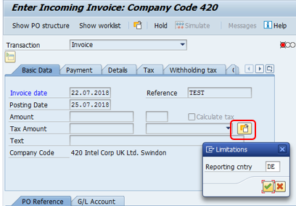 • UZ : If found “insurance premium tax” stated on invoice (with or without tax) • Use German tax code for Invoice with Germany VAT DE257917684. GT identified these supplier Dell, Lenovo, Atos/Bull that may need to use german VAT -how to select German VAT in MIRO • Effective Jan 2021 - Tax logic changed for supplies from EU countries to all of GB and vice versa except for supplies of goods* to Northern Ireland (or from NI to other EU countries) • GETS TOOL - PROCESSOR REQUIRED TO SELECT NON EU COUNTRY EVEN THE FOREIGN SUPPLIER IS EUR (GOODS ARE IMPORT)
VAT Code | Examples – supplies to LE420 Examples – supplies by GB & NI suppliers to other Intel LE’s (e.g. Belgium, LE300)
Withholding Tax (WHT): | 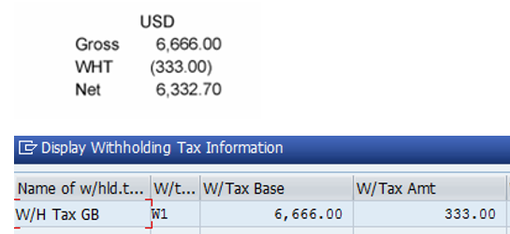 • If the vendor is not activate for WHT in process director, sent email to Global Tax Entry <Global.Tax.Entry@intel.com> request for WHT Code Activation. • Effective August 2015 Jordan country invoice is subject to WHT; WHT information will be quoted by site on the invoice as the following example
Billing address House Bank Lebanon CIT05
Jordan CIT20
Notes for Invoice processing | • If GL account belongs to COGS, pls follow below rules: GL144164: Out of scope. VAT code based on the Intel registration ID country. For example, invoice bill to LE420 but it registered as Ireland VAT ID, use out of scope Vat code for Ireland. GL 248312: Remove VAT tax code. post with total amount and Select house bank if invoices are billed to the representative office ----------->
Notes for Invoice processing | Types of Non PO (TIDE) related processing notes which required specific archiving of invoices to ensure VAT amounts are claimed: • Credit Revenue (CRA) TIDE (Non PO) - CRA request is submit via email to Non Po Rework processor / scanning team. - The NonPO file’s invoice number, date, LE, vendor name, currency, and amount have to match with payment request information in email. - Processor need to check the approved amount in email against NonPO file amount. - Not all CRA payment has invoices, some will attach contract or no supporting doc at all. We can accept payment request without invoice/supporting doc if there is no VAT charges in the NonPO file. - Ensure invoice available If payment subject to VAT (check approval email if there's 20% VAT amount), *usual VAT vendors are Shop Direct, John Levis, Tesco, Amazon and etc. - Ensure VAT amount for VAT invoice is in local currency (Based on supplier location). Request for revise copy of invoice if different currency. - Requestor will send all the necessary documents into a Zip file to gspo_ocr.invoice@intel.com. Scanning team will provide batch name to Non Po processor for posting and archiving.
Notes for Invoice processing | • Post Contract Management (PCM) TIDE (Non PO) - PCM request is submit via email to MSSC AP NONPO mailbox. - TIDE’s invoice number is the project number + milestone so it will not match with the invoice number. - Processor need to check the information in the payment summary that contains invoice number, actual invoice number, amount, vendor ID, and etc. to ensure match with the TIDE file. - Not all PCM payment has invoices, some will attach agreement as supporting doc and it is acceptable - Use Primo PDF to append the email, approval email, and other supporting document together. convert to PDF and save in OCR Archive Request folder for archive in InfoPac. - Insert LE, vendor ID, Process Director#, invoice#, and amount in PDF for OCR reference and archive correctly.
Notes for Invoice processing | • Vendor: 1000019377 Vistex (Non PO) - Non Po Rework processor and scanning team received invoices via email from requestor. - Vistec is US supplier but some invoices indicated 20% UK VAT imposed on invoice. Requestor will attach 3rd party invoices (inv required for VAT reclaim) that show VAT amount and we need to capture UK VAT with Tax code “UB”. - VAT amount in 3rd party invoice must match with Vistex VAT amount. Check with requestor if not match. - Ensure VAT amount of 3rd party invoice is in local currency (Based on supplier location) - Requestor will send all necessary documents into a zip file to gspo_ocr.invoice@intel.com and scanning team will provide the batch name for rework processor for posting and archiving as normal.
Notes for Invoice processing | NonPO CSAR submission for 0% VAT - no longer required CSAR Report for scanning and posting - Processing team allowed direct post from Readsoft when NonPO file landed Identifier: o Text (Header): Prefix with NVAT o Text (Line item): Prefix with CSAR
Notes for Invoice processing | • Vendor: 1000006935 Lenovo GmbH & 1000127642 Lenovo -accept and book invoices from Lenovo Germany quoting LE420’s GB VAT number or the Intel VAT number is blank for 0%, 16% and 19% VAT. -Invoices should be booked using the following tax codes – 0% GH, 16% 4X, 19% GA. Anything with 16% or 19% should not be booked as UK foreign VAT, tax code UD.
Notes for Invoice processing | Non EU country effective 1st Jan 2021 As part of the Brexit negotiations it has been agreed that Northern Ireland will be treated as an EU country for supplies of goods ONLY from other EU countries. Identifying Suppliers from NI: - Have the state ‘NIR’ in their vendor record - Have a postal code starting ‘BT’ Example vendors: Supplies from 1 January 2021: - Invoices / transactions to / from GB (exc NI) must be treated as transactions from a non-EU country. - Supplies of goods between the EU and NI are still considered EU transactions - For supplies of services between the EU and NI, NI is considered a non EU country, same as GB. - All transactions between GB & NI must be treated as local supplies - Invoices / transactions relating to supplies made prior to 1.1.21 should still be coded with the ‘pre-Brexit’ logic.
Notes for Invoice processing | CSAR Payment - 0% Tax: Post as out of scope
Notes for Invoice processing | LE420 Pay on behalf LE329 - Tax code - Foreign VAT if the supplier charged VAT

LE466 & 467, 323 (Poland)
Criteria | Compulsory |  | Exception/Remarks
INTEL Bill to name and INTEL Bill to address | LE466 | Intel Techonology Poland Sp. Z.o.o Address: ACCOUNTS PAYABLE ,UL Slowackiego 173, Gdansk 80-298, Poland | • Minor errors are acceptable – missing letters, minor spelling error (i.e. Corporation - Corptoration), including the LE country on the bill to name and words in wrong order • Allowed abbreviation: Techn for Techonology
INTEL Bill to name and INTEL Bill to address | LE467 | Intel Wroclaw Sp. z o.o. ATTN: ACCOUNTS PAYABLE UL Slowackiego 173 Gdansk 80-298 Poland | • Minor errors are acceptable – missing letters, minor spelling error (i.e. Corporation - Corptoration), including the LE country on the bill to name and words in wrong order
 | LE323 | Altera Semiconductor Technology Poland sp.z.o.o. Address: ACCOUNTS PAYABLE ,UL Slowackiego 173, Gdansk 80-298, Poland | • Minor errors are acceptable – missing letters, minor spelling error (i.e. Corporation - Corptoration), including the LE country on the bill to name and words in wrong order • Allowed abbreviation: Techn for Techonology
Intel VAt Reg# EU Local Non EU
VAT charged YES YES NO
No VAT Charged YES YES NO
INTEL VAT registration number | must be stated on the invoice: LE466 PL9570752316, 467 PL5273030304, LE323 PL 5273070290 following this decision matrix VAT in local language: PTU - Podatek od towarów i usług
Supplier VAT Reg# EU Switzerland Local Non EU &
Foreign
VAT charged YES YES YES NO
No VAT Charged NO NO NO NO
Supplier VAT registration number | must be stated on the invoice with the format of xxxxxxxxxx (10 characters) following this decision matrix:-
Invoice number | • Reference number input in SAP must 100% match with invoice (includes secial character). utilise text column if exceed SAP 16 digit limitation. -Less than 16 digits – Post invoice with reference includes special character (if have) **Important** special character must remain for all document inclusive credit note -More than 16 digits – insert reference number field with unique indentifier number inclusive special character and Must fill in complete invoice reference number in 'TEXT column' • University related payments from UNIWERSYTET WARSZAWSKI (ID: 1000066412) using a letter to represent an invoice is acceptable
Currency | Foreign Currency Invoice (Local Supplier) – Tax amount converted to PLN must be stated. Reject if not provided.
Bank Account number or Bank Account Holder Name | 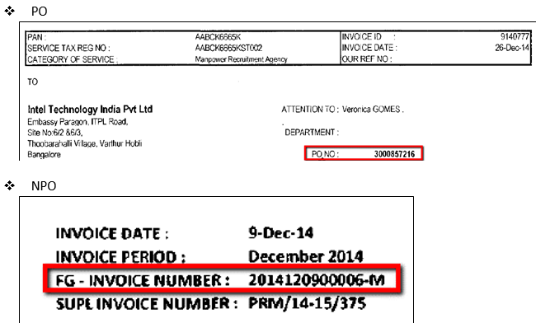 Exception to vendors: Continue to post even though the bank account number does not match with the account number captured on XK03 for these vendors.
Ksef Number | 32-digit Ksef number must be stated on the invoice. If an invoice does not have a KSeF number, one of the following mandatory tags must be used instead: 1)OFF – invoices issued in offline mode (e.g. offline24) and later transmitted to KSeF, but without an immediate KSeF number at the time of issuance. 2)BFK – invoices from suppliers who are outside the scope of mandatory KSeF, e.g. foreign suppliers without Polish VAT registration or other statutory exclusions. 3)DI – other sales documents accepted for VAT purposes but not issued via KSeF (e.g. fiscal receipts treated as simplified invoices, internal settlement documents).. other documents which are VAT related but not KSEF related such as: train, bus tickets, restaurant bills
 | Ariba Invoice copy without 32 digit -> check OFF/DI/BFK (3 code)-> without any one of the code -> suspend for resolution check with supplier -> supplier respond is OFF -> IR will send email to IP Team to update the codes -> IP Received from IR and update the code in Invoice Ref. Number to Process the invoice. Ariba Invoice copy without 32 digit -> check OFF/DI/BFK (3 code)-> without any one of the code -> suspend for resolution check with supplier -> supplier respond this invoice should have KSeF# -> resolution email/put a note this invoice should have KSeF# -> Reject the invoice. OCR Invoice copy without 32 digit -> check OFF/DI/BFK (3 code)-> without any one of the code -> suspend for resolution check with supplier -> supplier respond is OFF -> IR will send email to IP Team to update the codes -> IP Received from IR and update the code in Invoice Ref. Number to Process the invoice. OCR Invoice copy without 32 digit -> check OFF/DI/BFK (3 code)-> without any one of the code -> suspend for resolution check with supplier -> supplier respond this invoice should have KSeF# -> send email to Invoice Processor should have KSeF# -> Reject the invoice.
Notes for Invoice processings | 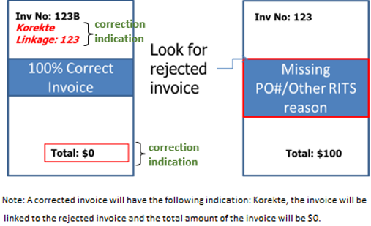 • Some vendor may be provide 'correction invoice' (korekte linkage) that referred to an invoice that possibly was rejected. How to process?: Retrieve both rejected and “Korekte” invoice, request scanning team to rescan. Post invoices archive both the documents together.
Notes for Invoice processings | 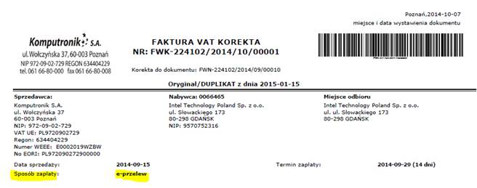 • Some supplier will sent their statement for invoices paid by other than AP payment method. Please archive if invoice stated “SPOSOB ZAPLATY: E-PRZELEW”, means “WAY OF PAYMENT: E-PAYMENT” paid by credit card. Example supplier, Komputronik S.A. (ID: 1000015344)
Notes for Invoice processings | • Tips to reading difficult invoice format - Note of correction can be booked into SAP ONLY if we have an invoice (that note of correction relates to) booked into the system - Note of correction can be on ‘’+’’ or on ‘’-‘’ - Various things can be corrected via note of correction – not always it is an amount. - If there is any correction invoice, and the offset invoice has been rejected, processor would need to double check on the rejection reason, before archiving the correction invoice. Reason: Supplier may want to correct invoice amount/calculation, in this case, the correction invoice should be posted instead of archived. -What data can be found on note of correction? Number and date of a document (invoice) that needs correction (line highlighted in yellow)
Notes for Invoice processings | Items before correction (line highlighted in yellow) Reason of correction Money owed to Intel Items after correction (line highlighted in yellow) Amount to be paid to vendor
Notes for Invoice processings | 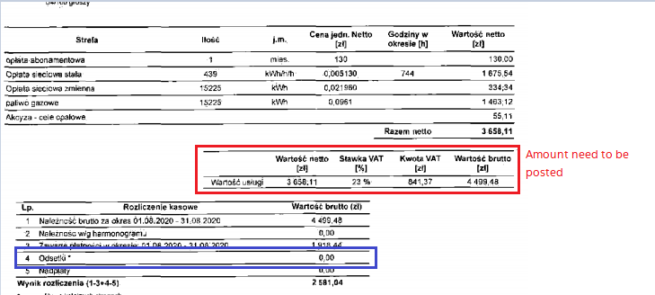 For Electricity Supplier: 1000139375 Fortum Marketing and Sales Polska S - Should only post the current charges and ignore any amount/ credit in the below table (Refer the example) except Interest = Odsetki |  | Example:
Notes for Invoice processings | Local Vendor • Invoice With VAT amount = select payment method ‘A’ • Invoice without VAT amount = select payment method ‘T’ • Supplier 1000023909 Gustaffson, invoice must be posted with payment method 'T'
Notes for Invoice processings | 1000028665 Orange Polska S.A. - Post the current charges
Notes for Invoice processings | 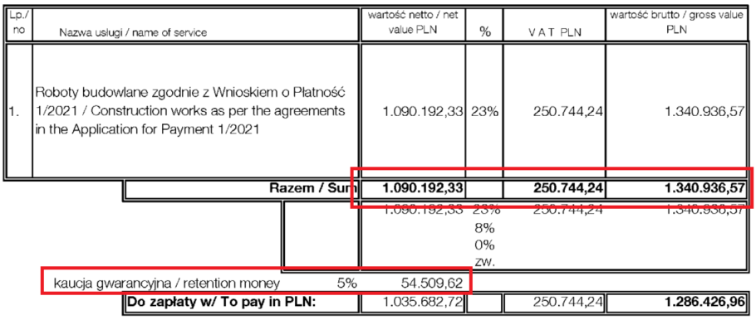 Special handling - 1000119688 Hochtief Polska S.A. (Construction PO) • Invoice will be attached together with WBS allocation - Processor required to follow the WBS accordingly • No WBS - suspend the invoice (POC: Ifrah, Yana) Invoice with Retention Money (Credit) • Separate into 2 posting (Debit & Credit + add CM the reference number) • Payment method - Both "A" if the invoice with taxes • Link both transaction
Notes for Invoice processings | How to read corrective/ correction Invoices PRZED KOREKTA – means initial invoice amount PO KOREKCIE – means the amount that should be paid to supplier in final The difference is a corrective invoice amount that should be posted (Original invoice must be posted then only this rule can be applied: • if “PO KOREKCIE” amount is less than “PRZED KOREKTA” – difference should be posted with amount “in minus”. • If “PO KOREKCIE” amount is more than “PRZED KOREKTA” – difference should be posted with amount “in plus”.
Notes for Invoice processings | Donation - Payment Request doc is acceptable Deposit Payment - Contract/ Payment demand letter/ Deposit letter is acceptable
Notes for Invoice processings | No discount is allowed for polish local supplier - Please suspend and request the PO requestor to change the PO term If such invoice will be posted, need to ask supplier for corrective invoice so the amount posted will be the same as amount paid.
Notes for Invoice processings | Foreign Supplier with local VAT ID treatment. E.g. 1000055818 Mobica Limited • If the supplier is charging with foreign currency, please treat as local VAT and pay in PLZ. • If the supplier is chargging with local currency + polish VAT, please treat as local VAT • Please make sure the payment term is not discounted term, If discount - please suspend! • Payment method - U

LE470, LE313 (Czech Republic)
Criteria | Compulsory |  | Exception/Remarks
INTEL Bill to name and INTEL Bill to address | • LE470 Intel Czech Tradings Inc • LE313 Altera Semiconductor Technology Czech Republic s.r.o. ATTN: ACCOUNTS PAYABLE, 2 New Bailey, 6 Stanley Street Salford, Greater Manchester M3 5GS United Kingdom |  | Minor errors are acceptable – punctuations, missing letters, minor spelling error(i.e. Corporation - Corptoration), including the LE country on the bill to name and words in wrong order
INTEL VAT registration number | 470 - CZ 60165898 313 - CZ17367565 |  | not required, VAT in local language: DPH - Daň z přidané hodnoty
Supplier VAT Reg# EU Switzerland Local Non EU &
Foreign
VAT charged YES YES YES NO
No VAT Charged NO NO NO NO
Supplier VAT registration number | must be stated on the invoice with the format of DIC: CZxxxxxxxx following this decision matrix:-

LE474, 324 (Romania)
Criteria | Compulsory |  | Exception/Remarks
INTEL Bill to name and INTEL Bill to address | Intel Software Development S.R.L Address: ATTN: ACCOUNTS PAYABLE, Str.Aristide Demetriade nr 1, UBC 1 Building, Etaj 7 & 8, Timisoara TM 300088, Romania |  | Minor errors are acceptable – punctuations, missing letters, minor spelling error(i.e. Corporation - Corptoration), including the LE country on the bill to name and words in wrong order
 | Altera Semiconductor Technology Romania S.R.L. Address: ATTN: ACCOUNTS PAYABLE, Str.Aristide Demetriade nr 1, UBC 1 Building, Etaj 7 & 8, Timisoara TM 300088, Romania |  | Minor errors are acceptable – punctuations, missing letters, minor spelling error(i.e. Corporation - Corptoration), including the LE country on the bill to name and words in wrong order
Intel VAt Reg# EU Local Non EU
VAT charged YES YES NO
No VAT Charged YES YES NO
INTEL VAT registration number | must be stated on the invoice: LE474 RO27555127, LE324 WIP following this decision matrix:- |  | not required when there is no VAT charge for payments related to donation/sponsorship
Supplier VAT Reg# EU Switzerland Local Non EU &
Foreign
VAT charged YES YES YES NO
No VAT Charged NO NO NO NO
Supplier VAT registration number | must be stated on the invoice with the format of e.g.: RO 99 99 99 99 (8 – 10 characters) following this decision matrix:- |  | not required when there is no VAT charge for payments related to donation/sponsorship for all suppliers
Currency | LEI currency is equivalent to RON currency, please process LEI currency as normal
VAT Code | • Reject invoices that do not state the VAT% (rate) as this a legal requirement for LE474
E-Invoice Exception | Please refer to the tax code matrix - GITS Comm Code Mapping Refer to ROMANIA column and Filter OOS & E |  | Normal invoice is acceptable if listed in the exception commodity code

LE543 (Austria)
Criteria | Compulsory |  | Exception/Remarks
INTEL Bill to name and INTEL Bill to address | LE543 | • Intel Austria Gmbh Intel Austria GesmbH Address: ATTN: ACCOUNTS PAYABLE Europastrasse 8, Bldg. T02 Villach 9524, AUSTRIA | • Minor errors are acceptable – punctuations, missing letters, minor spelling error(i.e. Corporation - Corptoration), including the LE country on the bill to name and words in wrong order • Gmbh= Gesellschaft mit beschränkter Haftung
INTEL VAT registration number |  |  | not required. if stated, should reflect LE543 ATU66088716/ LE544 ATU66119737. VAT in local language: Umsatzsteuer (USt) or Mehrwertsteuer (MwSt)
Supplier VAT Reg# EU Switzerland Local Non EU &
Foreign
VAT charged YES YES YES NO
No VAT Charged NO NO NO NO
Supplier VAT Reg# EU Switzerland Local Non EU &
Foreign
VAT charged YES YES YES NO
No VAT Charged NO NO NO NO
Supplier VAT registration number | must be stated on the invoice with the format of : ATU xxx xxx xx (8 characters) following this decision matrix:- |  | not required when there is no VAT charge for payments related to donation/sponsorship
VAT Code | •VAT amount charged must be shown in Local currency Euros (Net value can be in any currency)
Notes for Invoice processing | • Calculate net amount manually for invoice without net amount. [Amount / (100+ tax%)] *100 • Import VAT in Austria known as EUSt-alt or EUSt-neu, this should be book with import VAT tax code in Tax Matrix

LE571 (Turkey)
Criteria | Compulsory |  | Exception/Remarks
INTEL Bill to name and INTEL Bill to address | • Intel Teknoloji Hizmetleri Limited Sirketi Intel Teknoloji Hiz LTD STI Address: Physical Address: Hakki Yeten Cad, Selenium Planza No:10 I Kat: 5-6 34349 Fulya Besiktas, Office 612-B Istanbul |  | • Allowed Abbreviations: "Ltd" , "Tek" (Teknologi) and “Hiz” • Minor errors are acceptable – punctuations, missing letters, minor spelling error(i.e. Corporation - Corptoration), including the LE country on the bill to name and words in wrong order
Intel VAt Reg# EU Local Non EU
VAT charged NO YES NO
No VAT Charged NO YES NO
INTEL VAT registration number | must be stated on the invoice: 4780528189 [VAT in local language: KDV - Katma değer vergisi] following this decision matrix:-
Supplier VAT Reg# EU Switzerland Local Non EU &
Foreign
VAT charged YES YES YES NO
No VAT Charged NO NO NO NO
Supplier VAT registration number | must be stated on the invoice with the format of xxxxxxxxxx (10 characters) following this decision matrix:-
Currency | • Invoice with 2 currencies (local & foreign) which detail/calculation of amount could be in local and a note for total amount in foreign currency after exchange rate – follow transaction history and compare with PO currency before proceed. • Alternative currency code for Turkey, TRY= TL (Turkish Lira)
Notes for Invoice processings | 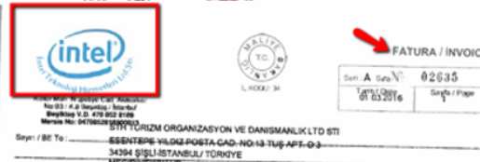 • PO in local language is “Siparis No.” • Ministry logo (see below) must be present on all paper invoices from Turkish suppliers (except donation, insurance or medical related payments) Turkey supplier is not allowed to issue credit note Intel Turkey (PWC) will issue the credit note on behalf of Intel • “return invoice” document, processors to post as credit memo. -----> Easier way to identify “return invoice” is Intel logo on top left of document
Notes for Invoice processings | 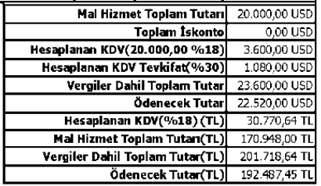 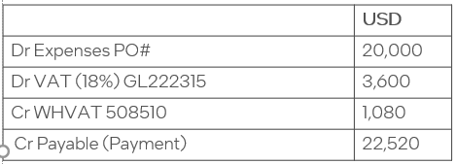 WHVAT - (Reverse VAT) - Commercial advertisement services & private security services are subject to WHVAT (Reverse Charge) - The WHVAT will be stated in the invoice as per below: STEPS • Processor post with recoverable tax code (follow GETS tool) and only charge the service fee to the PO • Create additional dummy credit for the Withhold VAT (GL#508510 Cost Center#39067) • Please link both transaction Example:

LE600, LE620, LE625 & LE640, 609 (Israel)
Criteria | Compulsory |  | Exception/Remarks
INTEL Bill to name and INTEL Bill to address | LE600 Intel Electronics Limited LE620 Intel Israel (74) Ltd LE625 Intel Mobile Communication Israel LE640 Intel Semiconductors Ltd LE609 Altera Semiconductor Technology Israel Limited |  | • Intel bill to name must be stated on the invoice > required validation. • Minor difference, acceptable (refer to each LE for details)
 | P.O.box 70 Qiryat Gat 82109 |  | Need to be stated but no validation is required
INTEL VAT registration number | LE600 VAT registration number 510854433 LE620 VAT registration number 510682867 LE625 VAT registration number 512910902 LE640 VAT registration number 510789316 LE609 VAT registration number 516557998 |  | Intel VAT ID required to be added in to invoice by supplier under Intel bill to name based on LE menationed - required
Supplier VAT registration number | Must be stated on invoice for Local suppliers (10 characters) |  | must be stated - required
Currency | Local Supplier - ILS ONLY
Invoice allocation number | All invoices for local supplier with invoice amount (excluding VAT) exceeding threshold as stated below must state the invoice allocation number (last 9 digit) |  | The invoice allocation number need to be populated at the field "Invoice Ref. Number" field in SAP - Others tab (Need to manually enter for NonPO (If not available during nonPO submission)/ Echeck).
Invoice allocation number | For invoice submit through Intel suppliers' portal (Web Invoice) - supplier needs to add the invoice allocation number in the field called "invoice allocation number #" field as follows
Invoice allocation number | 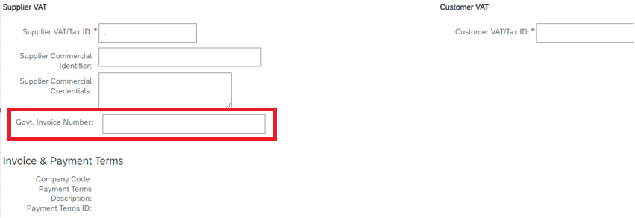 For invoice submit through Ariba system - Supplier needs to add the invoice allocation number in the field called ""Govt Invoice Number” as follows:
Invoice allocation number | NonPO Template NPO submitter to insert IRN at ‘Header Description’ field in templates (invoice/credit)
Invoice allocation number | 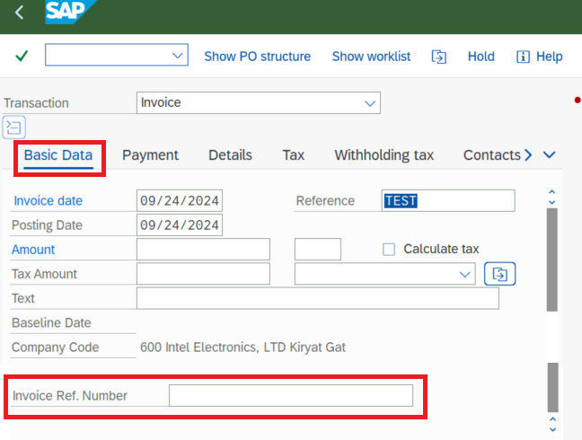 Manual Invoice Create – KR, KG, RN Processor need to insert invoice allocation number at ‘Invoice Ref. Number’ field in MIRO (invoice/credit) If there is no invoice allocation number inputted at the 'Invoice Ref. Number' field, system will auto map "Text Field" to IRN field. If there is text inputted in "Text Field", processor need to use t-code EDOC_IL_IRN_UPDATE to removed the mapped text.
Invoice allocation number | 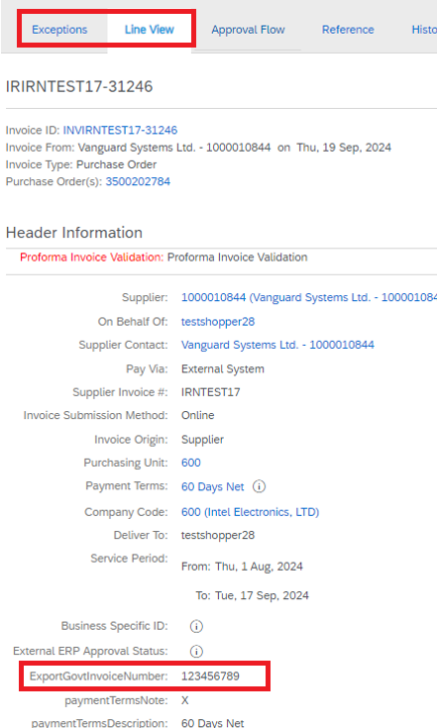 Ariba B&I – Profoma Validation Queue
Invoice allocation number | 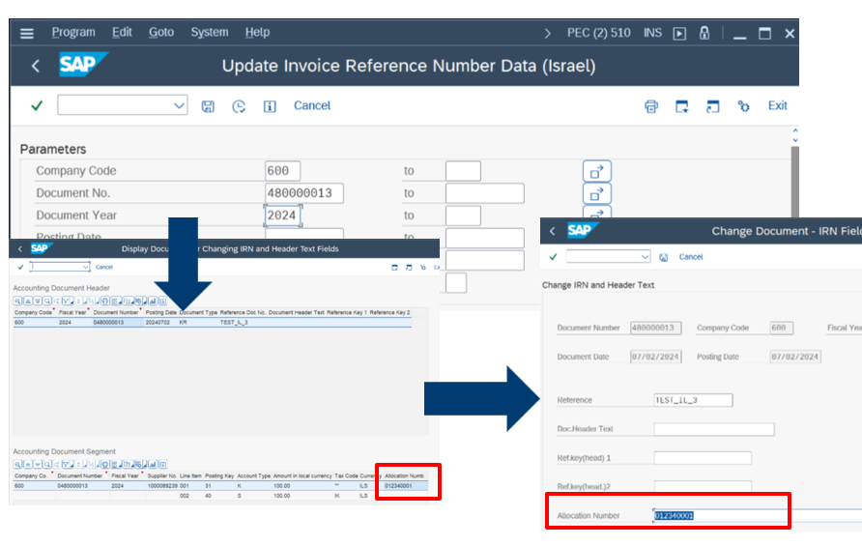 Edit invoice allocation number Transaction - SAP tcode: EDOC_IL_IRN_UPDATE
VAT Code | Tax Code Driver - I1 & GITS will auto determined the correct tax code. If invoice tax value ≠ GITS tax value - Processor to validate the invoice VAT % against Tax Code listing/Tax Matrix to confirm the right tax code and overrides to correct tax code |  | Tax Code Matrix
SAP Business Network - Proforma Invoice Validation | Only perform validation for invoices >5K ILS . Processor can directly approve invoice below 5K

LE327 (Cayman Island)
Criteria | Compulsory |  | Exception/Remarks
INTEL Bill to name and INTEL Bill to address | LE327 – Grange Newco LLC - LE will be used for investment gain payment to Apollo |  | Minor errors are acceptable – punctuations, missing letters, minor spelling error(i.e. Corporation - Corptoration), including the LE country on the bill to name and words in wrong order
Supplier info | 1000471018 AP Grange Holdings, LLC (As is vendor only) |  | No other vendors/partners are expected to be used for this LE
VAT & WHT | No tax code & WHT applicable |  | Manually remove the tax code in readsoft as it is mandatory field in NPO template

GER MidEast_Africa_Ireland
LE421 & LE457 (UAE- United Arab Emirates)
Criteria | Compulsory |  | Exception/Remarks
INTEL Bill to name and Intel Bill to Address | LE421 - INTEL CORPORATION (UK) LTD DUBAI BRANCH LE457 - INTEL RESEARCH AND DEVELOPMENT UK LIMITED – DUBAI BRANCH Address ATTN: ACCOUNTS PAYABLE, Dubai Internet City-Office 207, Building No. 5, 2nd Floor, PO Box 500032 Dubai, Unit.Arab Emir. |  | Allowed Exceptions:- • Abbreviation allowed for “Corp”, “Ltd”, “DXB”= Dubai, “BR”= Branch • Minor errors acceptable – missing letters, punctuations, minor spelling error (i.e. Corporation - Corptoration), including the LE country on the bill to name and words in wrong order • Incomplete Intel Bill to Name for supplier DEPARTMENT OF PORTS AND CUSTOMS (ID: 1000016436) for custom payment is acceptable • Missing "Dubai Branch" is acceptable however bill to address must be dubai
Notes for Invoice Processing | Remove withholding tax from MIRO (withholding column) as all invoices have no WHT charge
FX Rate | Local Supplier with USD currency invoices USD Forex Exchange must be exactly as the UAE Central Banks Rate - Currently, AED is Pegged Against USD at 3.6725, Hence, the FX rate stated in the invoice must be 3.6725

LE456 (Saudi Arabia) -Hardcopy invoice required
Criteria | Compulsory |  | Exception/Remarks
INTEL Bill to name | • INTEL CORPORATION (UK) LTD SAUDI ARABIA BRANCH • Intel Corporation (UK) Ltd. (Saudi Branch) • Intel Corporation (UK) Ltd. KSA • Intel Corporation (UK) Ltd. Saudi • Intel Corporation (UK) Ltd Address ATTN: ACCOUNTS PAYABLE, Southbound King Fahad Highway, Tatweer Towers 1 North Level 4, Riyadh 11312, 246761 Saudi Arabia |  | • Abbreviation allowed for “Corp” and “Ltd” • Minor errors are acceptable – missing letters, minor spelling error (i.e. Corporation - Corptoration), including the LE country on the bill to name and words in wrong order
Intel VAT Number | Must be stated for Local - 300000549900003
Supplier VAT Number | Must be stated for Local - 15 Digits. E.g. 300055952200003
Currency | Local currency SAR
Withholding Tax (WHT) | • Foreign supplier are subject to WHT and all Invoice must have WHT handwritten information on invoice. Suspend invoice if WHT information is missing. * WHT reconcilation is not perform by C&R for this LE due to the amount lower than treshold/immeterial ~40K. Must emphasise processor to ensure all foreign invoice are with WHT information. • Remove the WHT code & amount from W/holding tax column for invoices without WHT: • DHL - WHT exempted (WHT Tax advanced payment applied)
Notes for Invoice Processing | Required info for local invoice • VAT rate, •VAT amount •Invoice Gross total (inclusive VAT)
Notes for Invoice Processing | 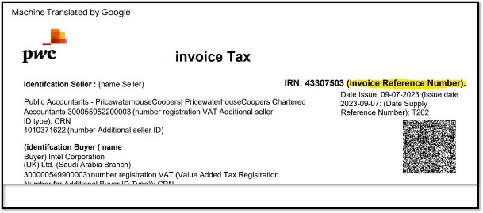 PWC Invoices - The invoice number is invoice reference number instead of reference date supply reference number

LE664 & LE665 (Egypt)
Criteria | Compulsory |  | Exception/Remarks
INTEL Bill to name | LE664 | INTEL MOBILE COMMUNICATIONS EGYPT LLC | • Allowed abbreviations: “IMC” • E-invoice - with/ without LLC is acceptable
 | LE665 | INTEL CORPORATION EGYPT LLC Address for both LE ATTN: ACCOUNTS PAYABLE, 47 Office Building, Section 1 City Centre Office No. 449 Cairo New Cairo Egypt | • Allowed abbreviation: “Corp” • E-invoice - with/ without LLC is acceptable • Minor errors acceptable – punctuations, missing letters, minor spelling error(i.e. Corporation - Corptoration), including the LE country on the bill to name and words in wrong order
Intel VAT Number | 232896445
Supplier VAT Reg# Local EU Non EU
VAT charged YES NO NO
No VAT Charged NO NO NO
Supplier VAT | Must be stated on invoice with the format of xxx-xxx-xxx (9 digits) (e.g 123-456-789) follow below decision matrix.
Currency | Exchange Rate is not required if the supplier is charging in foreign currency |  | Another term for Egyptian pound (EGP) is LE/L.E (livre égyptienne)
Withholding Tax (WHT) | • If invoice subject to WHT : WHT information will be quoted by site finance on invoice. (handwritten or type) Example; • Remove the WHT code & amount from W/holding tax column for invoices without WHT:
Withholding Tax (WHT) | Reject invoices if suppliers quote WHT information instead of VAT information on invoices. “Processor can return it with RITS code 32: Please quote VAT information instead of WHT information”. Example:
Notes for Invoice Processing | Vendor 1000083525 Egypt Post Citibank required this '*Ekrami Farag Mohamed/Karim Mahmoud Ibrahim' details for cheque collection control at bank. Please Insert in 'text field' to avoid payment rejection.
Notes for Invoice Processing | 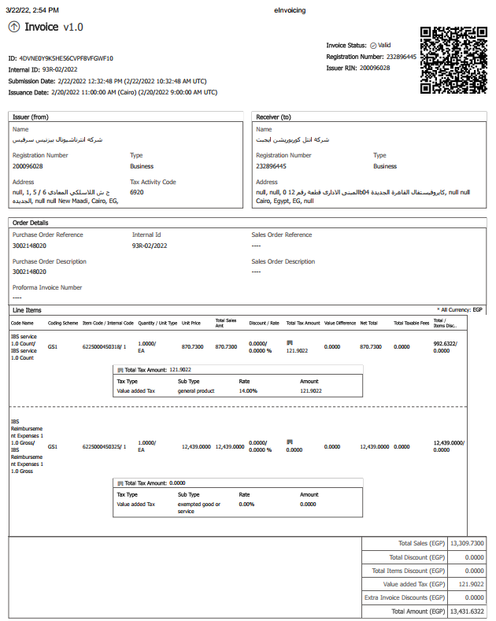 SDK Egypt Digital Invoices - Local Supplier Effective Feb 15 2022 - Digital Invoice is required for Local Supplier • Reject non Digital Invoices

LE462 (Kenya)
Criteria | Compulsory |  | Exception/Remarks
INTEL Bill to name and INTEL Bill to address | • Intel Corporation (UK) Limited • Intel Corporation (UK) Ltd (Kenya Branch) • Intel Corporation (UK) Ltd Address: ATTN: ACCOUNTS PAYABLE, 1302, Delta Corner Tower 2 Oracle tower, 13th floor, 00800, Nairobi, Kenya |  | • Allowed abbreviation: “Corp” and “Ltd” • Incomplete bill to name is acceptable for ORANGE TELKOM (ID: 1000076764) for telephone payments • Minor errors are acceptable – missing letters, minor spelling error (i.e. Corporation - Corptoration), including the LE country on the bill to name and words in wrong order
Intel VAT registration number |  |  | not required. However if stated; it should reflect: 0114330R
Intel Buyer PIN | P051233207M |  | Must be stated
Supplier VAT Reg# EU Switzerland Local Non EU &
Foreign
VAT charged YES YES YES NO
No VAT Charged NO NO NO NO
Supplier PIN number or a valid VAT ID | must be stated on the invoice following this decision matrix:- [Note: For local vendors, Electronic Tax Register (ETR) is required with a special secure fiscal device as a string of numbers on the invoice as illustrated under the notes for posting invoices]
Currency | invoice with KES currency • Payment amount fractions must be in multiples of 0.05 KES. In another words, the net amount must be able to equally divided by 5 and rounded up as per example below. Refer to below illustration for detailed explanation: - 1,2,3,4,5: round up to x.x5 ( Example: 174.41 KES= 174.45) - 6,7,8,9 : round up to x.x0 (Example: 174.66 KES= 174.70) Amount posted should be the 'inv gross amount + rounding amount' - if this is not fulfilled, payment is not able to be made/payment rejection - The local finance site will place a handwritten “rounded” amount on the invoice for this currency. - If both the above is not present, work with the local finance site to ensure the “rounded” amount is captured (rescan if necessary) before posting. Refer to the following illustration:-
 | 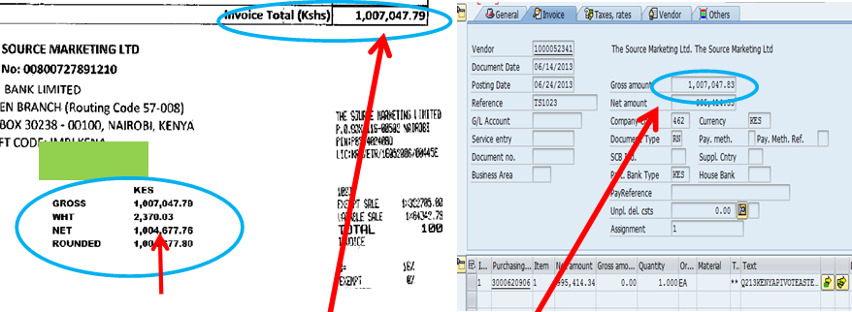 Net amount after WHT deduction =1004,677.76, it should round up to 0.00 which is 1004677.80 after added 0.04. Total amount to post in to system =1007047.79 (which is invoice total amount) + .004 =1007047.83
Withholding Tax (WHT): | 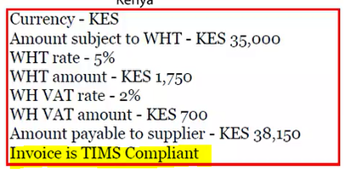 • If invoice subject to WHT, WHT information will be indicated on invoice by the site finance; Remove WHT code & amount from W/holding tax column for invoices without WHT: --> WHT refund process • WHVAT: Processor required to post additional transaction to GL247400 Invoice - Create CM Credit note - Create DM • “invoice is TIMS compliant" - PWC will indicate the wording along with the WHT calculation. Pls suspend and request accounting team to confirm with PWC
Notes for Invoice Processing | 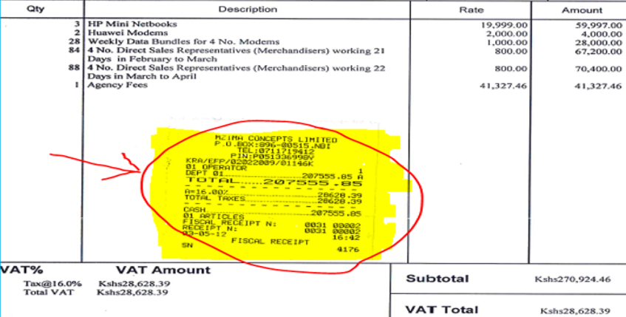 • Unique identification number of 'Electronic Tax Register' (ETR), printer or special secure fiscal device for record signing only apply to local vendor with VAT charge only. *(The ETR compliant invoice is a requirement where VAT has been charged and Intel has an intention of claiming the input VAT incurred). Example of ETR --> example of a special secure fiscal device --------> (appears as a string of numbers on an invoice)

LE500, LE508, LE318 (Ireland)
Criteria | Compulsory |  | Exception/Remarks
INTEL Bill to name and INTEL Bill to address | LE500 | Intel Ireland Limited | • Allowed abbreviations “R & D” and “Ltd” • Minor errors are acceptable – punctuations, missing letters, minor spelling error(i.e. Corporation - Corptoration), including the LE country on the bill to name and words in wrong order
 | LE508 | Intel Research & Development Ireland Limited Address for all LE: ATTN: ACCOUNTS PAYABLE, P.O. Box 58 Collinstown Industrial Park, Leixlip IRELAND
 | LE318 | Altera Semiconductor Technology Ireland Ltd
INTEL VAT Registration number | LE500 | Not required for both LE. However if stated should reflect: 6545810F
 | LE508 | 6328263O
 | LE318 | 4322902CH
Supplier VAT Reg# EU Switzerland Local Non EU &
Foreign
VAT charged YES YES YES NO
No VAT Charged NO NO NO NO
Supplier VAT registration number | must be stated on the invoice with the format of (1234567X or 1X23456X) (8 characters) following this decision matrix:-
VAT Code | • Refer to tax matrix for categories valid for exemptions (Tax Code: IE1). If VAT is charged for these categories, reject the invoice (RITS reason:- “RITS 25 – Quoted VAT charges are not applicable. Please resubmit revised invoice without VAT charges in accordance to the exemptions provided in the 56B certificate”) and request for resubmission. • During rejection, RITS processor need to attach the exemption form together with RITS letter during invoice return • However, 56B VAT exemption form is not compulsory for supplier to attach together during their invoice re-submission |  | 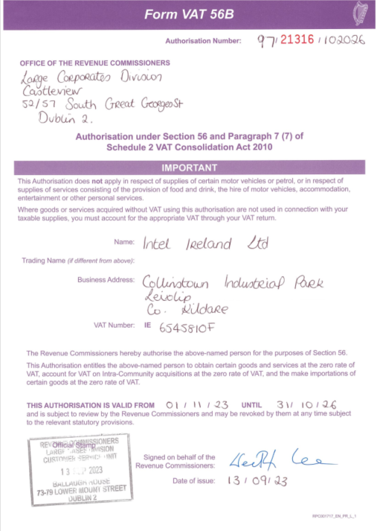 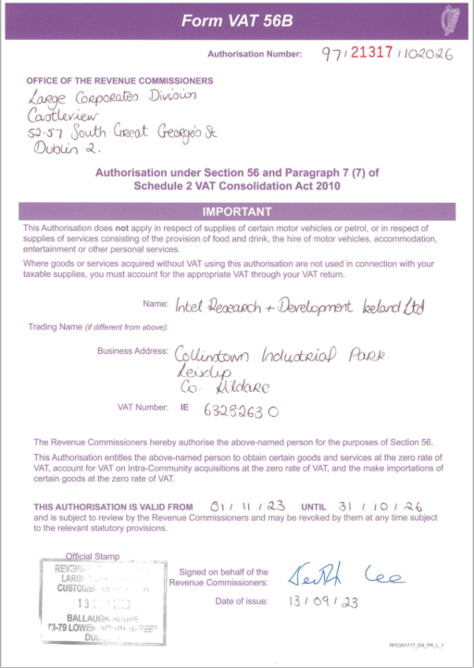

LE530 (South Africa) Softcopy invoice acceptable
Criteria | Compulsory |  | Exception/Remarks
INTEL Bill to name and INTEL Bill to address | Intel South Africa Corporation Address: ATTN: ACCOUNTS PAYABLE, Design Quarter, Leslie Road Fourways Office No. 265 Johannesburg 2191 South Africa |  | • Allowed abbreviations “Corp” • Minor errors are acceptable – punctuations, missing letters, minor spelling error(i.e. Corporation - Corptoration), including the LE country on the bill to name and words in wrong order
Intel VAt Reg# EU Local Non EU
VAT charged NO YES NO
No VAT Charged NO YES NO
Intel VAT registration number | must be stated on the invoice: 4920153121 [VAT in local language: VAT – Value Added Tax] following this decision matrix:-
Supplier VAT Reg# EU Switzerland Local Non EU &
Foreign
VAT charged YES YES YES NO
No VAT Charged NO NO NO NO
Supplier VAT registration number | must be stated on the invoice with the format of xxxxxxxxxx (10 characters) following this decision matrix :
VAT Code | • If South African VAT has been charged, invoice amount must be in ZAR currency
Scenario 14% 15% Exception Action required (IP)
Invoice date prior Accept Reject Accept 15% -if Date of supply
to 04/01/18 1st Apr'18 or later (utilities adv)
_____ input tax ID in text field
Invoice date Reject Accept Accept 14% - if date of supply
04/01/2018 or later priorr to 1st Apr'18 (e.g inv date
2nd Apr but service completed in Mar
Notes for Invoice processings | • Proforma invoices are not acceptable • Supplier invoices require “Tax Invoice” stated on the invoice. • Processor required to place foreign currency information at process director note as per below format; BOP:<space> xxxxx (there should be 5 digits) – Refer to Reference#16 for 5 digit application. Please state the bank information/name on the SAP description to avoid payment rejection: • South Africa VAT amended from 14% to 15% with effective 04/01/2018.
 | 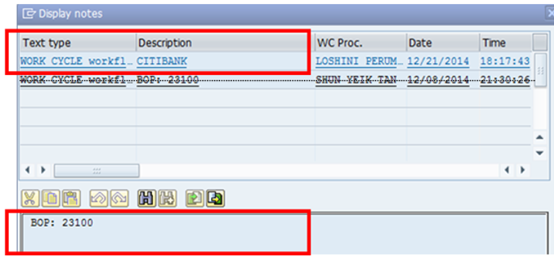 • AP will REJECT any local vendors billing in foreign currency without SARB (South African Reserve Bank) approval attached. • If SARB approval available, the BOP code needs to be entered in the processor director note. Use a BOP code if there is a historical BOP code based on history. However, in the absence of an old BOP code, refer to LE530 BOP code\5 digits code.doc to use a new BOP code. • This is to avoid payment rejection by the bank due to not able to receive or view this special code at Citibank system
 | BOP Link: \MSSC AP Handbook\AP reference\LE530 BOP code

LE538 (Nigeria)
Criteria | Compulsory |  | Exception/Remarks
INTEL Bill to name and INTEL Bill to address | • Intel Semiconductor West Africa Ltd Intel Semiconductor West Africa Limited Address: ATTN: ACCOUNTS PAYABLE, Mulliner Towers 39 Alfred Rewane Road, Ikoyi Lagos, Nigeria +2348075307485 |  | • Abbreviation allowed for “Ltd” • Minor errors are acceptable – missing letters, minor spelling error (i.e. Corporation - Corptoration), including the LE country on the bill to name and words in wrong order
Intel VAT registration number |  |  | • Not required. If stated should reflect VIV10002635733.
Supplier VAT registration number |  |  | • Not required. If stated should reflect: Nigeria Tax Numbers format : xxx 999 999 9999 (13 characters, first three are letters)
Currency | Local currency MAD=DHS
VAT Code |  |  | • Intel does not have a VAT registration number for Nigeria, hence sales tax are not recoverable.
Withholding Tax | • Below WHT format will be attached together with invoice that are subject to a WHT. Suspend invoice without WHT format. Processor need to validate to identify the percentage. WHT Should be deducted before VAT. • Remove WHT code and amount from W/holding tax column for invoices without WHT Multiple WHT Code: E.g. 5% + 10% Select either 5% or 10% code then processor need to sum both WHT amount and add to the WHT amoun in the cockpit

GAR
LE650, LE704 (Japan)
Criteria | Compulsory |  | Exception/Remarks
INTEL Bill to Name and Bill to Address | LE650 | Intel Kabushiki Kaisha Intel (株) Intel K.K. インテル(株) インテル株式会社 Address : Marunouchi Eiraku Building 25F, 1-4-1 Marunouchi, Chiyoda-ku, Tokyo 100-0005 Japan Old Address: Can be accepted but need to request the supplier to change the address for future invoices Kokusai Bldg. 5F, 3-1-1 Marunouchi, Chiyoda-Ku, Tokyo 100-0005 Japan | Bill to Address - that with or without “To” behind Tokyo is both acceptable
INTEL Bill to Name and Bill to Address | LE704 | Altera Semiconductor Technology Japan GK Address : Marunouchi Eiraku Building 25F, 1-4-1 Marunouchi, Chiyoda-ku, Tokyo 100-0005 Japan Old Address: Can be accepted but need to request the supplier to change the address for future invoices Kokusai Bldg. 5F, 3-1-1 Marunouchi, Chiyoda-Ku, Tokyo 100-0005 Japan | Bill to Address - that with or without “To” behind Tokyo is both acceptable
Invoice number | Invoice number in Japanese language 请求書 納品書件請求 御请求書 |  | Dummy invoice number can be created if there is no invoice number referenced on the invoice
VAT Code | Tax Code Driver - I1 & GITS will auto determined the correct tax code. If invoice tax value ≠ GITS tax value - Processor to validate the invoice VAT % against Tax Code listing/Tax Matrix to confirm the right tax code and overrides to correct tax code |  | Tax Code Matrix
VAT Code | Below expenses still ratained 8% if the supplier did not indicate % Food and beverage - exclude eating-out, catering, alcohol Newspaper subscription |  | • For NonPO Rebates & Revenue Business Group invoices: GL account 248313, 121155, 121158, 121160, 121161 post transaction with tax code VB.
Tax Amount Issue | Invoice Tax Amount Discrepancy. e.g, rounding issue - Can be accepted For Ariba Invoice - tax amount variance within 10 JPY is acceptable
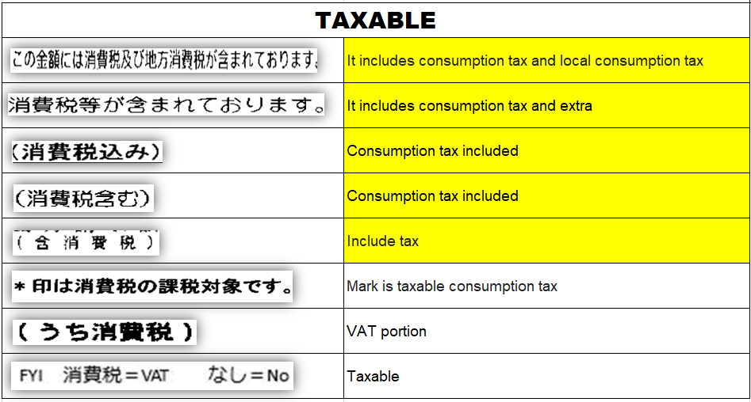 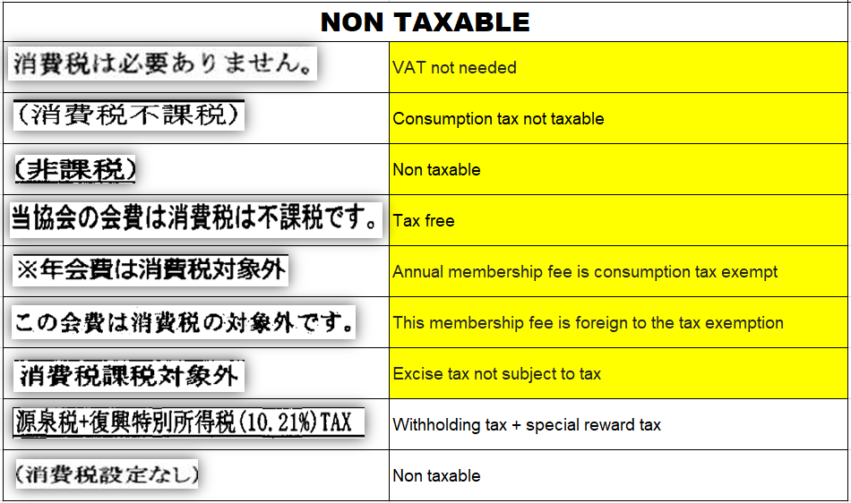 *Additonal guideline to translate Japanese language and determine if invoice with VAT charges:
Supplier Registration Number | Supplier registered as JCT Payer (local supplier) • Compulsory to state the reg number. Format: T + 13 Digits Notes: • If the supplier mentioned they are not registered, but did mention the 13 digits of the reg number, please proceed with the I4 tax code (Please double check in tax matrix). • If the supplier mentioned they are not registered and without the 13 digits of the reg number, please suspend and connect with Regional Liaison. Below is the criteria for accepting/ rejecting invoice:
Exception Supplier - Without QIS number | Subcontract act in the criteria to accept all their invoices regardless of whether the registration number is present or not. The 4 suppliers are actually registered with T-13 digit registration number. If there is JCT indicated on the invoice but without registration number indicated on the invoice, please proceed with the I4 tax code (Please double check in tax matrix).
Transaction Date | Local supplier with VAT charges - Compulsory to state in the invoice (different from invoice date (date when the invoice was created)
Tax Summary | Local supplier - Compulsory to state the tax amount is in JPY (if the transaction is done in non-JPY currency only). Year, month, day is preferred, Year/Month or a range of period is acceptable.
Invoice with Withholding charge: | • 源泉税= withholding charges, apply WHT code if the 3 chinese characters are found on the invoice. • W3 for for PO invoice which stated withholding charge during posting. -Invoice amount >1M, use 20.42% to do WHT tax amount calculation -Invoice amount <1M, use 10.21% to do WHT tax amount calculation • W3 for legal fees (Non PO invoice) W/H Tax-Progress (10.21% 1M&20.42% >1M)
Total Amount | JPY currency, decimal point NOT Allowed
Bank Account number or Bank Account Holder Name | Account number must match with SAP. If bank account number NOT Availabe, account holder name validation is required
Notes For Invoice Processing | • Commercial invoice is NOT acceptable • Security deposits that hit GL199103, exclude cost center and tax code
Notes For Invoice Processing | • Vendor: 1000019377 Vistex (Non PO) - Non Po Rework processor and scanning team received invoices via email from requestor. - Vistex is US supplier but some invoices indicated 10% JP VAT imposed on invoice. Requestor will attach 3rd party invoices (inv required for VAT reclaim) that show VAT amount and we need to capture JP VAT with Tax code “V6”. - VAT amount in 3rd party invoice must match with Vistex VAT amount. Check with requestor if not match. The posting should refer to the Vistex invoice while the VAT invoice from customer only acts as the supporting document. The mismatch is mainly due to the system rounding up from Vistex. Hence no amendment is needed. - Ensure VAT amount of 3rd party invoice is in local currency (Based on supplier location) - Requestor will send all necessary documents into a zip file to gspo_ocr.invoice@intel.com and scanning team will provide the batch name for rework processor for posting and archiving as normal.
Notes for Invoice processing | NonPO CSAR submission for 0% VAT - no longer required CSAR Report for scanning and posting - Processing team allowed direct post from Readsoft when NonPO file landed Identifier: o Text (Header): Prefix with NVAT o Text (Line item): Prefix with CSAR

LE763 & LE766 (Vietnam) all local supplier is mandatory to submit E-invoice format
Criteria | Compulsory |  | Exception/Remarks
INTEL Bill to Name and Bill to Address | LE763 | • Intel Products Vietnam Co., Ltd. Intel Products (Vietnam) Company Limited Cong TY TNHH Intel Products Vietnam Attn: Accounts Payable Lot I2,D1 Road, Saigon Hi-Tech Park, Tang Nhon Phu Ward, Ho Chi Minh City 70000 Vietnam | Abbreviation allowed for “Co. Ltd”
 | LE766 | • Intel Vietnam Company Ltd Intel (Vietnam) Company Limited Cong TY TNHH Intel Vietnam Physical & Address on invoice ATTN: ACCOUNTS PAYABLE Floor 6-7,Me Linh Point Tower No2 Ngo Duc Ke St,Sai Gon Ward Ho Chi Minh City 70000 Vietnam Bill to Address (to deliver invoice) Option 1 (Admin in 766 will send back to 763's address): ATTN: ACCOUNTS PAYABLE Floor 6-7,Me Linh Point Tower No2 Ngo Duc Ke St,Sai Gon Ward Ho Chi Minh City 70000 Vietnam Option 2: Lot I2,D1 Road, Saigon Hi-Tech Park, Tang Nhon Phu Ward, Ho Chi Minh City 70000 Vietnam
Intel VAT registration number | LE763 | Local vendor mã số thuế (tax code) 0304295429 (10 digit serial numbers) for company and 13 digit serial numbers for branch
Intel VAT registration number | LE766 | Local vendor mã số thuế (tax code) 0310516242 (10 digit serial numbers) for company and 13 digit serial numbers for branch
Invoice number & date | • Vendor 1000059140 QUY DAU TU MAO HIEM CNC9 • Vendor 1000609384 Branch of Hochiminh City Power Corp -electricity bill, post invoice with dummy invoice number as this is a very sensitive supplier.
 | • Local supplier that register invoice number with Vietnam Tax Department - Invoice number registed by volume and will be reset each time new volume requested by supplier. Intel may receive duplicate invoice which can only differentiate by serial number. For example, invoice volume registered 500 for each serial number SS/18T & AP/18T, invoice number will begin from 0000001 to 0000500 for both and repeated. If duplicate invoice received from same vendor in same fiscal year, please check/validate serial number; - duplicate invoice#, different serial number --> Post invoice - duplicate invoice#, same serial number --> Reject invoice sample duplicate inv with different serial#
Currency | Local vendor VN only can bill in Vietnam Dong (VND) currency. Foreign currency not acceptable except request by site AP. |  | allowed to invoice in USD currency for goods PO. Processor must check commodity code to ensure goods before posting.
USD Currency - Exception for local vendor | 1000147773 INVENTORY MANAGEMENT SOLUTIONS COMP (DSV) – LE763 1000145963 An Duong Science Technological Equi – LE763
VAT Code | Tax Code Driver - I1 & GITS will auto determined the correct tax code. If invoice tax value ≠ GITS tax value - Processor to validate the invoice VAT % against Tax Code listing/Tax Matrix to confirm the right tax code and overrides to correct tax code |  | Tax Code Matrix
Total Amount | • decimal point NOT allowed for VND currency. • Vietnam symbol specialty: Decimal = “,” Thousand = “.” Example : one thousand will be written as 1.000
E-Invoice Requirement | The details on the E-invoice will be the as follow details. - QR code is not mandatory. - Certified Code is mandatory part of the E-invoice requirement. - The E-invoice format will have the digital signature.
 | 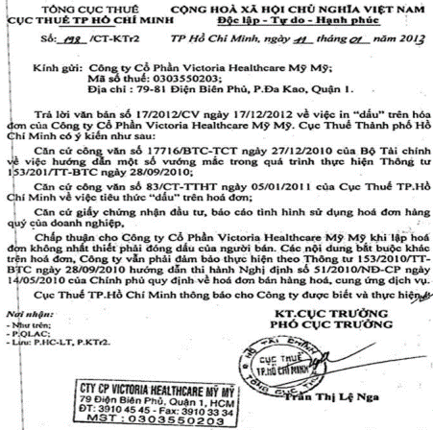 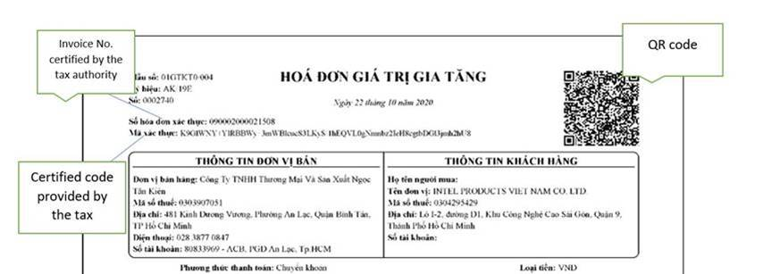 example of the exception from the tax department:- E-invoice Format & E-invoice with digital signature. company stamp not required.
Invoice with Withholding charge | • WHT is for Foreign vendor only. WHT code will be auto determination and assign by SAP BRF -Business Rules Framework (based on PO type / details), no checking and manual handling required except for capital PO that route to error queue. • Suspend Invoice with error msg 'WHT: Manual Handling req’d for CAPITAL ITEM', rework team will request Tax BA to obtain guidance from GTT
A. PO with ONLY 1 kind of nature: Apply appropriate tax rate based on the nature (*)
• Goods shipped to IPV's factory under DDP, DDU, DAT, DAP or CIP 1%
• Goods under DDU Tan Son Nhat Airport and other than stated above (FCA,CIF, FOB, EXW) 0%
• Services performed in Vietnam (i.e. maintenance, commissioning, onshore training,
onshore repair, etc) and online training 5%
*if unable to identify service location please select 5%. GTT will do verification,
0% will not appear in GTT report)
• Services performed outside of Viet Nam 0%
• Transportation services in Vietnam 2%
• Software 10%
B. PO with different kinds of naures & Total PO value is SEPARATED for each nature: Apply appropriate tax rate for each nature
• Goods shipped to IPV's factory regardless of incoterms 1%
• Services performed in Vietnam (i.e. maintenance, commissioning, onshore training,
onshore repair, etc) and online training 5%
• Transportation services in Vietnam 2%
• Software 10%
 | General Guidance to Define WHT specifically for Capital PO that auto route to error queue
Notes for processing invoices | • Vendor 1000059140 QUY DAU TU MAO HIEM CNC9 (Electricity bill) - Payment 'MUST' be received by vendor within five days from invoice date (inclusive Saturday ,Sunday & Public holidays) - Must post and perform ad hoc payment immediately with the earliest value date, do not allow it to be captured in normal payment run. - Approval has been received from VN GT to process this payment without XML and e-invoice first because they are only available after payment. Requestor is responsible to retrieve and follow up receipts from supplier after the payment and email it to gspo_ocr.invoice@intel.com with the email title mentioning “Archive” with Original invoice number provided. • Accept VAT invoice only for Local vendors, self-created invoice not acceptable.
Notes for processing invoices | Invoice Type: E-Invoice Do not reject e-invoice if found the invoice information is not meeting the criterial. All need to be send to suspend queue to work on resolutions.
Notes for processing invoices | Proforma Invoice - Can be accepted for Voucher Purchase and Insurance - E.g. PO#3002027836
Notes for processing invoices | • All insurance billing will be in Debit Note and without VAT charges • All insurance payment can be processed and paid without Intel VAT registration number • Supplier must send though hardcopy to local VN site (unless submitted via e-Invoice)
Notes for processing invoices | 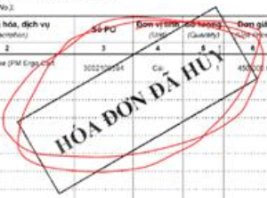 Invalid Invoice - Invoice copies should not have any stamp “HOA DON DA HUY” or “ Da HUY” mentioned on the invoice. - When there is a stamp on the invoice it is consider as invalid invoice. PLEASE SUSPEND
Notes for processing invoices |    Form 04 - For Cancellation/ Adjustment LE763 Supplier is not mandatory to submit form 04 for LE763 when we reject the invoice. The only changes is following details:- - Cancellation minutes will be change to Form 04 - Duplicate invoice will be rejected instead of thrash LE766 Supplier is mandatory to submit form 04 for LE766 when we reject the invoice. The only changes is following details:- - Cancellation minutes will be change to Form 04 - Duplicate invoice will be rejected instead of thrash Example of Form 04
Notes for processing invoices | 1000132055 DAYONE JOINT STOCK COMPANY - E-invoice is not required - Receipt is acceptable under VN tax regulation
Notes for processing invoices | 1000124528 FUJI CAC JOINT STOCK COMPANY - FIFO method for 590s POs - Not required to follow the SOV to process the invoice and the credit memo anymore. - Processor are allow to hit the line item by FIFO method (First In First Out) - Similar to method for blanket POs
Notes for processing invoices |  1000124975 BAN QUAN LY CAC DU AN DAU TU -, Ho Chi Minh - Invoice without XML & E-Invoice is acceptable for "environmental protection fee" and “Land Maintenance and Wastewater treatment fee” ONLY - Approval has been received from VN GT to process this payment with the following document format. Requestor is responsible to retrieve and follow up receipts from supplier after the payment and email it to gspo_ocr.invoice@intel.com with the email title mentioning “Archive” with Original invoice number provided. 1000124975
Notes for processing invoices | ARIBA Double Tax Issue - Processor to submit on behalf

LE745,750,755,870, 754 (Malaysia) DO NOT accept 'Commercial Invoice'
Criteria | Compulsory |  | Exception/Remarks
INTEL Bill to Name and Bill to Address | LE745 | Intel Products (M) Sdn Bhd | Abbreviation allowed for “Sdn Bhd” or S/B
 | LE750 | Intel Technology Sdn Bhd
 | LE870 | Intel Electronics (Malaysia) Sdn Bhd
 | LE754 | Altera Semiconductor Technology (M) Sdn. Bhd.
 | LE755 | Intel Microelectronics (M) Sdn Bhd Address for all LE: c/o Intel Microelectronics (M) SDN BHD(KM2) Lot 10-12, Jalan Hi-Tech 2/3, Kulim Hi-Tech Park 09090 Kulim Kedah Malaysia
Intel SST registration number: |  |  | N/A. Intel located in Special Area, not registered for SST
Supplier SST registration number: | Must have Sales or Service Tax Identification Number of Registered Manufacturer or Service Provider
Intel TINnumber: | Intel Products (M) Sdn. Bhd.- C 5891602040 Intel Technology Sdn Bhd - C 886750100 Intel Microelectronics (M) Sdn Bhd - C 5874944060 Intel Electronics (Malaysia) Sdn Bhd - C 6861697100 Altera Semiconductor Technology (M) Sdn. Bhd. - C21276513020 |  | Validation Required for local E-invoice
Currency | SST invoice must be in local currency MYR except below list of supplier + LE
Foreign Currency Exception Supplier | 10/20/2025 - Total = 39 Suppliers 1. 1000009975 Flextronics Technology Penang Sdn Bhd - LE745, 750, *754, USD (*Pending Treasury to set up new bank account) 2. 1000146403 Lam Research International Sdn Bhd - LE 870, USD 3. 1000004087 Amphenol TCS (M) Sdn Bhd - LE745, 750, 755, USD 4. 1000026864 Omron Electronic Components Sdn Bhd - LE745,750 - USD 5. 1000002107 Exyte Malaysia Sdn Bhd - 870 USD, EUR, SGD 6. 1000006430 3M Malaysia Sdn Bhd - 745, 755, 750, 870 USD 7. 1000000981 GUH Circuit Industry (Pg) Sdn Bhd - 750, USD 8. 1000151018 Winchester Interconnect (M) Sdn Bhd - 745, USD 9. 1000146945 Fluor Daniel International (Malaysia) Sdn Bhd - 750 - USD 10. 1000009861 Quasi-S Sdn Bhd - 745, 750, 870 - USD 11. 1000150341 KLA-Tencor (Malaysia) Sdn Bhd - 745, 750, 755, 870 -USD 12. 1000016228 Applied Materials South East Asia Pte Ltd - 745, 750, 755, 870 - USD 13. 1000052990 Murata Electronics (Malaysia) Sdn Bhd - 745 - USD 14. 1000001840 Linde Malaysia Sdn Bhd - 870 - USD 15. 1000063237 UST Global (Malaysia) S/B - 745, 750, 755, 870 - USD 16. 1000152459 Versum Materials Malaysia Sdn Bhd - 870 - USD 17. 1000011120 Prent (Malaysia) Sdn Bhd - 745, 750, 755, 870 - USD 18. 1000075214 DSV Inventory Management Solutions Sdn Bhd - 745, 750, 755, 870 - USD 19. 1000129102 Air Liquide Malaysia Sdn Bhd - 870, 750 - USD 20. 1000153112 Rinchem Logistics Malaysia Sdn Bhd - 870 - USD 21. 1000152646 DuPont Specialty Products Malaysia Sdn Bhd. - 870 - USD 22. 1000153180 BASF (Malaysia) Sdn Bhd - 870 - USD 23. 1000006013 Chiptronics (M) Sdn Bhd - 870 - USD 24. 1000152230 Tokyo Electron (Malaysia) Sdn Bhd - 745, 750, 755, 870 - USD 25. 1000153688 Hitachi High-Tech IPC (Malaysia) Sdn Bhd - 745, 750, 755, 870 - USD 26. 1000153303 Nikon Precision Malaysia Sdn Bhd - 750, 870 - USD 27. 1000089357 Electro Rent Sdn Bhd - 745, 755 - USD 28. 1000058577 Dooitlah Sdn Bhd - 745, 750, 755, 870 - USD 29. 1000010595 AMOVE Resources Sdn Bhd - 755, 750 - USD 30. 1000119079 Tes
VAT Code | Tax Code Driver - I1 & GITS will auto determined the correct tax code. If invoice tax value ≠ GITS tax value - Processor to validate the invoice VAT % against Tax Code listing/Tax Matrix to confirm the right tax code and overrides to correct tax code |  | Tax Code Matrix
VAT Code | •Malaysia Digital Service Tax Code 6% : JH - Invoice must stated Registration number of supplier(FRP) - Suspend invoice without registration number (FRP) and request for a 'letter of exemption' written by Director General of Royal Malaysia Custom from supplier. - Reject invoice if letter of exemption not available
VAT Code | Service tax rate will be increased from 6% to 8% wef 3/1/24 for MY LEs. This is applicable to all the taxable services except for food and beverage, telecommunication services, vehicle parking space services and logistic services which will still remain at 6%.
Withholding Tax | WHT Determination: • SAP BRF automation - No Action Required
Notes For Invoice Processing | • Sales and service tax cannot be issued in the same invoice. • Please refer to the SST % in the invoice to determine the tax code.
Notes For Invoice Processing |   • For utilities invoices, if amount to be paid is clearly circled/highlighte/indicated on the invoice copy, processor must ensure that the invoice is posted with the circled/highlighte/indicated amount. Only when it is not circled/highlighte/indicated, processor need to use the current charges 'Bil Semasa/Caj Semasa' and exclude the arrears.
Notes for Invoice Processing (consignment invoice) |  Only for LE745 consignment invoice (R4) is auto-generated by the system. Supplier is required to have intel account document number stated on their supplier invoice. Follow the invoice validation criteria below before Validation criteria (supplier invoice vs Readsoft auto generated invoice (R4)) i. Bill to name ii. Supplier name iii. 8xxx series account document number iv. Amount v. Currency Next Step in SAP i. Change reference number to supplier invoice number ii. Change the baseline date to term start date iii. Release A block and save Example of invoice
Credit Memo Requirement | *If the original invoice is available in the Intel system, then enter the original invoice number “XXXXX” in the text field. *If the original invoice is unavailable in the Intel system (there are no information to relate back to the original invoice posting), then enter “Ori Inv N/A” in the text field (add semicolon if other notes need to be stated as well. E.g., NonPO credit. Example notes - Ori Inv N/A; Testing
Notes For Invoice Processing | Infosys - Acceptable with Infosys India vendor address

LE760,761,765, 738 (Hong Kong)
Criteria | Compulsory |  | Exception/Remarks
INTEL Bill to name | LE760 | Intel Semiconductor (US) LLC | name must 100% match
 | LE761 | Intel Asia Holding Ltd Chinese bill to name: 英特尔亚洲控股有限公司
 | LE765 | Intel Semiconductor Ltd Address for all LE: c/o Intel Microelectronics (M) SDN BHD(KM2) Lot 10-12, Jalan Hi-Tech 2/3, Kulim Hi-Tech Park 09090 Kulim Kedah Malaysia.
 | LE738 | Altera Semiconductor Technology Hong Kong Limited
Currency | LE761 LE765 LE738 | • RMB currency not allowed (Not superdisti LE)
 | LE760 | • CNY(RMB) Payment requirement - English Account Holder Name - Additional Instruction key to populate payment purpose - Cross Boarder payment method • Brief Guidance for RMB Part Bank Selection - Only refer Payment history/transaction posting in FBL1N - Choose Part Bank with ENGLISH account holder name - Check if bank account number for CNY & USD or CNY & CNY is same. - Refer to below Scenario for example.
Currency | Scenario 1 - LE760 Same Bank Account number USD & CNY > Choose USD part bank
 | Scenario 2 - LE760 Different Bank Account number USD & CNY > Check with supplier or refer to the payment history in FBL1N
Currency | Scenario 3 - LE760 Same Bank Account Number and Curency > Choose CNY1
Currency | Scenario 4 - LE760 Different Bank Account Number USD & 2 CNY > Choose CNY1 Reason why need to choose CNY1 - The compilation on beneficiary bank side unable to accept if paid to USD part bank (System issue in Citidirect which combine beneficiary bank name + benificiary address)
Currency | Scenario 5 - LE760 Different Bank Account number 2 USD & CNY > Check with supplier or refer to the payment history in FBL1N
VAT Code | Tax Code Driver - I1 & GITS will auto determined the correct tax code. If invoice tax value ≠ GITS tax value - Processor to validate the invoice VAT % against Tax Code listing/Tax Matrix to confirm the right tax code and overrides to correct tax code |  | Tax Code Matrix

LE724, LE725, LE764, LE778, LE776, LE888, LE891, 926, 702 People's Republic of China (PRC)
Criteria | Compulsory |  | Exception/Remarks
INTEL Bill to name and Bill To Address | LE724 | Intel Semiconductor (Dalian) Ltd 英特尔半导体(大连)有限公司 Physical address: No. 109 Huaihe Road East Dalian Economic & Technology Development Area Dalian, Liao Ning Province, CHINA 116600 | • Bill to name must 100% match. Abbreviation, typo error & incomplete bill to name are not acceptable • Bill to address validation not required. • Bill to name should be in Chinese for VAT invoice
INTEL Bill to name and Bill To Address | LE725 | Intel China Research Center Ltd 英特尔(中国)研究中心有限公司 •Physical address: 8F Tower A, Raycom Infotech Park, No.2 KeXueYuan Nan Lu, ZhongGuanCun Beijing, Beijing, CHINA 100080 • Physical address (Chinese): 北京市海淀区科学院南路2号融科资讯中心A座8层010-8217 1000 | • Bill to name must 100% match. Abbreviation, typo error & incomplete bill to name are not acceptable • Bill to address required validation for local currency Special VAT Invoice (增值税专用发票) only **Incorrect phone number is acceptable, blank phone number is NOT acceptable**
 | LE764 | Intel APAC R&D Ltd •Intel Asia-Pacific Research & Development Ltd 英特尔亚太研发有限公司 • Intel APAC R&D LTD (short form name) • Intel APAC Research & Development Ltd (short form) • Physical address: No. 880 Zi Xing Road, Zizhu Science Park Shanghai, Shanghai, CHINA 201109 • Physical address (Chinese): 上海市闵行区紫竹科学园区紫星路880号021-6116 5000
INTEL Bill to name and Bill To Address | LE776 | Intel (China) Ltd 英特尔(中国)有限公司 Physical address: 2/F, No.751 Zi Ri Road, Zizhu Science Park Shanghai, Shanghai, CHINA 200241 Physical address (Chinese): 上海市闵行区紫竹科学园区紫日路751号2层 021-61165000 | • Bill to name must 100% match. Abbreviation, typo error & incomplete bill to name are not acceptable •Bill to address required validation for local currency Special VAT Invoice (增值税专用发票) only **Incorrect phone number is acceptable, blank phone number is NOT acceptable**
INTEL Bill to name and Bill To Address | LE778 | Intel Products (Chengdu) Ltd 英特尔产品(成都)有限公司 • Physical address: No. 8-1, Kexin Road, Chengdu High-Tech Zone, Chengdu, Sichuan, CHINA 611731 | • Bill to name must 100% match. Abbreviation, typo error & incomplete bill to name are not acceptable • Bill to address validation not required.
INTEL Bill to name and Bill To Address | LE702 | Intel Integrated Circuit (Hainan) Ltd 英特尔集成电路（海南）有限公司 Physical address (Chinese): 海南省三亚市吉阳区迎宾路 360-1 号阳光金融广场 910/901 室
INTEL Bill to name and Bill To Address | LE888 | Intel Trading (Shanghai) Co. Ltd 英特尔贸易(上海)有限公司 • Physical address: Room 317, Floor 3, No. 2 Taizhong South Road, China (Shanghai) Pilot Free Trade Zone • Physical address (Chinese): 中国（上海）自由贸易试验区台中南路2号三层317室
INTEL Bill to name and Bill To Address | LE891 | Intel Mobile Communications Technology (Shanghai) Ltd 英特尔移动通信技术(上海)有限公司 • Physical address: Building 5, Phase IV Incubation Building, No. 14-16, Lane 647, Song Tao Road, China (Shanghai) Pilot Free Trade Zone • Physical address (Chinese): 中国（上海）自由贸易试验区松涛路647弄14-16号四期孵化楼5号楼 | • Bill to name need 100% match. Abbreviation, typo error & incomplete bill to name are not acceptable • Bill to address required validation for local currency Special VAT Invoice (增值税专用发票) only **Incorrect phone number is acceptable, blank phone number is NOT acceptable**
INTEL Bill to name and Bill To Address | LE926 | Intel Semiconductor Storage Technology (Dalian) Ltd. 英特尔半导体存储技术（大连）有限公司 Registered address (Chinese） 辽宁省大连经济技术开发区淮河东路 109-2 号 101 室 0411-3923 2090 | • Bill to name must 100% match. Abbreviation, typo error & incomplete bill to name are not acceptable • Intel Bank Account should be same as the information listed in the RMB invoice policy. while separator marks (e.g. ；/ or blank space) are acceptable. • Bill to address validation not required. • Address&Tel should be recognizable & reachable, like address must contain “大连”+”淮河东路109-2号101室” for LE926 which is the shortest address for mail delivering. Besides, Separator marks (e.g. ；/ or blank space) are acceptable. • Bill to name should be in Chinese for VAT invoice
Must be stated on invoice
LE724 91210200787321704D
LE725 91110108761401095K
LE764 310112765951641 (old - not acceptable) & 913100007659516415 (new)
LE776 310112607289904 (not acceptable) &
91310000607289904Y
LE778 91510100752809830T
LE888 913100006073880990
LE891 310115566547072 (not acceptable) or 91310115566547072Y LE926 91210213MA116PH25W
Intel VAT registration number | • Must correct for all Normal VAT invoice(普通发票) for posting if incorrect or blank: Reject invoice |  | • Exception to post with blank Intel VAT ID for Normal invoice which do not have “纳税人识别号” field Local Curency requirement: - (增值税专用发票) must stated on Special VAT Invoice -Intel registered bank name & number (开户银行和账号) are required on Special VAT invoice (增值税专用发票 only) • 中国工商银行股份有限公司北京国贸大厦支行（725 账号#0200041609020144725）,（764 账号#1001192309016237556）, (776 账号#1001279909016299977)
Supplier’s name | Local Currency Supplier’s name in Chinese Han Yu Pin Ying（汉语拼音） must match with system to ensure we pay to the right supplier |  | Foreign Currency Supplier’s name must match with bank account to ensure we pay to the right supplier (Abbreviation for supplier name, missing “Ltd” or “Inc” is accepted)
Invoice number |  • General treatment: -发票号码 = Invoice number in local language. -No invoice number provided will be returned -No special characters in the invoice# for RMB. - Both invoice number must be visible (invoice code must be displayed with table) - Refer below example • Local Vendor No Need CDS: Ensure that two invoice number on the invoice are the same (发票号码 & 机打号码) if there is机打号码
Invoice date | • For Local Currency -开票日期= Invoice date in local language. -PRC chop date will be the invoice date (Non PO)
PO number | Must have, Reject/Return Invoice without PO number.
Currency | • RMB invoice format must only quote RMB currency (Applicable for eCheck and TIDE) • USD invoice format must only quote USD currency (Applicable for eCheck and TIDE ) -Allowed exception: NIKON (Supplier ID: 1000010303) is allowed to quote RMB currency for a USD invoice format. • Only foreign vendor can bill with foreign currency • NonPO process only support RMB payment. (Except vendor: Aetna Life and Santa Fe)
Normal VAT Invoice (增值税普通发票) and Normal Invoice Special VAT Invoice (增值税专用发票)
> No VAT charge. Tax code = I0 > Tax code = I0
> Below normal VAT invoice can be accepted: > must have 2 attachment which is 发票联and 抵扣联
-with 0 or 3 % VAT, > LE764 – CPLG issue eCR with invoice amount charge to LE764
-issued for passanger transportation, Loan, Catering & daily and RMB0.01 charged to LE766 for approval purpose. Below
resident & entertainment services by suppliers stated in suppliers have exception for invoice to be posted with invoice
'Exception Vendor list for normal VAT invoice' file saved in amount + RMB0.01 as reclaimable VAT:
\\Vmspfsfssh10\vat_operation\Daily Operation\Invoice error -1000061779 SCHENKER CHINA LTD
-1000014925 NNR GLOBAL LOGISTICS SHANGHAI CO., Ltd
-1000015076 LIAN BANG KUAI DI ZHONG GUO YOU -1000029531 YOUBISU BAOGUO
VAT Code | • For local currency only. Foreign currency no VAT (use I0)
 VAT Code | Note 1: no 1% non-recoverable tax code, pls use I9 instead. Note 2: C7&C8 is inactive. Please use I0 to post import VAT slip.
LE Remarks Tax code _______
778 only accept normal VAT invoice I9
896
__________________________
725 accept normal and special VAT I9
891 )_________________________
764 accept normal and special VAT
888 Normal invoice I9
724
884 916
917 918 926
__________________________
776 accept normal and special VAT
Normal invoice I9
Special VAT -recoverable tax code
(with stamp)
-Non-recoverable tax code
__________________________
All foreign invoice (NO VAT) I0
VAT Code |  Summary:
Note 1: for partial recoverable entities, AP needs to verifies each invoice based on recoverable cost center from PRC Acct. Refer to backup-sample 1.
Note 2: 702, as a newly established company, was added into “Non-recoverable” list.
Note 3: 884, as a deregistered company, was removed from “full recoverable” list.
4
VAT Code Decision Flow- PRC Invoice Posting with right code | 
Withholding Tax (WHT) | For Foreign Currency Foreign Vendor Pending WHT (Services) only: Required Documentation; > Invoice must attach together with Services Letter (V2013 or V2014). - Hard copy invoice (If supplier never submit web invoice) - Supplier submit web invoice must use attachment functionality and attach service letter together with web invoice > Resident proof is needed if vendor needs to apply CIT exemption (R&R will validate this)
Withholding Tax (WHT) |  > Passport required if meet below requirement in service letter: -item 4 : Service Occurrence Location is stated in China (PRC). -item 5 : Service Provider is choose A (our company which issued invoice) or D (our other non-PRC affiliated company) or E (others). -tem 6 : have foreign personnel participating the service in China. Name list and duration period in China. If no foreign personnel, must shown “0” -The passport must have the “in and out” custom stamp and “personal information”
Withholding Tax (WHT) | > Resident proof/passport is not needed for supplier in the list: -Offshore Service or PE Triggered Vendors -\\VMSPFSFSPG10\Massc_MSSC_AP\AP\Issue Resolution File\PRC\PRC WHT from Chloe (file summary of PE and offshore service vendors) > Service Letter must have; -supplier's contact person signature -contact person name -company chop or company name
Withholding Tax (WHT) | • Received service letter only (R5) Supplier submitted web invoice and sent service letter without attach Intel web invoice, thus we need to; -Validate the service letter info against web invoice (reject if not match) -Service letter information matched with the web invoice.

Withholding Tax (WHT) | • After validation of documentation Put “wording” in Text Column – in process director or FBL1N level (posted to ECC) -Pending WHT document = pending supplier service letter -Pending WHT cert = pending PRC provide WHT slip Log posted invoice information into WHT service file : \\vmspfsfspg10\MASSC_MSSC_AP\AP\Issue Resolution File\PRC, file -'Service invoices for PRC entities 2019 ' \\VMSPFSFSPG10\Massc_MSSC_AP\AP\Issue Resolution File\PRC\ (file service invoices for PRC entities)
Withholding Tax (WHT) |  • Web supplier have to attach service letter when submit web invoice. If received Paper/Web invoice attach with Service Letter, check PO and REJECT if delivery address in China. - If attachment do not have service letter. Reject invoice at process director level for supplier to resubmit. - foreign personnel performing service column must be filled if service Perform in China. If no foreign personnel, vendor should fill “0”. |  | Exception for WHT • Vendor Bloomberg LP, -DID NOT submit Service Letter but it still NEED to log into WHT Service file & go thru WHT process • Vendor CCIC - NEED to log into WHT Service file. But SAP text column only put WHT instead of Pending WHT Cert, release payment block ‘S’for invoice below than 50K USD - remove all WHT before hit post. • Vendor Aetna Life And Casualty Bermuda Ltd - DID NOT submit Service Letter & NO NEED to log into WHT Service file. SAP text column only put Relocation Service
Withholding Tax (WHT) | BRF not applicable to Capital invoices • Some LE724 invoice will land into Read soft with below error message “WHT: Manual handling req’d for INOICES WITH LUP SUMS (CAP. CATEG=MT)” as it require manual handling which can’t use BRF rule for auto WHT code selection. Processor shall perform action required below based on the WHT Matrix to determine the correct WHT code applied
Withholding Tax (WHT) | 
Withholding Tax (WHT) | Effective March 31,2025 - Reconfiguring the Tax GL posting to occur upon payment, thereby eliminating the need to cancel and repost PRC WHT entries The WHT accounting entry is captured only when a payment transaction is initiated. This allows the operations team to directly modify the WHT tax code in SAP FB02 without needing to cancel and repost the invoice
Bank Account number or Bank Account Holder Name | • Matching of bank account holder name is a must and mandatory • Suspend invoice If bank account holder name is mismatch with SAP • validate bank account no for vendors with multiple part bank. |  | • Vendor ID 1000015076 LIAN BANG KUAI DI ZHONG GUO YOU XIA - account holder name mismatch “LIAN BANG KUAI DI ZHONG GUO YOU XIAN GONG SI” is Acceptable.
Company Stamp | • ensure visible and clear Required for: - Local Vendor No Need CDS - Local Vendor Pending CDS • If there is a 代开发票then the chop must be a 代开专用章
Notes for Invoice Processing | • "Pay With Invoice Form” process: Suspend invoice for rework processor to clarify with Site AP/processor when Invoice already posted in SAP (duplicate check show matching invoice number, vendor ID, Document date, Gross amount and Legal Entity) BUT -“Pay Without Invoice Form” in OCR has different information (eg, PO number is different) - Do not reject/ thrash/ archive because sometimes original posting has wrong PO number. • Invoice tax rate 3% and 0% we can accept 普通发票 • Proforma Invoice issued by Local Supplier can be accepted, follow below steps: - Place “A” block after posting into SAP - Insert “RMB proforma inv” wordings in short text area in SAP • Must have PO GR tick.
Notes for Invoice Processing |  • For Capital PO (prefix4960xxxxxx), must always match the WBS number in the PO to ensure post to correct PO line item.
Notes for Invoice Processing | For Local Currency • Invoice must have 发票监制章 (PRC Tax Bureau Stamp Chop) • only accept normal VAT invoice • Local Vendor No Need CDS and Pending CDS - Service PO then do not have GR tick for all entities - Refer to Local Vendor Listing template to differentiate need or no need CDS (supplier in the list means no need CDS) – if supplier is first time billing need to on hold for R&R update. \\vmspfsfspg10\MASSC_MSSC_AP\AP\Issue Resolution File\PRC file 'local vendor listing no CDS'
Vendor Name Vendor ID __
上海锦江商旅汽车服务股份有限公司 1000010242
安吉汽车租赁有限公司北京分公司 1000011204
上海市计量测试技术研究院 1000013662
上海巴士汽车租赁有限公司 1000016898
北京大学软件与微电子学院 1000016916
Notes for Invoice Processing | • Below vendors can accept normal VAT invoice
Notes for Invoice Processing |  E- Invoice is acceptable • Not required company stamp • Can be identify by referring to ‘电子’ in the middle on the invoice subject.
Vendor ______________________________
Mobile BJ
Telecom BJ 其它英特尔仅收普通发票
Telecom SH （即老版发票）或增值税
Unicom BJ 普通发票
Unicom SH
Notes for Invoice Processing | • PRC Telecommunication/ Invoice acceptance Policy for tele industry suppliers. Which means they accept normal invoice from tele industry suppliers as below;
Vendor ________________________________________
Mobile BJ 可收除新版帐单除外的所有类型发票
Telecom BJ 仅收新版帐单或增值税专有发票或
Telecom SH special “pay without invoice”
Unicom BJ
Unicom SH
Notes for Invoice Processing | LE887 | • PRC Telecommunication/ Invoice acceptance Policy for tele industry suppliers. Vendor 1000029594 Mobile BJ - accepts all invoice types (special VAT, Normal VAT, normal, old) except new format billing. Reason for exception is because this LE adopts the preferential discount (15%) offered by Mobile BJ if this LE gives up SVAT invoice, then can accept Normal VAT invoice.
Notes for Invoice Processing | • This note only apply to NonPO (TIDE) invoices: Vendor 1000006782 Santa Fe & 1000089163 Deloitte will issue 2 types of invoices: 1. Pay on behalf invoices Background: Santa Fe/Deloitte is managing Pay On Behalf (POB) invoice for Intel, so they will forward the 3rd party vendor invoices (supporting documents) with a coversheet/debit note attach in front to AP team. Validation: Validate bill to name on coversheet/debit note is Intel’s bill to name, ensure the total amount of the 3rd party vendor invoices (supporting documents) match with the coversheet/debit note. - If 3rd party invoices’ bill to name is Intel and match with paying Legal Entity, validate tax invoice as per the normal invoice validation process. - If the 3rd party bill to name is not Intel’s bill to name, the invoice number in coversheet/debit note & TIDE file (SAP) must end with “NC” (for example: BG-123456NC). If NC is missing, kindly RITS the invoice copy or reject the TIDE file (whichever is wrong). Posting: Post the invoice using invoice number quoted on the coversheet /debit note with I0 tax code – non recoverable Discrepancy: If the bill to name is incorrect or the invoice amount mismatched, RITS invoice copy or reject TIDE file (whichever is wrong).
Notes for processing invoices: | 2. Santa Fe/Deloitte direct invoice to Intel: Background: Santa Fe/Deloitte is managing Pay On Behalf (POB) invoice for Intel, so they will charge Intel for the service rendered. In this case, they will send tax invoice (fa piao发票) to AP team. Validation: Validate tax invoice as per the normal invoice validation process Posting: Post invoice using tax invoice number (fa piao发票) and apply tax code according to PRC VAT guideline. Discrepancy: If bill to name is incorrect or invoice amount mismatched, RITS invoice copy or reject the TIDE file (whichever is wrong).
Invoice in OCR
Supplier : Santa FE PRC with Intel's Bill to Name
Supporting doc show Intel Bill to name?
Invoice number in OCR
& SAP (TIDE)
BG-123456NC
NO
Invoice number in OCR
& SAP (TIDE)
BG-123456
YES
RITS invoice copy or reject TIDE file (whichever wrong)
Invoice number or amount Mismatch
Invoice number or amount match
Invoice number or amount Mismatch
supporting document meet validation criteria in Easy Handbook
Post in SAP and close batch in OCR
Invoice number or amount match
NO
YES
Notes for Invoice Processing | Decision tree:
Notes for processing invoices: | • This note only apply to NONPO invoices. SIRVA Business Consulting (1000129813) will issue 3 types of invoices: 1. Pay on behalf invoices - tax invoice (fa piao 发票) issued by others suppliers Background: SIRVA is managing Pay On Behalf (POB) invoice for Intel, so they will forward the 3rd party vendor fapiao (发票) with a coversheet/debit note attach in front to AP team. Validation: 1. Validate coversheet/debit note and 3rd party vendor fapiao (发票) as per the normal PRC invoice validation process 2. Validate "payment with fapiao" amount in coversheet/debit note comment section if is available, total amount of 3rd party vendor fapiao (发票) need to match with the "payment with fapiao" amount 3. if coversheet/debit note mentioned "payment without fapiao" or "prebill", ensure pay without invoice form is attached and no need validate amount *Exception: a. Bill to name of Fapiao for Gas, Telcom, Water, Electricity is acceptable if it doesn’t match intel bill to name b. Bill to name of Fapiao for tuition and school application fee is acceptable if the invoice number in coversheet/debit note & TIDE file (SAP) end with “NC” (for example: 123456NC). If NC is missing, kindly RITS the invoice copy or reject the NONPO file (whichever is wrong). c. Official receipt (收據) for rental deposit (房租押金） is acceptable Posting: Post the invoice using invoice number quoted on the coversheet /debit note with I0 tax code – non recoverable
 | 2. SIRVA direct invoice to Intel - tax invoice (fa piao 发票) issued by 瑟福商務咨詢(上海)有限公司 Background: SIRVA will charge Intel for the service rendered. In this case, they will send tax invoice (fa piao发票) to AP team. Validation: Validate tax invoice as per the normal PRC invoice validation process Posting: Post the invoice using invoice number quoted on the coversheet and apply tax code according to PRC VAT guideline.
Notes for Invoice Processing | For Foreign Currency • Please refer to file “PRC PO USD currency process flow” for more details \\VMSPFSFSPG10\MSSC AP Handbook\Link to EASY HB - DO NOT DELETE\PRC Document • Foreign Vendor Pending CDS (Goods) / WHT (Services); -Need to validate whether the description is goods or services -If not able to know from the description, then need to check the material group whether it is belong to goods or services ( file location: Finanlized commodity code list-WHT.xlsx) • Special VAT Invoice (Credit Note) – For a special VAT Invoice@ credit note [增值税专用发票(负数)]; follow these steps:- - Access the file and locate the corresponded invoice. - Update the CN received date - Archive the CN. **If you have issue in finding the invoice in the said file, please highlight this to PRC Customer Service Agent. • Consignment (R4) invoice process for PO prefix 4501xxxxxx:
 | Billing invoice billed with 8 serial number (CDS is not required for PRC) |  | Billing invoice billed without 8 serial number (CDS is not required for PRC)
Notes for Invoice Processing | Go to SAP transaction: FB03 -Update the baseline date to “term start date” -Update the original reference no to follow invoice number listed at invoice that we received -Then remove block as per scenario below -add in “local vendor” wording in Text field |  |  Before start any R4 invoice process, please validate whether this is R4 or normal invoice( RN): Check on PO line item category:- • With “K”: This is R4 consignment with required 8 series number: -Please RITS with “RITS #32: Missing Intel self-generated invoice no (8 serial number)” as the 8 serial number will be generated once the goods been received (GR updated) -Example:
 |  |  |  • Without “K”: Further check on below to ensure which type of posting method should use: -Check on PO level invoice tab whether it is ERS? >YES – suspend with note “no R3 history for PRC need clarification” >NO – treat it as normal invoice and post into system -Example:
Notes for Invoice Processing | Only foreign vendor can bill with foreign currency • For now, if local vendor billed with foreign currency, suspend and send email to Joyce (joyce.adeline.geil.lii.tan@intel.com) and Seok Ling (seok.ling.tneh@intel.com) • No service letter needed (not possible to come in) • Successfully posted invoice -Check if WHT is captured (Should not have) -Check for “S” block, (Should not trigger), remove if captured. • Update tracking file for posted invoice -Log in Service file for service invoices (Non-PO all belongs to service) -Header with “Tax invoice” in invoice (must attach with service letter at the back) -No need update for header with “payment notice” -X:\AP\Issue Resolution File\PRC\Service invoices for PRC entities.xls
Notes for Invoice Processing | • Current known foreign vendor, -Supplier ID: 1000002041 -Name: SANTA FE RELOCATION SERVICES (S) PTE LTD -POB & SantaFe Service Fee will be differentiated by “Payment Notice” & “Tax Invoice” respectively. • For Foreign Vendor with Web Invoice(R5) amounting to more than USD50,000 , processor needs to achieve the invoice in OCR and send an email to R&R Team.
Notes for processing invoices: | • Pay without invoice : Due to high usage (user, customer), the supplier will not able to provide the VAT invoice immediately but according to the contract, we need to pay the bill within certain period, this is the reason why we need to pay the bill first (estimate consumption) and then after that requester will perform checking on actual amount to pay every month and to be adjust the payment for the next month. Requester will provide the amount to pay in the attachment. Action :Post invoice base on the “Pay without invoice application form”. Enter the amount that was provided by requestor in the email attachment.
 |  Examples of supporting documents from requestor:
Notes for processing invoices: | LE764 |  exception for vendor # 1000050064 (Dai Ti) • name stated on invoice & Pay without invoice form will be 'Zhongguo Gongshang Yinhang Gu Fen You Xian Gongsi Shanghai Shi Minhang Zhi Hang (Short name Gongshang). It's vendor sub branch belongs to Minhang that responsible for the business and daily settlement. - Post transaction and payment to 1000050064 Dai Ti Chu Piao Ju Jiao Huan Ji Zhuan Hui Kuan Wei Shou Tuo (shown in XK03 - Dai Ti), vendor sub branch that handling internal account of Wusong and help Gongshang to clearing off=line machine service fees. explanation on why they are different vendor name ---->
 | LE776 Invoices billing to Lantiq Bill to name (Echeck ONLY) • Only 6 suppliers listed below are allowed to bill to either one of Lantiq Bill to name • Lantiq Bill to name: - 领特（上海）通信科技有限公司 - 领特（上海）通信科技有限公司 - 深圳分公司 • Tax code: Apply I0 tax code regardless of SVAT or NVAT invoice format • If receive invoices billing to Lantiq bill to name from suppliers other than below 6 suppliers, pls suspend for Echeck rework team.
Notes for processing invoices |  LE724 11/12/2018 - immediate effect For vnedor 1000010034 LIAONING JD LOGISTICS INTERNATIONAL, Dalian where its supporting is associate with outbound DDP incoterm shipment “海关进口增值税专用缴款书”. to China non-bonded area. Exception: • Intel DaLian name is no longer appear on the outbound DDP shipment supporting 海关进口增值税专用缴款书 provided due to custom system upgrade. • Do not need to verify amount charge total up is match with the sum up of each individual supporting. CPLG BU responsible to ensure the amount is correct and accountable for any discrepancy. • Last page of summary (detail letter) with bill to name and amount must match with total amount in 1st page of receipt. • Must ensure have 2 chop in last page (detail letter) 1 from vendor & 1 from Intel CPLG group. Reject (RITS) if chop missing with appropriate code and additional comment: missing Intel logistic chop. • Change only apply for 'Zhuan yong Fa Piao' Special VAT invoice. Normal VAT 'Pu Tong fa Piao' invoice process as usual.
LE764 英特尔亚太研发有限公司 对账单(Dui Zhang Dan),付款后Intel换增票 对账单(Dui Zhang Dan),付款后Intel换增票
LE891 英特尔移动通信技术（上海 有限公司对账单(Dui Zhang Dan),付款后Intel换增票 对账单(Dui Zhang Dan),付款后Intel换增票
LE887 英特尔移动通信技术（北京）有限公司 目前没有付款，有要对账单(Dui Zhang Dan)付款后Intel换增票 目前没有付款，有要对账单(Dui Zhang Dan),
付款后Intel换增票
LE888 英特尔贸易（上海）有限公司 发票 (invoice)目前没有付款 对账单(Dui Zhang Dan),付款后Intel换增票
LE725 英特尔（中国）研究中心有限公司 发票 (invoice) 发票 (invoice)
LE776 英特尔（中国）有限公司 发票 (invoice) 发票 (invoice)
LE884 英特尔移动通信技术（西安）有限公司 发票 (invoice) 发票 (invoice)
LE724 英特尔半导体（大连）有限公司 目前没有付款，有要对账单(Dui Zhang Dan)付款后Intel换增票 对账单(Dui Zhang Dan),付款后Intel换增票
Notes for Invoice Processing | • NonPO suppliers 1000029593 (中国联合网络通信有限公司上海分公司) 1000029584（中国电信股份有限公司上海分公司, LE764, 891 and 887 and 888 accepts billing statement for posting, PRC team will use this statement to exchange for special VAT invoice.For the other LEs, post with using NVAT, Reect if receive billing statement.
Notes for Invoice Processing | The exception process below for 1000000943 AON HEWITT CONSULTING (SHANGHAI) CO i. Require payment note (AON) and invoice from third party (Aohua) ii. Supplier details validation against payment note instead of invoice from Aohua
Notes for Invoice Processing | If the “抵扣联” (2nd tier) and “发票联” (3rd tier) is missing. We can process the copy of “记账联” (1st tier) with the supplier’s invoice stamp
Notes for Invoice Processing | LE776 Missing invoice - allow to received the NVAT invoice with stamp on 1st tier invoice with the confirmation letter
Notes for Invoice Processing |  LE916 CAPEX Invoice • Bill to name "SK hynix Semicon (Dalian) Co., Ltd" only acceptable for Capex billback invoice from LE926 Intel Semicon Stge. Tech (DLC) Ltd. • Tax code - Post with recoverable tax code (follow the rate) even the invoice is not special VAT invoice since there will be additional validation/ matching done by payment team
Notes for Invoice Processing | Invoice posting for original Full Digital Invoice (FDI) FDI invoice number E.g. 23442000000106933226 (23 = year; 442 = district code; rest of the number is invoice running number) <New Rule> Rules: 1) Add Prefix - "H" 2) plus last 13 digits of original invoice E.g. Original Invoice 23442000000106933226 into H0000106933226 Adjustment reference number: Debit Note - H0000106933226DM (16 digits) Credit Note - H0000106933226CM (16 digits) Duplicate Debit Note - H0000106933226DA (16 digits) Duplicate Credit Note - H0000106933226CA (16 digits) Duplicate Debit Note - H0000106933226DB (16 digits) Duplicate Credit Note - H0000106933226CB (16 digits) Notes: Alphabet highlighted in red is the running alphabet for the adjustment posting
Notes for Invoice Processing |  Invoice posting for original Full Digital Invoice (FDI) FDI invoice number E.g. 23442000000106933226 (23 = year; 442 = district code; rest of the number is invoice running number) <Old rule - only accept for Ariba until further notice> Rules: 1) Add Prefix - "F" 2) Truncate all the zero in the middle of the reference number 3) Remove the year E.g. Original Invoice 23442000000106933226 into F442106933226 Adjustment reference number: Debit Note - F442106933226DM (16 digits) Credit Note - F442106933226CM (16 digits) Duplicate Debit Note - F442106933226DA (16 digits) Duplicate Credit Note - F442106933226CA (16 digits) Duplicate Debit Note - F442106933226DB (16 digits) Duplicate Credit Note - F442106933226CB (16 digits) Notes: Alphabet highlighted in red is the running alphabet for the adjustment posting
Notes for Invoice Processing | NonPO Lease Payment for LE776 pay on behalf of LE884 Vendor ID: Xi An Ascendas-Science Technology Investment Co Ltd (1000064775) PRC tax team accepting NPO file submit under LE776 with invoice issued to LE884. Reason is LE884 is in prograss of liquidation, will continue use this office as legal registration office until the entity is fully liquidated.
Notes for Invoice Processing | 1000001380 Chengdu East Engineering Project Ma Chengdu Yisite - Pay on behalf ChengDu GuoTu Requirement - Commercial invoice + PRC VAT Invoice
Notes for Invoice Processing |   Exception 总发票 and 分帐单 (hardcopy and stamped) for posting and payment - 1000029621 CCSA 1.ETSI给CCSA的总发票(hardcopy) 2.CCSA给各公司的分帐单(hardcopy and stamped) Remark: 1)ETSI给CCSA的总发票—the original invoice was issued by ETSI(who host this 3GPP meeting) to CCSA 2）CCSA给各公司的分帐单---Stand for :China Communications Standards Asso, BEIJING Com is a vendor name who paid on behalf Intel to ETSI(分帐单 is a Split sheet to Split the original invoice amount to Intel and CCSA)

LE781, 705 (Singapore)
Criteria | Compulsory |  | Exception/Remarks
INTEL Bill to name and INTEL Bill to address | LE781 | Intel Technology Asia Pte Ltd c/o Intel Microelectronics (M) SDN BHD(KM2) Lot 10-12, Jalan Hi-Tech 2/3, Kulim Hi-Tech Park 09090 Kulim Kedah Malaysia. | Abbreviation allowed for “Pte Ltd”, “PL
INTEL Bill to name and INTEL Bill to address | LE705 | Altera Semiconductor Technology Singapore Pte. Ltd. c/o Intel Microelectronics (M) SDN BHD(KM2) Lot 10-12, Jalan Hi-Tech 2/3, Kulim Hi-Tech Park 09090 Kulim Kedah Malaysia. | Abbreviation allowed for “Pte Ltd”, “PL
Supplier VAT registration number | Must be stated on invoice
Invoice Date | • Vendor 1000059173 HAW PAR CENTRE PRIVATE LTD -Future date is acceptable for payments related to car park rental in Singapore and vehicle expenses due to no tax claim. •Future date is for sensitive supplier need to get Intel OPL confirmation if it's acceptable. If invoice posted earlier, OPL to notify VAT COE team to ensure VAT claim in correct period. Refer to general guideline for future date invoice posting.
Currency | Foreign currency amount stated on tax invoices billed by suppliers (local & foreign) must have following item converted to Singapore dollars -total amount payable excluding GST -total GST payable -total amount payable including GST
VAT Code | Tax Code Driver - I1 & GITS will auto determined the correct tax code. If invoice tax value ≠ GITS tax value - Processor to validate the invoice VAT % against Tax Code listing/Tax Matrix to confirm the right tax code and overrides to correct tax code The general time of supply (TOS) is the earlier of when an invoice in respect of a supply is issued or when payment in respect of a supply is received. The GST chargeable on most transactions should be based on the TOS rules as follows: ― 1 January 2023 to 31 December 2023—8% ― On and after 1 January 2024—9% |  | Tax Code Matrix
VAT Code | Local currency 3 condition are: 1) Bill to name must be stated Intel Technology Asia Pte Ltd or Intel Mobile Communications South East Asia Pte Ltd 2) Must have 'Tax Invoice' word, it could be at any part of the invoice with the supplier GST registration number 3) Must have GST % and the amount charge by GST. * Foreign currency which fulfill 3 condition above, need converted SGD currency amount with exchange rate, to claim VAT (7I).

LE791, LE796, 707 (Taiwan)
Criteria | Compulsory |  | Exception/Remarks
INTEL Bill to name and Intel Bill to Address | LE791 | Intel Microelectronics Asia LLC, Taiwan Branch (USA) 美商英特爾亞太科技有限公司台灣分公司(GUI：16432460) With or without “USA” is acceptable Address for all LE: ATTN: ACCOUNTS PAYABLE KM2,C/O:INTEL MICROELECTRONICS (M) S/B, Lot 10-12, Jalan Hi-Tech 2/3,Kulim Hi-Tech Park, 09090 Kulim Kedah, Malaysia | • Intel GUI number can represent Intel VAT registration number. Please ensure the GUI number matches with VAT registration number. • For 電子計算機統一發票 , accept invoice only quoted with 统一编号(Intel GUI number) and without bill to name if the vendor cannot issue the bill to name on the invoice in tax machine. • Limited or Ltd is acceptable
Type of invoice Bill to name_________________
Foreign currency In English (GUI number)
Local currency In Chinese/English (GUI number)
 | LE796 | 英特爾創新科技股份有限公司(GUI：80510407) Intel Innovation Technologies Ltd Address for all LE: ATTN: ACCOUNTS PAYABLE KM2,C/O:INTEL MICROELECTRONICS (M) S/B, Lot 10-12, Jalan Hi-Tech 2/3,Kulim Hi-Tech Park, 09090 Kulim Kedah, Malaysia
 | LE707 | Altera Semiconductor Technology Taiwan Co., Ltd (GUI 721131352) 台灣亞爾特拉半導體科技有限公司 Address for all LE: ATTN: ACCOUNTS PAYABLE KM2,C/O:INTEL MICROELECTRONICS (M) S/B, Lot 10-12, Jalan Hi-Tech 2/3,Kulim Hi-Tech Park, 09090 Kulim Kedah, Malaysia
Commercial Invoice | Can accept commercial invoices without GUI format with the condition that: • Those invoice are only applicable for the professional services offered by practitioners and services rendered by individuals in employment and subject to WHT instead of VAT. • Those invoice are with goods commodity code. This is due to 境外交易 that the VAT has been filed during custom declaration For good commodity code • When receive commercial invoice, must have 进口报单 (营业税 on进口报单 must not empty to ensure VAT has filed) • No validation needed on 进口报单except PO#, total amount and VAT amount. Invoice and 进口报单must be archived together. For service commodity code • When receive commercial invoice, pls confirm with vendor if they are professional service providers. If yes > accept commercial invoice If no > return back invoice to supplier and request GUI format invoice. • below list of special vendors which commercial invoice could be acceptable. vendors not limited to PWC, Deloitte or government invoice...
 | 
Intel VAT registration number | LE791 | must match: 16432460 for GUI invoices
 | LE796 | must match: 80510407 for GUI invoices
Supplier’s name | Validate supplier name using the name on stamp for local suppliers |  | Exception: • Non PO invoice without supplier name on invoice due to some invoice issued by government, usually indicate “报关行箱号/报关业行箱号” to represent supplier name
Invoice number | • Approved exception is allow for payment such as, e.g.: AP process payment based on contract, rental agreement, supplier statement, utility bills and insurance . -example :Telecom billings, reference number follow by account number then MM YY. Example: Account number: 999888, June 2013 billing. Therefore, the reference number is 9998880613 - For receipt that does not have document number, kindly use dummy invoice number for Invoice number. Eg, PO last 6 digit + MMDDYY • Local Vendor, always follow the GUI invoice's invoice number. • Foreign Vendor, follow the normal invoice number indicate on invoice.
Invoice date | Use Taiwan specialized date (中華民國) indicate on invoice. Eg, 中華民國 101 年8月1日- is showing 1 August 2012
Currency | • Local Vendors: GUI invoice format required and foreign currency payments need to state a converted amount in local currency (TWD). Exception for non GUI invoice is for small scale transactions. • Foreign Vendors: No GUI invoice format required. Allowed to bill in EUR, USD, GBP, HKD, JPY, SGD & etc
Payment Term | Discount is not allowed. Please suspend if the discount payment term
VAT Code | Tax Code Driver - I1 & GITS will auto determined the correct tax code. If invoice tax value ≠ GITS tax value - Processor to validate the invoice VAT % against Tax Code listing/Tax Matrix to confirm the right tax code and overrides to correct tax code |  | Tax Code Matrix
VAT Code | •To ensure correct tax code applied, processor can always refer to Approved exceptions sensitive supplier list to check whether the VAT is recoverable or not
Withholding Tax (WHT) | • Withholding tax amount will indicate on invoice for Local Vendor. - Local Vendor : W1 (10% Withholding) - Foreign Vendor : W3 ( 20% Withholding) - Service location local Foregin vendor: • 1000062360 LEVEL 3 COMMUNICATIONS LLC - Validate service location in NonPo Tide file matched with invoice or not . If not , will suspend to IR team for further confirmation and request BU to adjust tide if needed • Local Vendor entitled for Withholding Tax - Professional Service - Local Vendor invoice above TWD 20K only subject for 10% WHT • For Foreign Vendor, processor need to determine whether the invoice is billed for Goods or Services( only services performed is entitled for WHT tax ) • Processor need to ensure correct WHT tax code is set up at vendor level (check through XK03) • Vendor 1000072345 GRANT THORNTON : W1- 10% Withholding • Vendor 1000115069 Taipei City Hospital : Not subject to WHT (Gov own Hospital) • If supplier issues GUI Invoice from their local branch, the Invoice is not subjected to WHT
Notes for Invoice processing | Vendors submit two different types of invoices to Taiwan LEs as illustrated above: • Government Unified Invoice (GUI) – All local Taiwanese vendors except Telecommunication , Electric and Water company MUST bill in this format which MUST be billed in TWD currency. No decimal point is allowed as per Taiwan’s government regulation for tax caliming purposes. A GUI invoice has 3 tiers of which the 2nd and 3rd tier must be provided to proceed for payment:- -1st tier: 第一联 (存根联) -2nd tier: 第二联 (扣低联) use for tax claims back -3rd tier: 第三联 (收执联) If the GUI invoice does not have the above tiers, vendors may submit第一联, but must have 与正本相符 stamped on the invoice. • For Local Telecommunication , Electric and Water companies we can accept payment notice繳款通知書 with 電子發票載具號碼(電子發票載具條碼). We will not receive 2nd tier: 第二联 (扣低联) and 3rd tier: 第三联 (收执联) anymore. • Commercial Invoice – There is no GUI invoice requirement for foreign vendors and they allowed to submit commercial invoice. Decimal point is allowable for foreign currency and withholding tax is applied for all services.
Notes for Invoice processing | • Taiwan Government invoice with “Certified True Copy”, - Processor need to validate Original invoice is Stamp with “Supplier Original Company Stamp”. to ensure invoice valid for Tax filing.
Notes for Invoice processing | • For Payment method K - no need to key “instruction key” . Instruction key is needed for payment, the payment team own the responsibility to key in during payment proposal - Service with Payment method U- MUST key “instruction key” – “ 2 ”8 series page (in additional data tab-column 2 - Goods with Payment method U- MUST key “instruction key” – “ 3 ” 8 series page. (in additional data tab - colum 2)
Part Bank Bank Account LE ___________________________
TWD 3 163540196748 LE791
TWD 4 163540238732 LE796
TWD 4 1181866388 Deposit for 1st time setup purpose
Notes for Invoice processing | • For payment method K, trade style name MUST be in Mandarin ( HYPY). • Manual choose part bank for multiple Part Bank with same currency. Exception for NonPO Vendor 1000072345 Grant Thornton, processor choose part bank based on below; • Receipt can’t be accepted for certain vendor such as Hospital or Insitute. • Reimbursement not subject to WHT, manually enter taxable amount and exclude reimbursement amount.
Notes for Invoice processing |  • Payment for non-business related not subject to VAT claims back and invoice posting refer to general invoice. GUI is the supporting document. Example like Santa Fe billing
Notes for Invoice processing | • Utility invoices for Taiwan vendor 国泰人寿不动产管理二科 , will not bill intel’s bill to name in coversheet.
Notes for Invoice processing |  Electricity/utilities invoice (1000126144 Person in Charge of TFC ONE) - one of the acceptable format as GUI
Vendor Name 报关行箱号/报关叶箱号
1000029430 新加坡商敦豪全球货运物流股份有限公司台湾分公司 148
Xin Jia PO Shang Dun Hao Quan Qiu Huo Yun Wu Liu Gufen youxiangongsi Taiwan Fen Gongsi
1000026249 美商联邦快递股份有限公司台湾分公司 550
Mei Shang Lian Bang Kuai Di Gu Fen You Xian Gong Si Taiwan Fen Gong si
1000029422 香港商信可股份有限公司台湾分公司 013
Xiang Gang Shang Xin Ke Gu Fen You Xian Gong Si Taiwan Fen Gongsi
1000026250 美商优比速国际股份有限公司 570
Mei Shang You Bi Su Guo Ji Fu Gen You Xian Gong Si
1000029477 洋基通运股份有限公司 223
Yang Ji Yong Yun Gu Fen You Xian Gong Si
1000024932 荷蘭商天遞股份有限公司台湾分公司 376
HelanShang Tiandi Gufen YouXian Gongsi Taiwan Fen Gongsi
1000029430 五崧捷運股份有限公司 014
XIN JIA PO SHANG DUN HAO QUAN QIU H
Notes for Invoice processing | • Some Non PO supplier do not quote their supplier name on invoice due to particular invoice is issued by their government and it always only using their “报关行箱号/报关业行箱号” represent as their supplier name, refer to table below
Notes for Invoice processing |  Multiple GUI Stamps is not acceptable
Notes for Invoice processing | Credit memo Process - Please refer to the manual posting SOP
Notes for Invoice processing | Commercial Invoice or Tax invoice is acceptable for foreign suppliers

LE800, 706 (Korea)
Criteria | Compulsory |  | Exception/Remarks
Type of invoices billed to Korea - Tax Invoice (with VAT charges), Tax Exempt Invoice (without VAT charges) and Normal Invoice (issued by foreign suppliers). Tax and Tax Exempt invoices are issued by the Korean government and not applicable for telecom invoices.
INTEL Bill to name and INTEL Bill to address | Intel Korea Limited “(주) 인텔 코리아 ”) Address : Daehan Investment Trust Co., Ltd Bldg., 4th Floor, 27-3, Yeouido-dong, Youngdeungpo-ku, Seoul 150-705, KOREA |  | • Normal invoice -MUST match required validation • Tax Invoice: No validation • Tax Exempted Invoice: No Validation • Allowed exceptions of abbreviations (“Ltd”), minor errors i.e. missing letters, punctuations, minor spelling error and words in wrong order for foreign vendor only.
INTEL Bill to name and INTEL Bill to address | Altera Semiconductor Technology Korea Limited Address : Daehan Investment Trust Co., Ltd Bldg., 4th Floor, 27-3, Yeouido-dong, Youngdeungpo-ku, Seoul 150-705, KOREA |  | • Normal invoice -MUST match required validation • Tax Invoice: No validation • Tax Exempted Invoice: No Validation • Allowed exceptions of abbreviations (“Ltd”), minor errors i.e. missing letters, punctuations, minor spelling error and words in wrong order for foreign vendor only.
Intel VAT registration number | LE800 - Validation requirement for tax and tax exempted invoice must be stated on the invoice to match: 116-81-27808 Reject if VAT registration 220-85-41602 or 843-85-00137 Suspend for sensitive supppler, VAT has been Colsolidate after 1st july 2018 Suspend team work with suppliers to update the IKL Business Registration number
Intel VAT registration number | LE706 - Validation requirement for tax and tax exempted invoice must be stated on the invoice to match: 816-86-03124
Supplier Name | Validate supplier name as described below • Foreign supplier: Please refer to General Validation Criteria Guideline • Local supplier (invoice in local language): - Using supplier tax ID (or Business registration ID) for supplier name validation - Supplier Tax ID can be find in xk03 at page 2, you should confirm the supplier tax ID in xk03 is match with invoice. If they are mismatch, please suspend the invoice then Suspend queue Owner/ Rework team will send an email to Tax Team.
 | 
Supplier address | Mandatory for tax and tax exempted invoice.
Supplier VAT registration number | must be stated in the tax and tax exempted invoice.
Invoice number |  must be stated on all invoices |  | Allowed exception is for payment related to AP PO payment process based on contract, rental agreement, supplier statement, utility bills and insurance. Dummy invoice number is only allowable for tax exempt and normal invoices.
Invoice Date | must be stated on all invoices
VAT Code | Tax Code Driver - I1 & GITS will auto determined the correct tax code. If invoice tax value ≠ GITS tax value - Processor to validate the invoice VAT % against Tax Code listing/Tax Matrix to confirm the right tax code and overrides to correct tax code |  | Tax Code Matrix
Currency | • Local vendors (tax and tax exempt invoices) must bill in local currency (KRW) due to VAT tax filing • Local Vendors - Foreign currency can be accepted for normal invoice (Usually for insurance payment only) • Foreign vendors (normal invoices) can bill in any currency VAT Code is applicable for tax invoices • Foreign supplier registered in Korea e.g. Infosys 1000006162 - Tax invoice is required and should be in KRW
Invoice with Withholding charge: | Refer to the WHT stated on the normal invoice
Total amount | No decimal point is allowed for tax and tax exempt invoices.
Notes for Invoice Processing |   Under relevant Korean taxation law, an insurance company is not required to issue the VAT exempted invoice for insurance fee. Therefore, instead of VAT exempted invoice, the insurance company issues the commercial invoice usually Example: Vendor 1000060896 Hyundai Capital • car lease insurance invoice without Korean tax format is accaptable • Required to check the whole pages to identify the PO number

LE831, LE841, LE834, 844 (India) -softcopy invoice acceptable
Criteria | Compulsory |  | Exception/Remarks
INTEL Bill to name and INTEL Bill to address | LE831 | Intel Technology India Private Ltd Intel Technology India Pvt Limited, Plant (exp: SRR2, SR) _______________________________________________ ATTN: ACCOUNTS PAYABLE, SRR 4, 23-56P, DEVERABEESANAHALLI VARTHUR HOBLI, OUTER RING ROAD BANGALORE - 560103 INDIA ATTN: ACCOUNTS PAYABLE, 8-3, Octave Block, Unit-3, Salarpuria Sattava Knowledge City, Raidurg, Panmaktha Village, Serilingampalli Mandal, Ranga Reddy District, Hyderabad, Ranga Reddy, Telangana 500081. ATTN: ACCOUNTS PAYABLE, 4B, Eco Space Business Park, Deverabeesanahalli, Varthur Hobli, Outer Ring Road, Bangalore – 560103 Karnataka, India | • Allowed Abbreviation: “Pvt” allowed 'limited' • Invoices billed by Bangalore Water Supply and Sewerage Board states incomplete Intel bill to name: Intel Technology India PVT LT (missing “D”) which is acceptable as this is due to the vendor’s system limitation • All 4 Addresses are acceptable
 |  | ATTN: ACCOUNTS PAYABLE, Campus 2A & 2B, Eco Space Business Park, Deverabeesanahalli, Varthur Hobli, Outer Ring Road, Bangalore – 560103 Karnataka, India ATTN: ACCOUNTS PAYABLE, 1st & 7th Floor, Bangalore DC1, Plot No 15A, Survey No.Part 21, 2nd Main Road, Veer Sandra, Electronics City Bangalore – 560100 Karnataka, India Old Address - can be accepted for utility invoices. i.e Power, water, maintenance. Address: Mail Stop-1, Accounts Payable Dept #136, Old Airport Bangalore – 560 017 INDIA
 | LE834 | Intel Solutions & Service India Private Limited _______________________________________________ ATTN: ACCOUNTS PAYABLE, SRR 1, 23-56P, DEVERABEESANAHALLI VARTHUR HOBLI, OUTER RING ROAD BANGALORE - 560103 INDIA ATTN: ACCOUNTS PAYABLE, Campus 2A & 2B, 5th Floor, Eco Space Business Park, Deverabeesanahalli,Varthur Hobli, Outer Ring Road, Bangalore – 560103 Karnataka, India | • Allowed Abbreviation: “Pvt” allowed 'limited'
 | LE841 | Intel Sales India Private Limited (New Name) McAfee India Sales Private Limited (Old Name) __________________________________________________ Address: Accounts Payable Dept, 1231, Solitaire Corporate Park Andheri-Ghatkopar Link Road, Chakala, Andheri (EAST), Mumbai 400093, India | • Allowed Abbreviation: “Pvt” and 'Ltd'
 | LE844 | Altera Semiconductor Technology India Pvt. Ltd.__________________________________________________ ATTN: ACCOUNTS PAYABLE, #23/56P, DEVERABEESANAHALLI, VARTHUR HOBLI, BENGALURU, KARNATAKA PINCODE : 560103 | • Allowed Abbreviation: “Pvt” and 'Ltd'
Intel GSTIN number | must indicate on local suppliers invoice regardless with GST or not and must match with one of the following depend on the billing state. |  | If mismatched: Reject for sensitive under RITS code 32. For sensitive invoice, suspend and rework team check with India AP & Shiamila Komahan
 | LE831 | (2 state) Karnataka (KA): 29AAACI5394J2Z3 Telangana (TG): 36AAACI5394J1Z9 | EOL - Grace period until March 31 , 2025 Maharashtra (MH): 27AAACI5394J1Z8 Delhi (DL) : 07AAACI5394J1ZA
 | LE834 | Karnataka (KA): 29AAECA0252F2Z1 Maharashtra (MH): 27AAECA0252F1Z6 Delhi (DL): 07AAECA0252F1Z8
 | LE844 | Karnataka (KA): 29AAZCA4524H1Z6 Maharashtra (MH): WIP Delhi (DL) : WIP Telangana (TG): WIP
Business place (PO & NPO): |   place of consumption/supply that receive the service or goods from suppliers. Processor must insert the business place state stated on the COVERSHEET into new column in SAP as below. Process Director MIRO IMPORTANT: Processor must enter the business place during posting follow coversheet as it is Compulsory for all invoice from local suppliers and foreign suppliers that providing services.
Supplier’s address |  country /state location on invoice must match with XK03 (PO &NPO) • Country location: Applicable for Non INR currency invoices, supplier's COUNTRY location on the invoice must match with SAP system (XK03). • State location: Applicable for local suppliers invoice only. Processor must validate suppliers STATE location on invoice is match with SAP system (XK03)
Invoice number | must not exceed 16 character (include special character) and unique for same financial years for all local suppliers invoice regardless with/without GST • there are approved exception as per Global AP guideline is allowed for payment such as, e.g.: AP process payment based on contract, rental agreement, supplier statement, utility bills, insurance, rent or real estate tax. • For some of the NPO rental payment to individual instead of company, it is acceptable to receive with dummy invoice number created by business group (Relo & Immigration only)
HSN/SAC code | also known as Chapter Sub Heading No (PO &NPO) - Applicable to local suppliers with/without GST and also Foreign Service invoice. Processor must enter the HSN code (for goods) and SAC code (for services) under line items text as shown in screenshot below: • All local suppliers invoice: both HSN/SAC code will be indicate on invoice • For foreign service invoice: SAC code will be indicate on coversheet by site AP • Processor must enter the HSN/SAC code in SAP during posting as below and the code should be 8 digit number. If HSN code more than 8 digit, enter the 1st 4 digit. • For PO invoice, enter under line items level “Text” field Important: This field will have PO descriptions, make sure the 8 digits is insert in front of PO descriptions without omitting the details, refer sample above. Multiple HSN/ SAC code - enter HSC/SAC code at invoice line text by selecting the HSC/SAC code with highest taxable amount (Not required to enter at the Account Assignment level
 | • For NPO invoice, enter under line items level text. Important: this field will have NPO descriptions enter by some of the business group, make sure the 8 digits is insert in front of descriptions without omitting the details, refer sample above
 | a. Services: HSN/SAC will only be stated on the coversheet (based on the nature of the services) for reverse charge transactions with no GST charges (both local and foreign). Follow the HSN/SAC on the coversheet, b. Goods: HSN/SAC is provided on the invoice by the supplier, not on the coversheet. Check the HSN/SAC on the invoice and post accordingly. c. Invoice vs. Coversheet: Always follow the HSN/SAC stated on the invoice. NOTES: NO EXCEPTION SUPPLIER
Invoice descriptions | Applicable to local & foreign suppliers service invoice only, processor must enter the invoice description accordingly to the descriptions stated on invoice until the maximum length of 45 character. If the invoice has > 1 line items, just enter the 1st line items descriptions only. Processor need to enter it in SAP under text field as below screen shot. Important: For NPO invoice: If you see there is descriptions in SAP text field, no action needed as we have asked business group to do so. If not, processor to enter based on invoice until the maximum length of 45 character.
GST Code | GST effective July 1st 2017. processor must follow the tax code indicate on coversheet for posting. Shall forward to India AP (Udupa, SrikrishnaX) to rescan the invoice if there is any mismatch of GST tax code/ GST amount on the cover sheet. 3 type of GST as below • CGST & SGST (supply between same state) - Processor must add up the total CGST & SGST amount and enter it during posting with only 1 tax code indicated on coversheet. • IGST (supply between 2 state and importation of goods) • Cess (applicable to luxury items and will be combo tax component) -Cess will be 1 combo tax code with either CGST/SGST or IGST
VAT Code | •.Follow coversheet, and match again with the invoice. Shall forward to India AP (Udupa, SrikrishnaX) to rescan the invoice if there is any mismatch of VAT tax code/ VAT amount on the cover sheet. • Apply I0 tax code if coversheet indicates dash of slash symbols. For example, “ – “ or “ / ” • An invoice will come in with 1 type of GST only as below and might have multiple rate for type of tax: - CGST & SGST - IGST -CGST/SGST or IGST Cess (rare and applicable to luxury items only) • Tax rounding in supplier invoice - The tolerance amount is plus minus 20 INR
Withholding charge: | Follow coversheet, match again with invoice total WHT amount. • If WHT amount mismatch between coversheet and invoive, follow coversheet WHT amount to enter into process director. tax codes for India local vendors and WHT base amount equals to the net amount : tax code for foreign vendor and WHT base amount is the gross amount : If the WHT stated as W0/ 44 in the coversheet, please select accordingly in the WHT code tab. If not available, please choose either W0/ 44
Notes for processing invoices: | • NPO (TIDE) for group: India Logistic & Logistics Payments, 3 components that will be paying using NPO process: - Basic duty (BCD)*- going through touchless process - IGST reimbursement*- going through touchless process - Service charge (warehouse, custom clearance etc.) with GST- touched and will be going through AP where business group will enter tax code zz for AP to pick up. • Suppliers that cannot split the invoice, it will be coming to AP with 3 line items in NPO file as below, processor is required to enter the below information for line items with tax code ZZ. - Business place (from coversheet) for line items with tax code ZZ - GST code and amount (from coversheet) for line items with tax code ZZ - Invoice descriptions in text for line items with tax code ZZ - SAC code (from invoice) for line items with tax code ZZ IMPORTANT: For those line items with code IP and I0, don’t make any changes to it as it will be needed for clearing purpose with rule set by IT.
House bank selection: | Applicable for India SRR3 construction invoices that India AP will stamp the house bank number on the invoice or cover sheet. -This process will be started effectively from March 19, 2014. -House Bank details for SRR3:

LE850 (Indonesia)
Criteria | Compulsory |  | Exception/Remarks
INTEL Bill to name | Intel Indonesia Corporation Address: 50/F Regus Menara BCA, Grand Indonesia, Jl. MH Thamrin No. 1 Jakarta Pusat 10310 Indonesia
Currency | • Local vendor must bill in local currency, for VAT tax filling • PO/contract signed before July 1st 2015, bill in USD for local vendor is acceptable.
VAT Code | Tax Code Driver - I1 & GITS will auto determined the correct tax code. If invoice tax value ≠ GITS tax value - Processor to validate the invoice VAT % against Tax Code listing/Tax Matrix to confirm the right tax code and overrides to correct tax code |  | Tax Code Matrix
VAT Code | PPN (local language) is equal to VAT
VAT Rate | The invoice should only indicate 12% rate, and the actual VAT amount is equal to 11% of the goods/services value Reject if the invoice shown with 11% rate
WHT Code Description
W0 0% - exempt
W1 6% - Design, Recruit, Rep, Inst
W2 7.5% - Professional Service
W3 10% - Building Rental Overtime
W4 1.5% - Cleaning Service
W5 3% - Courier service/Freight
W6 4.5% - General Service
W7 15% - Royalty with COD
W8 20% - Royalty without COD
W9 2% - General Services
Withholding charge | •All invoice need to have WHT tax list attached together. Suspend invoice without WHT tax list. Rework processor will check with Site finance LMO and request for WHT tax list. • Processor need to manually key in WHT (follow % provided in the list), tax base, tax amount, this is to avoid system auto capture with decimal point.

LE860 (Thailand)
Criteria | Compulsory |  | Exception/Remarks
INTEL Bill to name and Intel bill to address | Intel Microelectronics (Thailand) Ltd Intel Microelectronics (Thailand) Co., Ltd Intel Microelectronics (TH) Ltd Address: Attn: Accounts Payable 87, M. Thai Tower, 23rd Floor unit no. 2320, All Seasons Place, Wireless Road, Lumpini, Patumwan, Bangkok 10330, Thailand. |  | Allowed Abbreviation: “Ltd” and 'TH' for thailand
Invoice Date | Only International calendar year format is acceptable Example of Buddhist Calendar (543/ 544 years ahead from standard international calendar) 2020-2021 = 2563
Currency | Local vendor must bill in local currency(THB), for VAT tax filling .
VAT Code | Tax Code Driver - I1 & GITS will auto determined the correct tax code. If invoice tax value ≠ GITS tax value - Processor to validate the invoice VAT % against Tax Code listing/Tax Matrix to confirm the right tax code and overrides to correct tax code |  | Tax Code Matrix
WHT Code Description
W0 0%- Exempt
W1 3% - Services
W2 5% -Rentalindones
W3 1% - Transportation fee
Withholding charge | • All invoice need to have WHT tax list attached together. Suspend invoice without WHT advice. Rework processor will check with site finaance LMO and request for WHT tax list • When there is two WHT tax charge, use the highest WHT tax rate and base amount. Calculation format: WHT base amount = (A+B)/Highest rate Example: A= 3% WHT tax amount - THB 100 B= 5% WHT tax amount- THB 200 Base amount = (100+200)/5% = THB 6,000 Result: use 5% as tax rate and THB6,000 as WHT base amount
Notes for invoice processing | For MIRO posting, please key in 860 in “Bus place / sectn” field in order to continue process. Without it, system will block posting. |  | 

LE880 (Philippines)
Criteria | Compulsory |  | Exception/Remarks
INTEL Bill to name and Intel bill to address | Intel Microelectronics (Phils.) Inc Intel Microelectronics Philippines Inc C/O Regus, 4/F, Unit 403, Commerce & Ind. Plaza Building McKinley Town Center, 1634, Park Avenue,Office Taguig PH |  | • Allowed Abbreviation: “Phils” or “Phil”
Intel VAT registration number | must be stated on invoice: 005-178-696-000-V
Supplier VAT registration number | required for local invoice with VAT charged. Example : vendor 1000006714 UNONGBAYAN & ARAULLO, VAT Reg. TIN 000-492-195-00000
Currency | PHP is controlled currency. Foreign vendors are not allowed to bill in PHP.
VAT Code | Tax Code Driver - I1 & GITS will auto determined the correct tax code. If invoice tax value ≠ GITS tax value - Processor to validate the invoice VAT % against Tax Code listing/Tax Matrix to confirm the right tax code and overrides to correct tax code |  | Tax Code Matrix
Code Descriptions A0 0% - Exempt
A1 1% - Goods (Top WHT Agent)
A2 2% - Services (Top WHT Agent)
A3 25% - NR Income derived Within PH
W0 OBSOLETE 0% - Exempt
S0 0% - Exempt
S1 2% - Contractor
S2 5% - Corp rentals/leases
S3 10% - Brokerage
S4 15% - Brokers, Agents, Management Fee
S5 10% - Med practitioners - partnerships
W1 OBSOLETE 2% - Contractor
R0 0% - Exempt
R1 15% w/tax - Professional Fee
R2 10% - Management & tech consultants
R3 15% - Management & tech consultants
W2 OBSOLETE 1% - Top 5000 corp suppliers
Withholding charge | • All invoice in OCR need to have WHT advice attached together. Suspend invoice without WHT advice. Rework processor will check with tax consultant and request for WHT advice. • Processor need to insert WHT based amount & WHT amount according to WHT advice. Select WHT code that are match with rate indicated on WHT advice. |  | • Please don’t use any WHT code which is starting “W” i.e. W0, W1, W2. • Use WHT code’s according to service opted in the invoice. For example if invoice is created for purchase of goods then we need to use A1 and same for all goods/services accordingly. • No need to remove of default WHT codes in tab i.e. A0,S0 & R0. • If we receive dual WHT codes in one tab, please suspended
Withholding charge |  • Withholding VAT to be book by accounting • AP processor only book withholding tax-
Notes for invoice processing |  • Local supplier are allowed to bill using “Statement of Account”.
Notes for invoice processing | How to identify CAS Approved Supplier • Based on the wording "CAS" or "AC" in the invoice • Example supplier: • P&A Grant Thornton PUNONGBAYAN & ARAULLO, • Sycip Gorres Velayo & Co. S G V & CO. • PHILIPPINE LONG DIST TELEPHONE PLDT INC. • Jones Lang LaSalle Philippines Inc. JONES LANG LASALLE (PHILIPPINES) INc

LE930 (New Zealand)
Criteria | Compulsory |  | Exception/Remarks
INTEL Bill to name and Intel bill to address | Intel New Zealand Ltd Address: c/o Intel Microelectronics (M) SDN BHD(KM2) Lot 10-12, Jalan Hi-Tech 2/3, Kulim Hi-Tech Park 09090 Kulim Kedah Malaysia. |  | Allowed Abbreviation: “ “Ltd” *current name effective 22nd June 2018 old name McAfee New Zealand
VAT Code | Tax Code Driver - I1 & GITS will auto determined the correct tax code. If invoice tax value ≠ GITS tax value - Processor to validate the invoice VAT % against Tax Code listing/Tax Matrix to confirm the right tax code and overrides to correct tax code |  | Tax Code Matrix
VAT Code | • Local Vendor must fulfill three conditions to claim GST. - Bill to name must be “Intel New Zealand Ltd”. - Must indicated 'Tax Invoice' for invoice more than $50 (inclusive GST), it could be at any part of the invoice. - Must have GST amount indicated on invoice before total amount.

LE932 (Australia)
Criteria | Compulsory |  | Exception/Remarks
INTEL Bill to name and Intel bill to address | Intel Australia Pty Ltd Address: C/O:INTEL MICROELECTRONICS (M) S/B, ATTN: ACCOUNTS PAYABLE KM2, Lot 10-12, Jalan Hi-Tech 2/3, Kulim Hi-Tech Park, 09090 Kulim Kedah, Malaysia. |  | “Pty” (Proprietary), “Ltd” and P/L
Supplier VAT registration number | ABN code indicated on invoice is equal to VAT. Supplier's VAT need to be validated.
Currency | Local vendor must bill in local currency (AUD), for VAT tax filling purpose.
VAT Code | Tax Code Driver - I1 & GITS will auto determined the correct tax code. If invoice tax value ≠ GITS tax value - Processor to validate the invoice VAT % against Tax Code listing/Tax Matrix to confirm the right tax code and overrides to correct tax code |  | Tax Code Matrix
VAT Code | • Local Vendor must fulfill three conditions to claim GST. - Bill to name must be “Intel Australia Pty Ltd”. - “Tax Invoice” must be stated. It can be at any part of invoice with A.B.N registration number. - Before invoice total amount, must have GST% and the amount charge by GST. *If system prompt error message 'Field COBL- KOSTL. Does not exist in screen SAPLKACB 0002', please remove cost center and hit post

US Canada
Country LE Bill to Name
023 Intel IP Corporation
036 Intel Svcs Division LLC
100 Intel Corporation
United States 103 Technology Assurance Lmtd
113 Intel Massachusetts, Inc
150 Intel Americas, Inc
158 Intel Resale Corporation 199 Intel Federal LLC.
925 Intel NDTM US LLC
191 Altera Corporation
216 Altera Semiconductor Technology Inc.
______________________________________________
Canada 200 Intel Technology of Canada, ULC
207 Altera Semiconductor Technology Canada ULC
LE023, LE036, LE100, LE103, LE113, LE150, LE158, LE198, LE132 AND LE199, LE191, LE216 (US) LE200, LE207 (Canada)
Criteria | Details
Intel’s full company code’s name | • Bill to Name, Sold to, and Consignee name for US will depend on the Intel’s Company code or Legal entity. The Intel’s name indicated in the invoices has to match with the Company Code of the purchase order of the invoice. The word “payer” is also acceptable as a “bill to name” as long as it matches the correspondent name. • Ship to name on the invoices is not considered as billing name therefore regardless if the shipping name matches the purchase order company code and the billing name don’t, then the invoice has to be rejected • Bill to address and VAT registration number not required
Suppliers’ full name, address and VAT registration number |  Supplier’s name must match with system to ensure we pay to the right supplier. B. Abbreviations as “Inc.”, “Corp” are allowed if they are or not in the invoice. To corroborate the supplier name before its rejections please follow the steps of: “Supplier name Verification” on the appendix of this document. Canada: • 5% or 13% (Example of HST) taxes charges: GST/ HST ID Required (E.g. 9 digits + RT + 4 digits :last 4 digits are optional) - Reject the invoice if no GST/ HST ID • PST taxes charges: Not required GST/ HST ID (non-recoverable) • Foreign Taxes charges (E.g. Germany): GST/ HST ID are not required and invoice can be processed (Refer VAT guidance below) The term HST/ GST/ PST and tax rate is not compulsary
Currency | • Currency has to be specified in the invoice. • If the PO is on USD and the invoice doesn’t specified the currency the invoice can be posted. • *For Canada only CC 200* If the PO is on CAD and the invoice doesn’t specified the currency the invoice can be posted.
Freight Charge | Short pay if there is no line created for this reason in the PO
VAT | US Tax code I1 (ONCSOURCE) SAP/ ECC MIRO: Tax Code will be automatically populated with I1 (for US) or C1 (for Canada) before entry of any other fields have started If line item is taxable and a Tax Amount has not been inputted, the Tax Code will automatically change from I1 to U1 or U3 (for AZ, CA, NM Ship To) If GL Account is not relevant for Tax, SAP will automatically remove the Tax Code from the Invoice line, but it will not remove it from the Tax and Basic Data tabs. The Tax Code needs to be removed manually from those areas. Error Generated if Tax Codes Not Removed: TAX CODE I1 also exists • LE036 Freight invoice with VAT ID, Spain : ESN4008759E , UK : GB277339663 -Post invoice with gross amount and out of scope tax code I1 without VAT ID, -validate and process as normal. Foreign Tax - Charge to the PO line CANADA Tax code C1 (ONCSOURCE) • If line item is taxable and a Tax Amount has not been inputted, the Tax Code will automatically change from C1 to C3 for Canada LE’s ONESOURCE considers the Invoice Document Type when performing tax determinations It is important that the correct Document Type is selected in MIRO and it is not changed when it reaches Process Director
VAT | Element Used for Tax Determination in ONESOURCE: • ONESOURCE will use the Zip Code +4 rather than the Tax Jurisdiction Code to determine the Indirect Tax amount for US & Canada transactions • Wherever the Zip Code for US is required, include the +4 whenever possible (https://tools.usps.com/zip-code-lookup.htm ) • Ship To Address, consisting of Tax Country, State, City, and Zip Code +4, must now be inputted in Process Director for all Non-PO Invoices or Credit Memos submitted through MIRO in SAP/ECC
VAT | SAP/ECC PO Conditions tab (ME23N): To identify the tax % determined by the ONESOURCE New Tax Conditions for ONESOURCE replacing NAVS / NAVM: ZITD: Percentage of base to calculate tax ZITE: Used to call ONESOURCE with the trigger of I1 and C1 default tax codes ZITR: The return call with description of each level of tax calculated
VAT | Additional Prework before Credit Memo Data Entry in MIRO: • Check referenced invoice to see if it was created prior to the ONESOURCE implementation and a Partial Accrual was populated in the Unplanned Delivery Cost field • If an amount is present in Unplanned Delivery Cost field, determine the partial accrual amount that should be applied to Credit Memo based on that invoice - Reference Taxes, Rates tab of Invoice Version 1 in Process Director to get Supplier Invoiced Tax Amount - Reference Taxes, Rates tab of Invoice Posted Version in Process Director to get Tax Amount from Taxware - Reference tax rate in Tax Data area of Document Overview – Display on SAP Financial Document of Invoice •MIRO Data Entry of Credit Memo (Example): Original Invoice Credit Memo References: Gross Amount: $4,461.10 Net Amount: $4,309.20 Supplier Invoiced Tax Amount: $151.90 Tax Amount Calculated by Taxware: $333.96 Tax Accrual in Unplanned Delivery Cost Field: $182.06 Credit Memo for full amount of Invoice Referenced (above)
VAT | 
VAT | •Apply Partial Accrual to Credit Memo Manually (Example): Original Invoice Credit Memo References: Gross Amount: $5,050.00 Net Amount: $5,000.00 Supplier Invoiced Tax Amount: $50.00 (1% Tax Rate) Tax Amount Calculated by Taxware: $280.00 (5.6% Tax Rate) Tax Accrual in Unplanned Delivery Cost Field: $230.00 Credit Memo for partial quantity / amount of Invoice Referenced (above) Gross Amount: $505.00 Net Amount: $500.00 Supplier Invoiced Tax Amount: $5.00 (1% Tax Rate)
 | 
Onesource error | Solution for Process Director Error: The tax amount must not be greater than the tax base DURING PHASE 1: If the Ship To location on the Purchase Order the Invoice was submitted against is one of the following states, the entire Sales Tax amount should be manually short paid from the Process Director document since these states do not have Sales Tax. •Alaska •Delaware •Montana •New Hampshire •Oregon On the Invoice tab: Reduce the Gross Amount by the Sales Tax amount invoiced (shown in the Taxes, Rates tab). On the Taxes, Rates tab: Change the Tax Amount to 0.00.
Onesource error | “/IDT/ERROR: NO_ZONE_TREE_MATCH:No Matching Zone Tree was found . Address: SUPPLY: UNITED STATES, CHANDLER, 85248” (E.g) Rootcause: The Contract created with an incorrect State Code in the Ship To location & ONCESOURCE did not recognize as a valid State code. e.g. “Arizona” rather than “AZ. Workaround: Change the State to AZ
Onesource error | Runtime error RAISE_EXCEPTION has occurred Rootcause: The invoices shipped to the location is in Oregon (tax free) Workaround: Need to short pay the tax if the supplier is included in the invoice.
Withholding Tax | WHT Determination: • SAP BRF automation - No Action Required
Notes for invoice processing | NONPO - 1000113464 Department of Treasury Department of Treasury, Washington • Place A block and run as PM C • Payment team will request fund and run adhoc payment • Invoice should not be captured in the auto payment run because system will create another funds request.
Notes for invoice processing | 1000015585 VMware, Inc. - Exception • Legal document as supporting document instead of invoice • Company Code 100 • Currency USD • Material Group – 80111501 – Guest Speaker • Tax Country US • Amount – will be based on the addendum in the agreement each month and could end sooner then the 7 month term • the bank acct ( last 3 digit 165 – hand written is fine)
Notes for invoice processing | 1000027675 SANTA CLARA COUNTY TAX COLLECTOR, SAN JOSE Exception to accept invoice without bill to name however need to ensuer the Assessor’s Parcel Number (APN) is stated as below: 336-20-018
TAX Error | Please refer to the US CAN Tax Matrix Sheet
Notes for invoice processing | Amazon Credit memo (Shipping fee) process 1. Validate the credit memo if there is Other amount it is shipping fee. 2. Submit Ariba B&I Line-Item Credit Memo # 133N-LJTF-CD3V referencing Invoice# 14J6-R76N-GJNT for $8.99 (Net Amount of item returned $8.24 + Sales Tax $0.75).
 | 3. Submit MIRO NonPO Invoice # 133N-LJTF-CD3VDM for $7.99 in SAP/ECC with the following details: - Vendor ID : 1000022534 - GL Account : 590600 - Commodity Code : 4203 - Cost Center : not required - Profit Center : not required - Tax code : I1 - Tax Amount : $0.00 4. Perform linkage for both Credit Memo and Debit Memo. If system show this error : Pos 1: Ship To address incomplete, enter a valid value for field(s): TaxCountry, State, City, ZIP Code Fill in the address below into the line item.

ARIBA Proforma

Phase | Country | Legal Entity | Cat | Country Category | Ariba Validation | Cockpit Manual Post | Notes | GITS | YFIT | Invoice Requirement | Primary Invoice Image
1 | China (CN) |  | 2 | Local | YES | YES | Land as EQ due to no GITS/ YFIT | NO | NO | Hardcopy | Original
1 | China (CN) |  | 2 | Foreign | NO | NO | System autopost | NO | YES | Softcopy | ARIBA
1 | India (IN) |  | 1 | Local | YES | YES | Cockpit Manual Post - WHT Assessment required | NO | NO | Softcopy | Original
1 | India (IN) |  | 1 | Foreign | YES | YES | Cockpit Manual Post - WHT Assessment required | NO | NO | Softcopy | Original
2 | Indonesia (ID) | 850 | 3 | Local | YES | YES | Cockpit Manual Post - WHT Assessment required | YES | NO | Softcopy | Original
2 | Indonesia (ID) | 850 | 3 | Foreign | NO | YES | Cockpit Manual Post - WHT Assessment required | YES | NO | Softcopy | ARIBA
2 | Indonesia (ID) | 850 | 3 | Foreign Proforma | YES | YES | Cockpit Manual Post - WHT Assessment required | YES | NO | Softcopy | Original
2 | Philippines (PH) | 880 | 1 | Local | YES | YES | Cockpit Manual Post - Hardcopy invoice requirement & WHT Assessment required | YES | NO | Hardcopy - Non-Cas approved | Original
2 | Philippines (PH) | 880 | 1 | Foreign | YES | YES | Cockpit Manual Post - WHT Assessment required | YES | YES | Softcopy | ARIBA
2 | South Korea (KR) | 800 | 1 | Local | YES | NO | System autopost | YES | NO | Softcopy | Original
2 | South Korea (KR) | 800 | 1 | Foreign | YES | NO | System autopost | YES | NO | Softcopy | ARIBA
2 | Taiwan (TW) | 791 & 796 | 3 | Local | YES | YES | Cockpit Manual Post - Hardcopy invoice requirement (GUI) | YES | NO | Hardcoy - Normal GUI | Original
2 | Taiwan (TW) | 791 & 796 | 3 | Foreign | NO | YES | manually posted by the processor (04 No attempt) | YES | YES | Softcopy | ARIBA
2 | Taiwan (TW) | 791 & 796 | 3 | Foreign Proforma | YES | YES | manually posted by the processor (04 No attempt) | YES | YES | Softcopy | Original
2 | Thailand (TH) |  | 3 | Local | YES | YES | Cockpit Manual Post - WHT Assessment required | YES | NO | Softcopy | Original
2 | Thailand (TH) |  | 3 | Foreign | YES | YES | Cockpit Manual Post - WHT Assessment required | YES | NO | Softcopy | ARIBA
2 | Thailand (TH) |  | 3 | Foreign Proforma | YES | YES | Cockpit Manual Post - WHT Assessment required | YES | NO | Softcopy | Original
2 | Vietnam (VN) | 763 & 766 | 2 | Local | YES | NO | System autopost | YES | NO | Softcopy | Original
2 | Vietnam (VN) | 763 & 766 | 2 | Foreign | NO | NO | System autopost | YES | YES | Softcopy | ARIBA
2 | Japan (JP) |  | 2 | Local | YES | NO | System autopost | YES | NO | Softcopy | Original
2 | Japan (JP) |  | 2 | Foreign | NO | NO | System autopost | YES | NO | Softcopy | ARIBA
3 | Portugal |  | 2 | Local | YES | NO | System autopost | YES | NO | Softcopy | Original
3 | Portugal |  | 2 | Foreign | NO | NO | System autopost | YES | NO | Softcopy | ARIBA
4 | Algeria (DZ) |  | 2 | Local | YES | NO | Liquidated | YES | YES | Softcopy | Original
4 | Algeria (DZ) |  | 2 | Foreign | YES | NO | Liquidated | YES | YES | Softcopy | ARIBA
4 | Egypt (EG) | 664 & 665 | 2 | Local | YES | YES | Cockpit Manual Post - WHT Assessment required | YES | YES | Softcopy - E Invoice Only | Original
4 | Egypt (EG) | 664 & 665 | 2 | Foreign | NO | YES | Cockpit Manual Post - WHT Assessment required | YES | YES | Softcopy | ARIBA
4 | Israel (IL) |  | 2 | Local | YES | NO | System autopost | YES | YES | Softcopy | Original
4 | Israel (IL) |  | 2 | Foreign | NO | NO | System autopost | YES | YES | Softcopy | ARIBA
4 | Kazakhstan (KZ) |  | 2 | Local | YES | NO | System autopost | YES | YES | Softcopy | Original
4 | Kazakhstan (KZ) |  | 2 | Foreign | NO | NO | System autopost | YES | YES | Softcopy | ARIBA
4 | Kenya (KE) |  | 2 | Local | YES | YES | Cockpit Manual Post - Hardcopy invoice requirement & WHT Assessment required | YES | YES | Softcopy - E Invoice Only | Original
4 | Kenya (KE) |  | 2 | Foreign | NO | YES | Cockpit Manual Post - Hardcopy invoice requirement & WHT Assessment required | YES | YES | Hardcopy | ARIBA
4 | Nigeria (NG) |  | 2 | Local | YES | YES | Cockpit Manual Post - WHT Assessment required (System set up as auto post - need to further check) | YES | YES | Softcopy | Original
4 | Nigeria (NG) |  | 2 | Foreign | NO | YES | Cockpit Manual Post - WHT Assessment required (System set up as auto post - need to further check) | YES | YES | Softcopy | ARIBA
4 | Poland (PL) | 466 & 467 | 2 | Local | YES | YES | Cockpit Manual Post - Payment Method Selection | YES | YES | Softcopy | Original
4 | Poland (PL) | 466 & 467 | 2 | Foreign | NO | YES | Cockpit Manual Post - Payment Method only for LOCAL | YES | YES | Softcopy | ARIBA
4 | Saudi Arabia (SA) |  | 2 | Local | YES | NO | System autopost | YES | YES | Softcopy | Original
4 | Saudi Arabia (SA) |  | 2 | Foreign | NO | NO | System autopost | YES | YES | Softcopy | ARIBA
4 | Turkey (TR) |  | 2 | Local | YES | YES | Cockpit Manual Post - WHT Assessment required | YES | YES | Softcopy | Original
4 | Turkey (TR) |  | 2 | Foreign | NO | YES | Cockpit Manual Post - WHT Assessment required | YES | YES | Softcopy | ARIBA
4 | South Africa |  | 2 | Local | YES | NO | System autopost | YES | NO | Softcopy | Original
4 | South Africa |  | 2 | Foreign | NO | NO | System autopost | YES | NO | Softcopy | ARIBA
5 | Costa Rica (CR) | 230, 233, 247 | 2 | Local | YES | NO | System autopost | YES | YES | Softcopy | Original
5 | Costa Rica (CR) | 230, 233, 247 | 2 | Foreign | NO | NO | System autopost | YES | YES | Softcopy | ARIBA
5 | Mexico (MX) | 154 | 1 | Local | YES | NO | System autopost | YES | YES | Softcopy | Original
5 | Mexico (MX) | 154 | 1 | Foreign | YES | NO | System autopost | YES | YES | Softcopy | ARIBA
6 | Romania | 474 | 2 | Local | YES | NO | System autopost | YES | YES | Softcopy | Original
6 | Romania | 474 | 2 | Foreign | NO | NO | System autopost | YES | YES | Softcopy | ARIBA

